MEX9
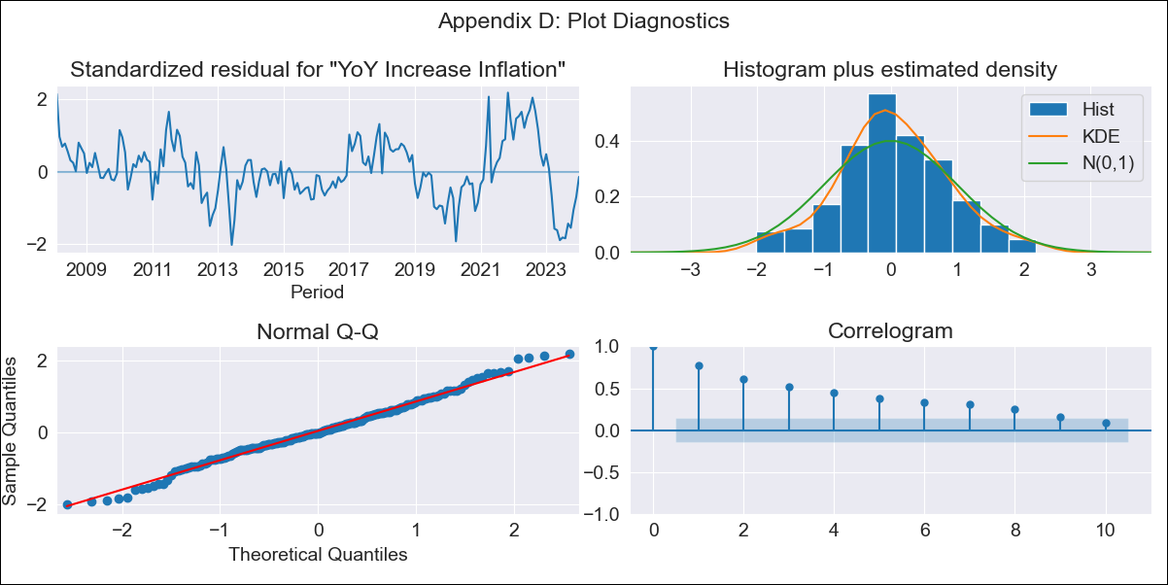
MEX9 - Inflation - Next 12 months forecast as of: 2024-01-01

Model | VARMAX - (1, 1, 0, 2, 0, 2, 12) | Exogenous Variables | Core, Non-Core, Target Rate, Exchange rate
Training Data | 2008-02-01 to 2023-02-01
Test Data | 2023-02-01 to 2024-01-01

Date | Inflation Change YoY % | Lower Bound - 95% Confidence Interval | Upper Bound - 95% Confidence Interval
2024-02-01 | 4.73 | 3.04 | 6.43
2024-03-01 | 4.58 | 2.58 | 6.59
2024-04-01 | 4.41 | 2.2 | 6.62
2024-05-01 | 4.21 | 1.83 | 6.58
2024-06-01 | 3.99 | 1.48 | 6.5
2024-07-01 | 3.76 | 1.15 | 6.37
2024-08-01 | 3.53 | 0.83 | 6.24
2024-09-01 | 3.31 | 0.53 | 6.09
2024-10-01 | 3.09 | 0.25 | 5.94
2024-11-01 | 2.89 | -0.02 | 5.79
2024-12-01 | 2.69 | -0.27 | 5.65
2025-01-01 | 2.51 | -0.5 | 5.52

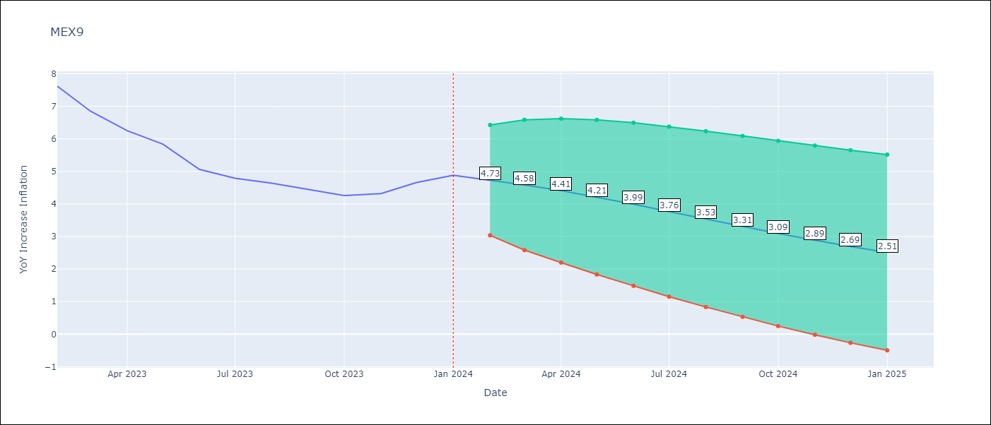

Test Metrics
RMSE | 1.43
Naive RMSE | 2.81
MAPE | 32.5%

Test Predictions
Date | Predicted | Actual
2023-02-01 | 7.68 | 7.62
2023-03-01 | 7.46 | 6.85
2023-04-01 | 7.23 | 6.25
2023-05-01 | 7.02 | 5.84
2023-06-01 | 6.82 | 5.06
2023-07-01 | 6.63 | 4.79
2023-08-01 | 6.46 | 4.64
2023-09-01 | 6.29 | 4.45
2023-10-01 | 6.14 | 4.26
2023-11-01 | 6 | 4.32
2023-12-01 | 5.87 | 4.66
2024-01-01 | 5.76 | 4.88

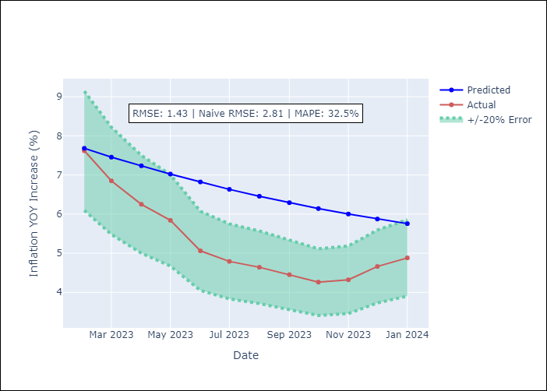

Appendix A: Model Summary
Model | VAR(1)
Sample | - 01-01-2024opg
No. of Observations | 192
Terms | P-value (Statistical significance)
L1.YoY Increase Inflation | 0.019
L1.Core | 0.014
L1.Non-Core | 0.014
L1.Target Rate | 0.827
L1.Exchange rate | 0.216
Assumptions | P-value
Ljung-Box (L1) | 0.00, 0.00, 0.00, 0.00, 0.00
Heteroskedasticity | 0.00, 0.00, 0.02, 0.00, 0.00
Jarque-Bera | 0.81, 0.00, 0.00, 0.00, 0.00
Skew | 0.07, -0.14, 0.75, 0.59, 1.11
Kurtosis | 3.18, 5.79, 4.26, 3.63, 8.14

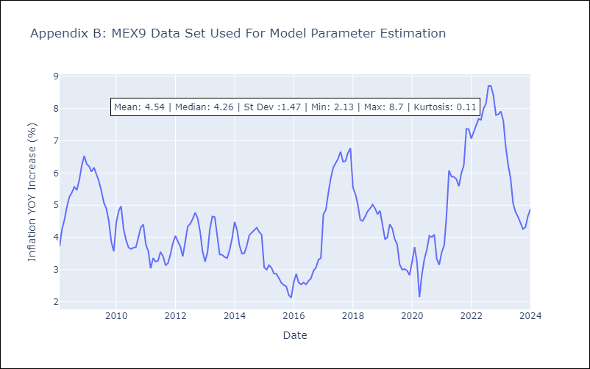

Appendix C: Residuals Analysis
Mean | 0.04
White Noise? | No - Correlation at Lags [ 1 2 3 4 5 6 7 8 9 10 11 12]
Normal? | No

