MEX10
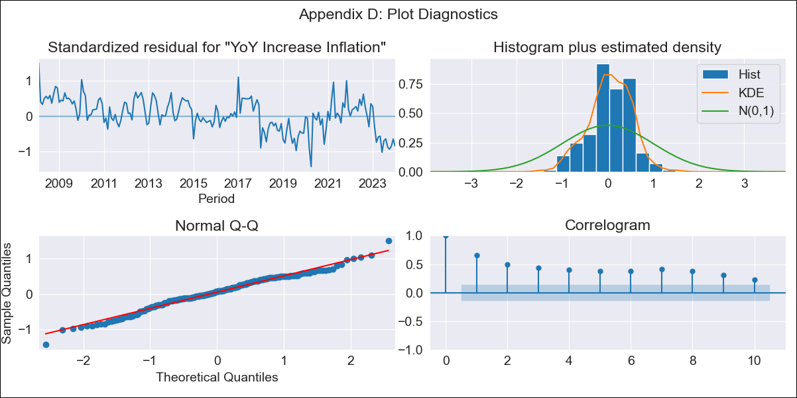
MEX10 - Inflation - Next 12 months forecast as of: 2024-01-01

Model | VARMAX - (1, 1, 0, 2, 0, 2, 12) | Exogenous Variables | Core, Non-Core, Target Rate, Minimum Wage
Training Data | 2008-02-01 to 2023-02-01
Test Data | 2023-02-01 to 2024-01-01

Date | Inflation Change YoY % | Lower Bound - 95% Confidence Interval | Upper Bound - 95% Confidence Interval
2024-02-01 | 6.56 | 4.24 | 8.89
2024-03-01 | 7.64 | 4.69 | 10.59
2024-04-01 | 8.27 | 4.96 | 11.58
2024-05-01 | 8.59 | 5.04 | 12.14
2024-06-01 | 8.67 | 4.93 | 12.4
2024-07-01 | 8.58 | 4.7 | 12.46
2024-08-01 | 8.37 | 4.36 | 12.38
2024-09-01 | 8.08 | 3.96 | 12.2
2024-10-01 | 7.73 | 3.51 | 11.94
2024-11-01 | 7.34 | 3.04 | 11.64
2024-12-01 | 6.93 | 2.55 | 11.31
2025-01-01 | 6.51 | 2.07 | 10.96

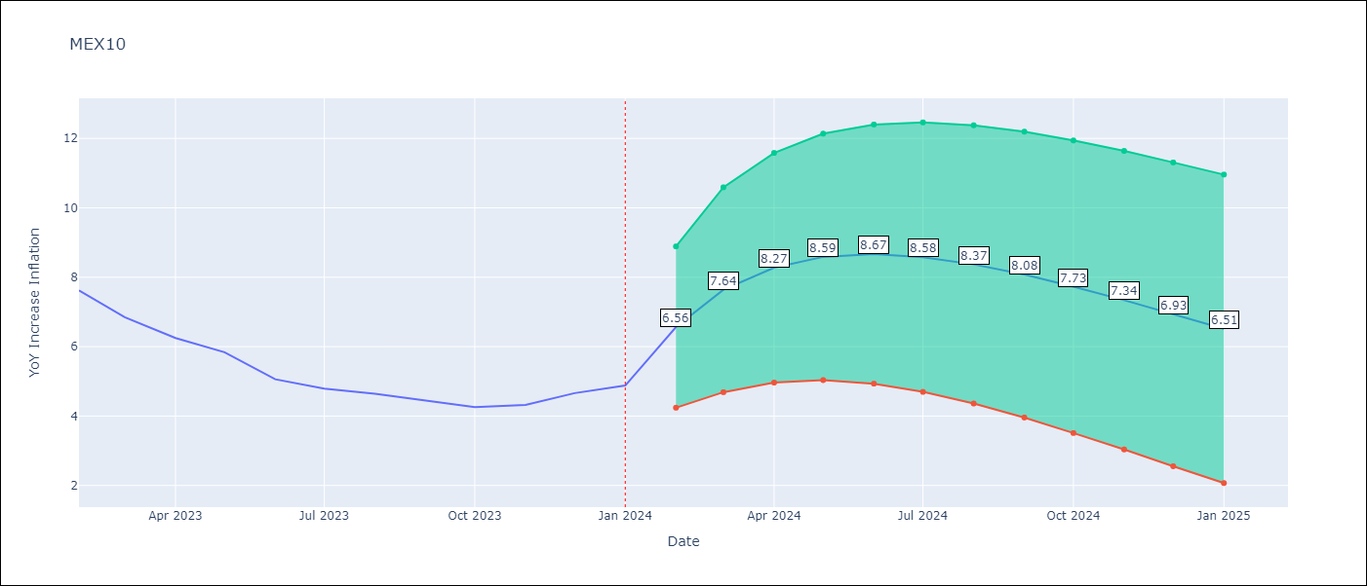

Test Metrics
RMSE | 4.29
Naive RMSE | 2.81
MAPE | 82.54%

Test Predictions
Date | Predicted | Actual
2023-02-01 | 8.4 | 7.62
2023-03-01 | 8.83 | 6.85
2023-04-01 | 9.17 | 6.25
2023-05-01 | 9.43 | 5.84
2023-06-01 | 9.62 | 5.06
2023-07-01 | 9.73 | 4.79
2023-08-01 | 9.76 | 4.64
2023-09-01 | 9.74 | 4.45
2023-10-01 | 9.65 | 4.26
2023-11-01 | 9.51 | 4.32
2023-12-01 | 9.33 | 4.66
2024-01-01 | 9.12 | 4.88

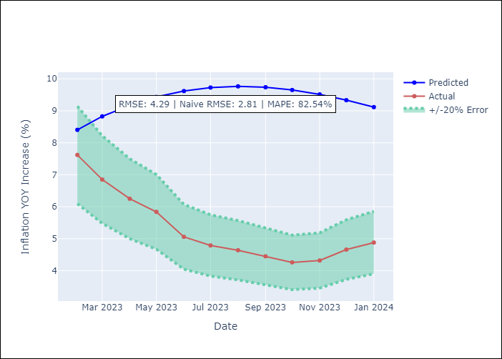

Appendix A: Model Summary
Model | VAR(1)
Sample | - 01-01-2024opg
No. of Observations | 192
Terms | P-value (Statistical significance)
L1.YoY Increase Inflation | 0.774
L1.Core | 0.800
L1.Non-Core | 0.812
L1.Target Rate | 0.700
L1.Minimum Wage | 0.602
Assumptions | P-value
Ljung-Box (L1) | 0.00, 0.00, 0.00, 0.00, 0.00
Heteroskedasticity | 0.24, 0.00, 0.93, 0.00, 0.00
Jarque-Bera | 0.25, 0.00, 0.00, 0.00, 0.00
Skew | -0.26, 0.14, 0.52, 0.81, 3.90
Kurtosis | 3.29, 5.08, 4.15, 4.12, 23.79

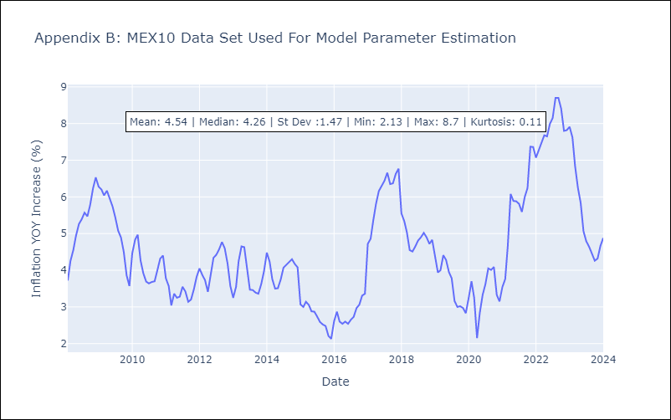

Appendix C: Residuals Analysis
Mean | 0.07
White Noise? | No - Correlation at Lags [ 1 2 3 4 5 6 7 8 9 10 11 12]
Normal? | No

