MEX11
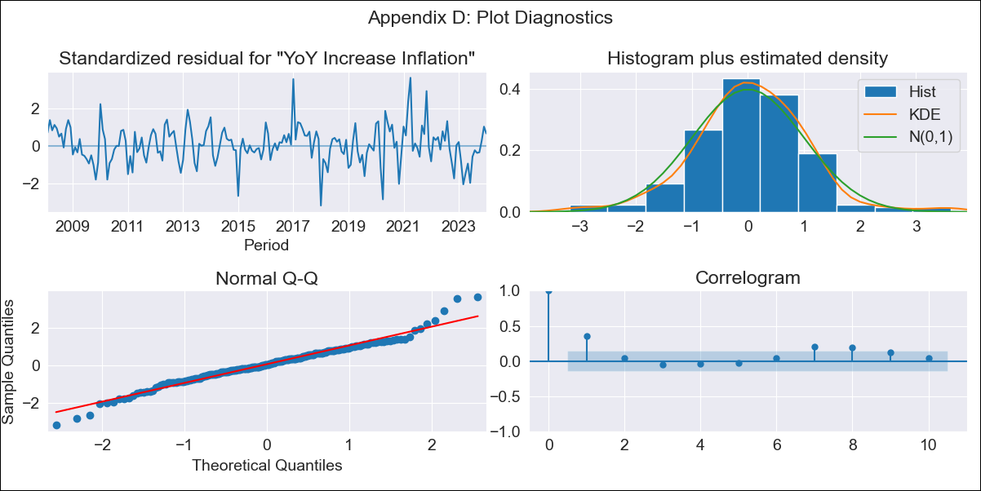
MEX11 - Inflation - Next 12 months forecast as of: 2024-01-01

Model | VARMAX - (1, 1, 0, 2, 0, 2, 12) | Exogenous Variables | Core, Non-Core, Target Rate, Minimum Wage
Training Data | 2008-02-01 to 2023-02-01
Test Data | 2023-02-01 to 2024-01-01

Date | Inflation Change YoY % | Lower Bound - 95% Confidence Interval | Upper Bound - 95% Confidence Interval
2024-02-01 | 4.86 | 4.12 | 5.61
2024-03-01 | 4.85 | 3.8 | 5.89
2024-04-01 | 4.82 | 3.56 | 6.09
2024-05-01 | 4.8 | 3.34 | 6.26
2024-06-01 | 4.78 | 3.15 | 6.4
2024-07-01 | 4.75 | 2.98 | 6.53
2024-08-01 | 4.73 | 2.81 | 6.64
2024-09-01 | 4.7 | 2.65 | 6.74
2024-10-01 | 4.67 | 2.5 | 6.84
2024-11-01 | 4.65 | 2.36 | 6.93
2024-12-01 | 4.62 | 2.22 | 7.02
2025-01-01 | 4.59 | 2.08 | 7.11

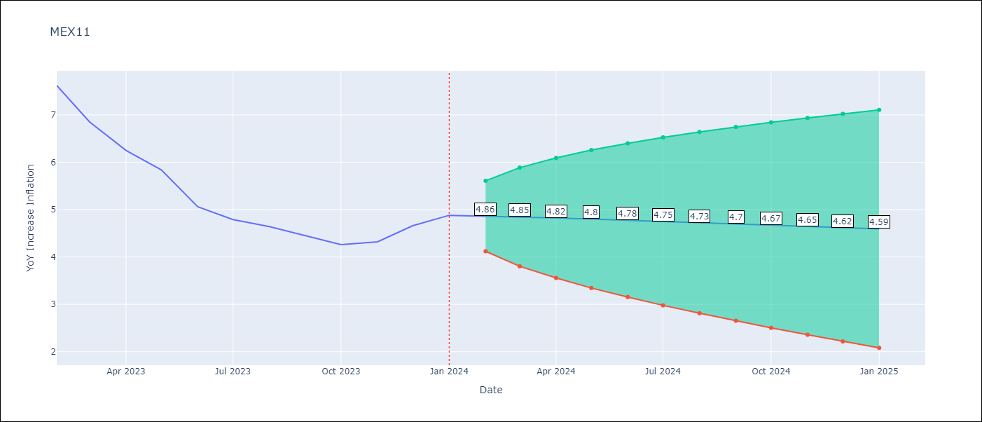

Test Metrics
RMSE | 2.46
Naive RMSE | 2.81
MAPE | 48.61%

Test Predictions
Date | Predicted | Actual
2023-02-01 | 7.93 | 7.62
2023-03-01 | 7.93 | 6.85
2023-04-01 | 7.91 | 6.25
2023-05-01 | 7.87 | 5.84
2023-06-01 | 7.81 | 5.06
2023-07-01 | 7.73 | 4.79
2023-08-01 | 7.64 | 4.64
2023-09-01 | 7.54 | 4.45
2023-10-01 | 7.42 | 4.26
2023-11-01 | 7.29 | 4.32
2023-12-01 | 7.15 | 4.66
2024-01-01 | 7.01 | 4.88

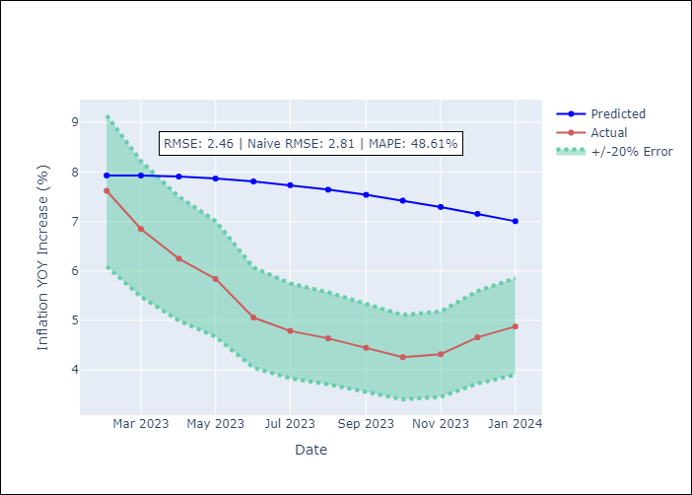

Appendix A: Model Summary
Model | VAR(1)
Sample | - 01-01-2024opg
No. of Observations | 192
Terms | P-value (Statistical significance)
L1.YoY Increase Inflation | 0.204
L1.Core | 0.464
L1.Non-Core | 0.449
L1.Target Rate | 0.853
L1.Minimum Wage | 0.877
Assumptions | P-value
Ljung-Box (L1) | 0.00, 0.04, 0.07, 0.00, nan
Heteroskedasticity | 0.06, 0.11, 0.60, 0.22, 0.00
Jarque-Bera | 0.00, 0.00, 0.00, 0.00, 0.00
Skew | 0.10, -0.90, 0.36, -0.48, 2.04
Kurtosis | 4.68, 6.10, 4.18, 5.24, 32.18

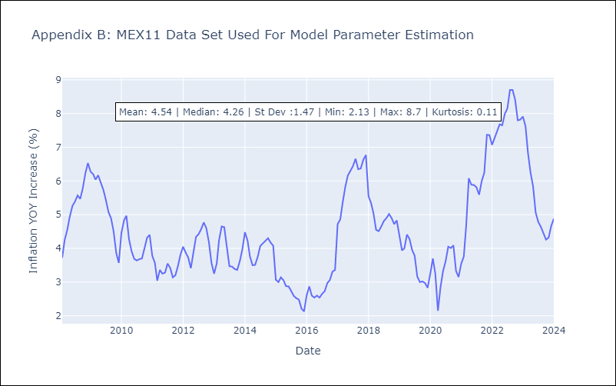

Appendix C: Residuals Analysis
Mean | 0.04
White Noise? | No - Correlation at Lags [ 1 2 3 4 5 6 7 8 9 10 11 12]
Normal? | Yes

