MEX12
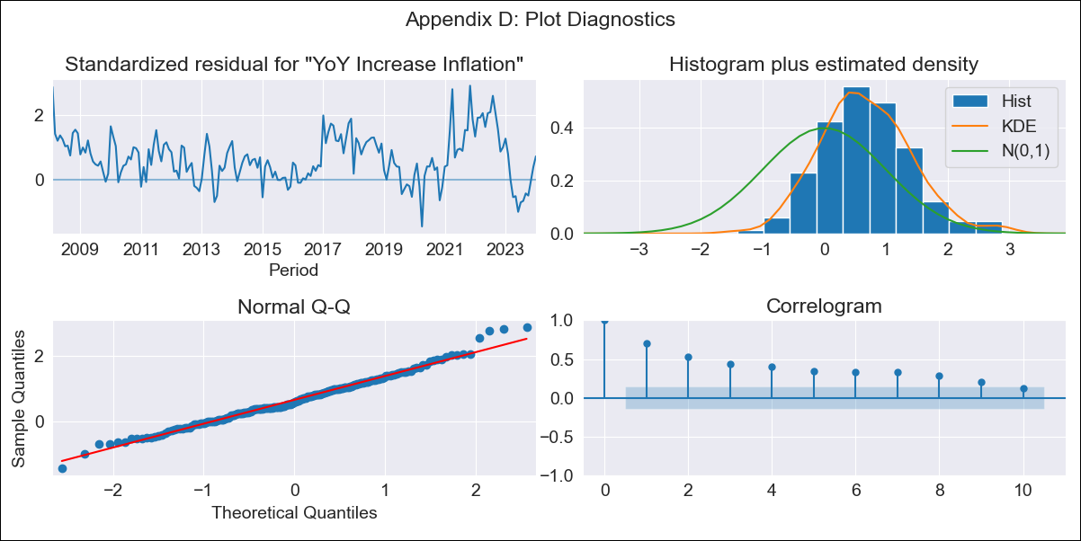
MEX12 - Inflation - Next 12 months forecast as of: 2024-01-01

Model | VARMAX - (1, 1, 0, 2, 0, 2, 12) | Exogenous Variables | Core, Non-Core, Exchange rate
Training Data | 2008-02-01 to 2023-02-01
Test Data | 2023-02-01 to 2024-01-01

Date | Inflation Change YoY % | Lower Bound - 95% Confidence Interval | Upper Bound - 95% Confidence Interval
2024-02-01 | 4.26 | 2.81 | 5.72
2024-03-01 | 3.82 | 2.06 | 5.58
2024-04-01 | 3.48 | 1.56 | 5.41
2024-05-01 | 3.2 | 1.16 | 5.24
2024-06-01 | 2.96 | 0.84 | 5.09
2024-07-01 | 2.75 | 0.56 | 4.94
2024-08-01 | 2.56 | 0.31 | 4.81
2024-09-01 | 2.38 | 0.09 | 4.68
2024-10-01 | 2.22 | -0.11 | 4.55
2024-11-01 | 2.07 | -0.29 | 4.44
2024-12-01 | 1.93 | -0.46 | 4.33
2025-01-01 | 1.81 | -0.61 | 4.22

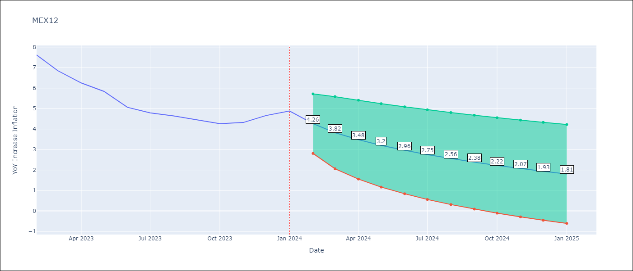

Test Metrics
RMSE | 3.77
Naive RMSE | 2.81
MAPE | 71.79%

Test Predictions
Date | Predicted | Actual
2023-02-01 | 8.11 | 7.62
2023-03-01 | 8.3 | 6.85
2023-04-01 | 8.46 | 6.25
2023-05-01 | 8.61 | 5.84
2023-06-01 | 8.74 | 5.06
2023-07-01 | 8.85 | 4.79
2023-08-01 | 8.95 | 4.64
2023-09-01 | 9.03 | 4.45
2023-10-01 | 9.09 | 4.26
2023-11-01 | 9.15 | 4.32
2023-12-01 | 9.19 | 4.66
2024-01-01 | 9.22 | 4.88

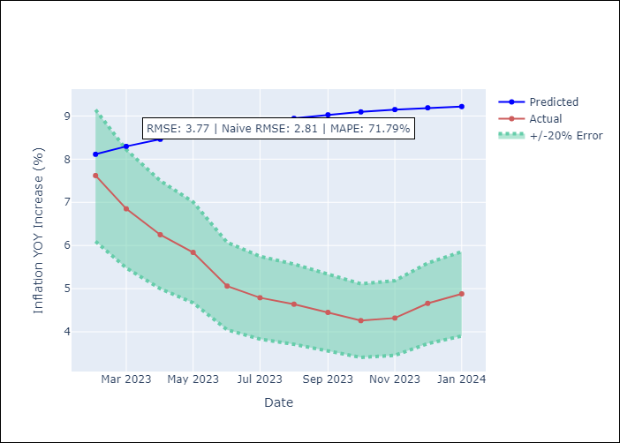

Appendix A: Model Summary
Model | VAR(1)
Sample | - 01-01-2024opg
No. of Observations | 192
Terms | P-value (Statistical significance)
L1.YoY Increase Inflation | 0.030
L1.Core | 0.014
L1.Non-Core | 0.017
L1.Exchange rate | 0.211
Assumptions | P-value
Ljung-Box (L1) | 0.00, 0.00, 0.00, 0.00
Heteroskedasticity | 0.11, 0.00, 0.13, 0.00
Jarque-Bera | 0.10, 0.00, 0.00, 0.00
Skew | 0.32, -0.00, 0.27, 0.76
Kurtosis | 3.39, 5.04, 4.44, 5.73

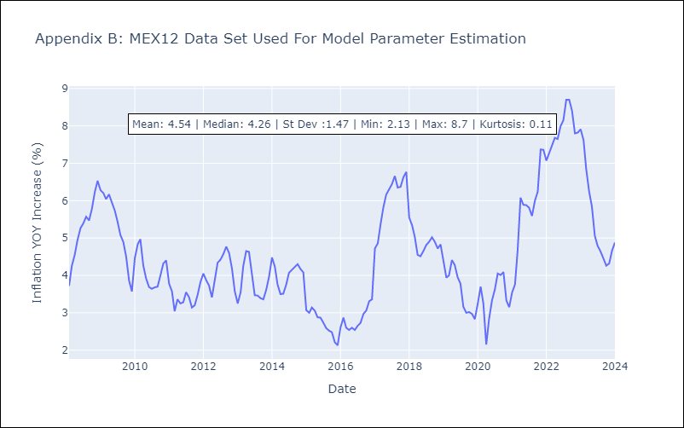

Appendix C: Residuals Analysis
Mean | 0.5
White Noise? | No - Correlation at Lags [ 1 2 3 4 5 6 7 8 9 10 11 12]
Normal? | No

