MEXSheet5
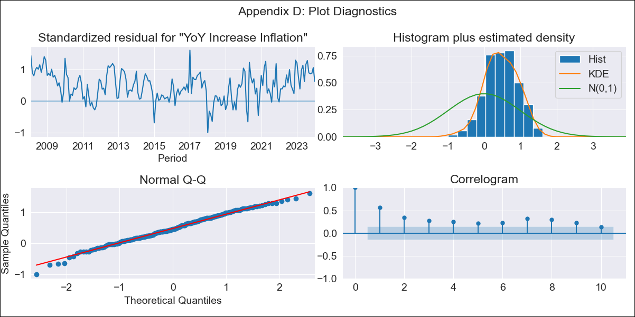
MEXSheet5 - Inflation - Next 12 months forecast as of: 2024-01-01

Model | VARMAX - (1, 1, 0, 2, 0, 2, 12) | Exogenous Variables | Core, Non-Core, Minimum Wage
Training Data | 2008-02-01 to 2023-02-01
Test Data | 2023-02-01 to 2024-01-01

Date | Inflation Change YoY % | Lower Bound - 95% Confidence Interval | Upper Bound - 95% Confidence Interval
2024-02-01 | 4.91 | 2.72 | 7.09
2024-03-01 | 4.82 | 1.85 | 7.8
2024-04-01 | 4.66 | 1.15 | 8.17
2024-05-01 | 4.44 | 0.53 | 8.34
2024-06-01 | 4.18 | -0.03 | 8.38
2024-07-01 | 3.89 | -0.55 | 8.33
2024-08-01 | 3.6 | -1.01 | 8.22
2024-09-01 | 3.32 | -1.43 | 8.06
2024-10-01 | 3.04 | -1.8 | 7.89
2024-11-01 | 2.79 | -2.13 | 7.7
2024-12-01 | 2.55 | -2.41 | 7.52
2025-01-01 | 2.34 | -2.66 | 7.34

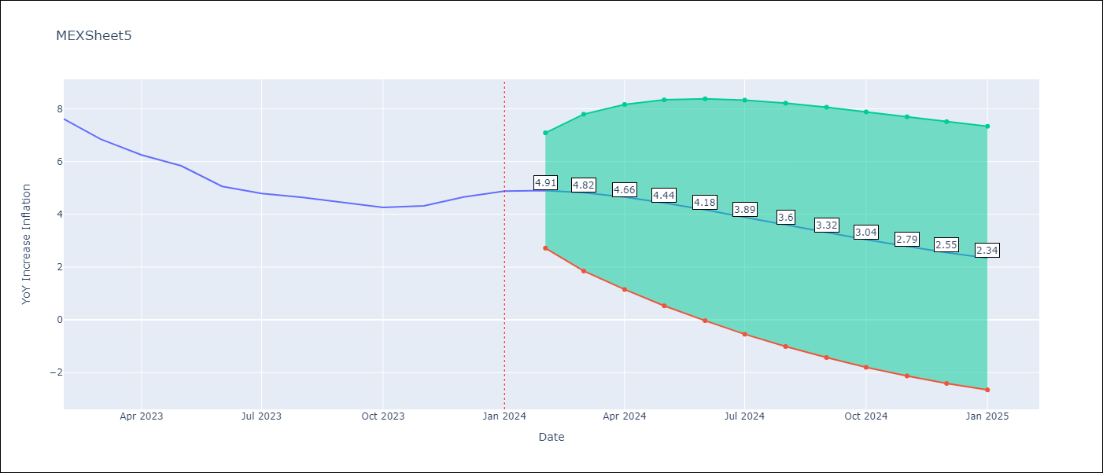

Test Metrics
RMSE | 2.61
Naive RMSE | 2.81
MAPE | 52.29%

Test Predictions
Date | Predicted | Actual
2023-02-01 | 8.24 | 7.62
2023-03-01 | 8.42 | 6.85
2023-04-01 | 8.49 | 6.25
2023-05-01 | 8.46 | 5.84
2023-06-01 | 8.35 | 5.06
2023-07-01 | 8.16 | 4.79
2023-08-01 | 7.93 | 4.64
2023-09-01 | 7.66 | 4.45
2023-10-01 | 7.36 | 4.26
2023-11-01 | 7.05 | 4.32
2023-12-01 | 6.74 | 4.66
2024-01-01 | 6.43 | 4.88

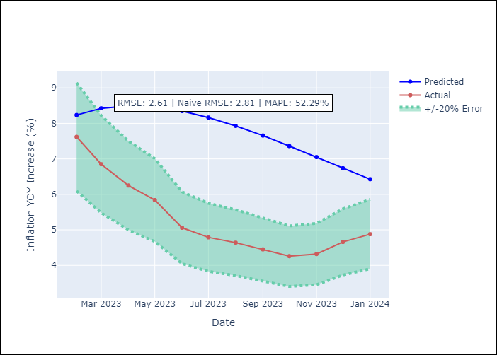

Appendix A: Model Summary
Model | VAR(1)
Sample | - 01-01-2024opg
No. of Observations | 192
Terms | P-value (Statistical significance)
L1.YoY Increase Inflation | 0.255
L1.Core | 0.283
L1.Non-Core | 0.298
L1.Minimum Wage | 0.685
Assumptions | P-value
Ljung-Box (L1) | 0.00, 0.00, 0.00, 0.22
Heteroskedasticity | 0.43, 0.00, 0.48, 0.00
Jarque-Bera | 0.59, 0.00, 0.00, 0.00
Skew | -0.18, -0.03, 0.43, 5.42
Kurtosis | 2.91, 5.12, 4.12, 36.49

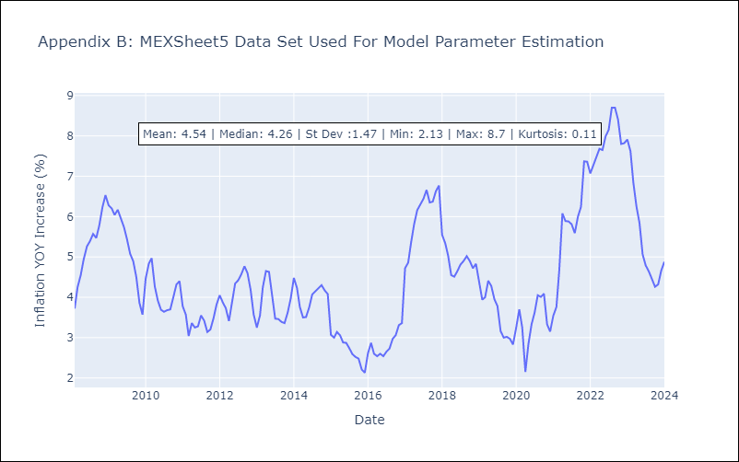

Appendix C: Residuals Analysis
Mean | 0.54
White Noise? | No - Correlation at Lags [ 1 2 3 4 5 6 7 8 9 10 11 12]
Normal? | No

