MEX3Sheet2
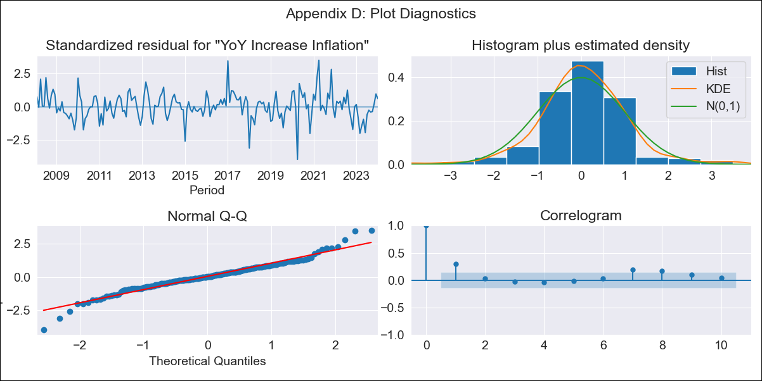
MEX3Sheet2 - Inflation - Next 12 months forecast as of: 2024-01-01

Model | VARMAX - (1, 1, 0, 2, 0, 2, 12) | Exogenous Variables | Core, Non-Core, Target Rate
Training Data | 2008-02-01 to 2023-02-01
Test Data | 2023-02-01 to 2024-01-01

Date | Inflation Change YoY % | Lower Bound - 95% Confidence Interval | Upper Bound - 95% Confidence Interval
2024-02-01 | 4.87 | 4.1 | 5.64
2024-03-01 | 4.85 | 3.77 | 5.92
2024-04-01 | 4.82 | 3.51 | 6.13
2024-05-01 | 4.79 | 3.29 | 6.29
2024-06-01 | 4.75 | 3.08 | 6.42
2024-07-01 | 4.71 | 2.89 | 6.54
2024-08-01 | 4.67 | 2.71 | 6.64
2024-09-01 | 4.63 | 2.53 | 6.73
2024-10-01 | 4.58 | 2.36 | 6.81
2024-11-01 | 4.54 | 2.2 | 6.88
2024-12-01 | 4.49 | 2.04 | 6.94
2025-01-01 | 4.44 | 1.88 | 7

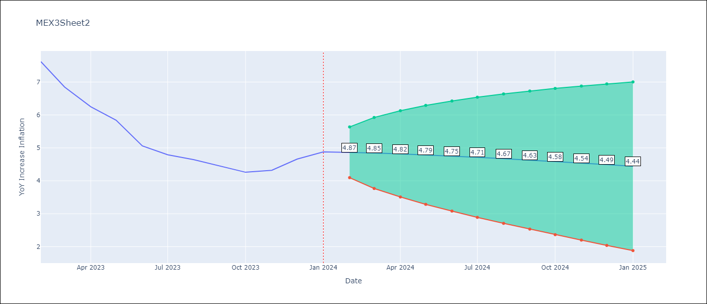

Test Metrics
RMSE | 1.52
Naive RMSE | 2.81
MAPE | 33.85%

Test Predictions
Date | Predicted | Actual
2023-02-01 | 7.72 | 7.62
2023-03-01 | 7.54 | 6.85
2023-04-01 | 7.35 | 6.25
2023-05-01 | 7.17 | 5.84
2023-06-01 | 6.99 | 5.06
2023-07-01 | 6.8 | 4.79
2023-08-01 | 6.61 | 4.64
2023-09-01 | 6.42 | 4.45
2023-10-01 | 6.23 | 4.26
2023-11-01 | 6.03 | 4.32
2023-12-01 | 5.83 | 4.66
2024-01-01 | 5.63 | 4.88

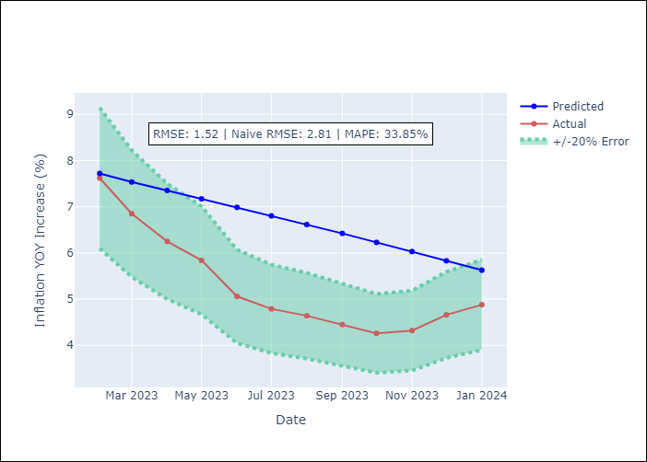

Appendix A: Model Summary
Model | VAR(1)
Sample | - 01-01-2024opg
No. of Observations | 192
Terms | P-value (Statistical significance)
L1.YoY Increase Inflation | 0.177
L1.Core | 0.439
L1.Non-Core | 0.427
L1.Target Rate | 0.791
Assumptions | P-value
Ljung-Box (L1) | 0.00, 0.02, 0.14, 0.00
Heteroskedasticity | 0.06, 0.29, 0.79, 0.11
Jarque-Bera | 0.00, 0.00, 0.00, 0.00
Skew | -0.05, -0.64, 0.46, -0.59
Kurtosis | 5.36, 5.57, 4.14, 5.39

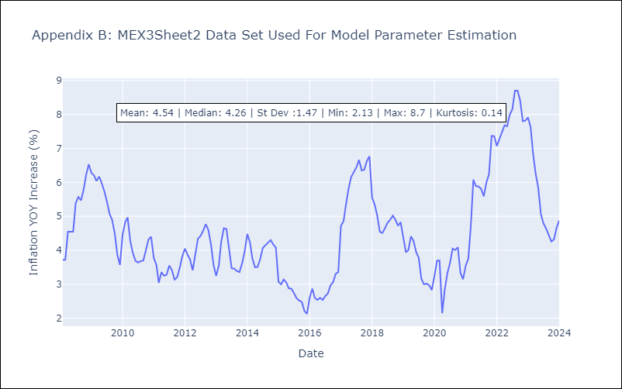

Appendix C: Residuals Analysis
Mean | 0.04
White Noise? | No - Correlation at Lags [ 1 2 3 4 8 9 10 11 12]
Normal? | No

