MEX3Sheet3
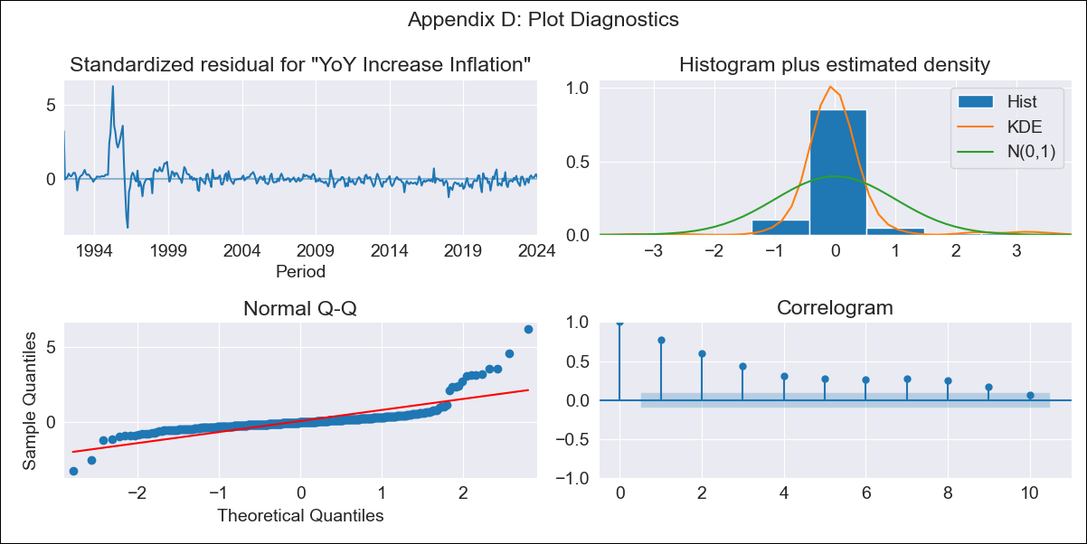
MEX3Sheet3 - Inflation - Next 12 months forecast as of: 2024-01-01

Model | VARMAX - (1, 1, 0, 2, 0, 2, 12) | Exogenous Variables | Core, Non-Core, Exchange rate
Training Data | 1991-12-01 to 2023-02-01
Test Data | 2023-02-01 to 2024-01-01

Date | Inflation Change YoY % | Lower Bound - 95% Confidence Interval | Upper Bound - 95% Confidence Interval
2024-02-01 | 5.1 | 2.21 | 7.99
2024-03-01 | 5.27 | 1.24 | 9.3
2024-04-01 | 5.38 | 0.51 | 10.26
2024-05-01 | 5.43 | -0.14 | 11
2024-06-01 | 5.41 | -0.75 | 11.57
2024-07-01 | 5.34 | -1.35 | 12.02
2024-08-01 | 5.2 | -1.95 | 12.36
2024-09-01 | 5.01 | -2.57 | 12.59
2024-10-01 | 4.77 | -3.19 | 12.74
2024-11-01 | 4.49 | -3.83 | 12.81
2024-12-01 | 4.16 | -4.48 | 12.81
2025-01-01 | 3.81 | -5.13 | 12.75

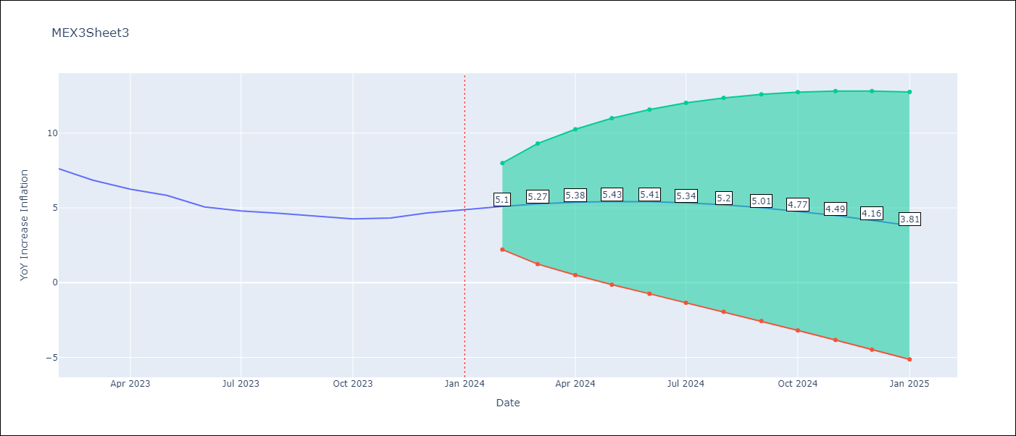

Test Metrics
RMSE | 4.91
Naive RMSE | 2.81
MAPE | 90.43%

Test Predictions
Date | Predicted | Actual
2023-02-01 | 8.1 | 7.62
2023-03-01 | 8.33 | 6.85
2023-04-01 | 8.61 | 6.25
2023-05-01 | 8.91 | 5.84
2023-06-01 | 9.24 | 5.06
2023-07-01 | 9.58 | 4.79
2023-08-01 | 9.92 | 4.64
2023-09-01 | 10.27 | 4.45
2023-10-01 | 10.6 | 4.26
2023-11-01 | 10.92 | 4.32
2023-12-01 | 11.21 | 4.66
2024-01-01 | 11.47 | 4.88

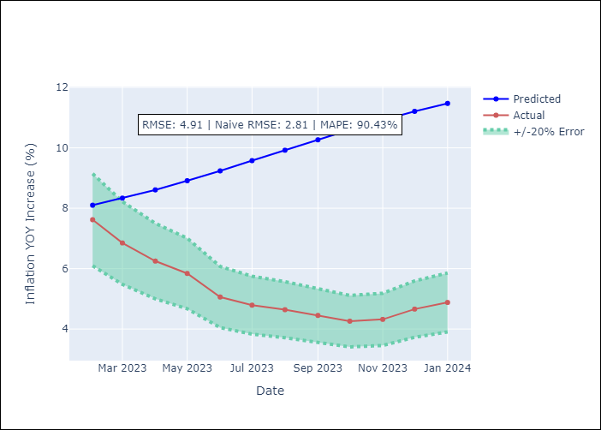

Appendix A: Model Summary
Model | VAR(1)
Sample | - 01-01-2024opg
No. of Observations | 386
Terms | P-value (Statistical significance)
L1.YoY Increase Inflation | 0.441
L1.Core | 0.524
L1.Non-Core | 0.568
L1.Exchange rate | 0.537
Assumptions | P-value
Ljung-Box (L1) | 0.00, 0.00, 0.00, 0.00
Heteroskedasticity | 0.00, 0.03, 0.44, 0.00
Jarque-Bera | 0.00, 0.00, 0.00, 0.00
Skew | 3.36, -0.28, 0.60, 1.28
Kurtosis | 24.64, 4.92, 6.85, 13.71

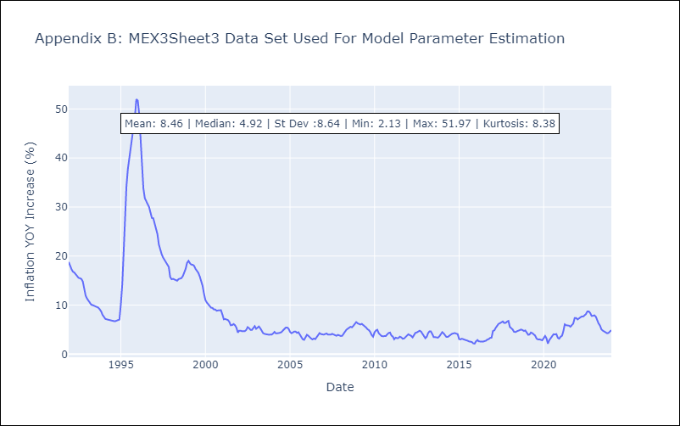

Appendix C: Residuals Analysis
Mean | 0.12
White Noise? | No - Correlation at Lags [ 1 2 3 4 5 6 7 8 9 10 11 12]
Normal? | No

