MEX3Sheet4raw
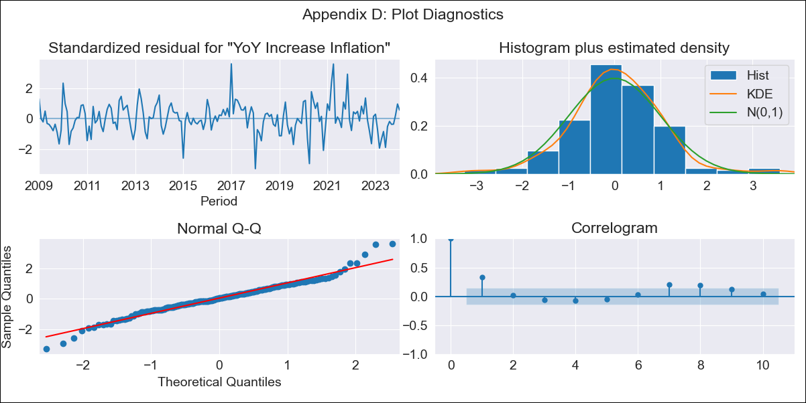
MEX3Sheet4raw - Inflation - Next 12 months forecast as of: 2024-01-01

Model | VARMAX - (1, 1, 0, 2, 0, 2, 12) | Exogenous Variables | Core, Non-Core, Minimum Wage
Training Data | 2009-01-01 to 2023-02-01
Test Data | 2023-02-01 to 2024-01-01

Date | Inflation Change YoY % | Lower Bound - 95% Confidence Interval | Upper Bound - 95% Confidence Interval
2024-02-01 | 4.91 | 4.16 | 5.66
2024-03-01 | 4.94 | 3.89 | 5.99
2024-04-01 | 4.97 | 3.69 | 6.25
2024-05-01 | 4.99 | 3.52 | 6.46
2024-06-01 | 5.01 | 3.37 | 6.65
2024-07-01 | 5.03 | 3.24 | 6.83
2024-08-01 | 5.05 | 3.11 | 6.99
2024-09-01 | 5.06 | 3 | 7.13
2024-10-01 | 5.08 | 2.88 | 7.27
2024-11-01 | 5.09 | 2.77 | 7.4
2024-12-01 | 5.09 | 2.67 | 7.52
2025-01-01 | 5.1 | 2.56 | 7.63

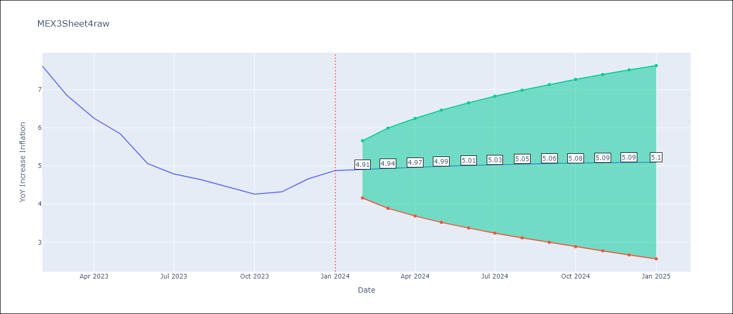

Test Metrics
RMSE | 1.32
Naive RMSE | 2.81
MAPE | 30.28%

Test Predictions
Date | Predicted | Actual
2023-02-01 | 7.52 | 7.62
2023-03-01 | 7.27 | 6.85
2023-04-01 | 7.11 | 6.25
2023-05-01 | 6.98 | 5.84
2023-06-01 | 6.87 | 5.06
2023-07-01 | 6.72 | 4.79
2023-08-01 | 6.53 | 4.64
2023-09-01 | 6.28 | 4.45
2023-10-01 | 5.97 | 4.26
2023-11-01 | 5.61 | 4.32
2023-12-01 | 5.19 | 4.66
2024-01-01 | 4.72 | 4.88

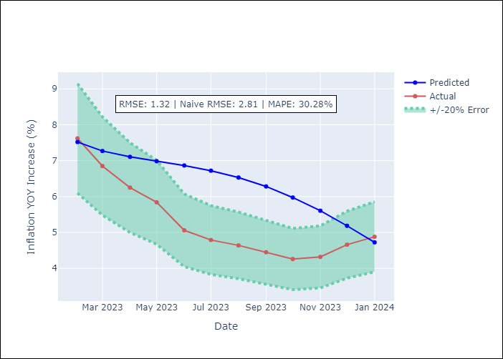

Appendix A: Model Summary
Model | VAR(1)
Sample | - 01-01-2024opg
No. of Observations | 181
Terms | P-value (Statistical significance)
L1.YoY Increase Inflation | 0.192
L1.Core | 0.421
L1.Non-Core | 0.424
L1.Minimum Wage | 0.667
Assumptions | P-value
Ljung-Box (L1) | 0.00, 0.01, 0.09, 0.00
Heteroskedasticity | 0.04, 0.01, 0.38, 0.00
Jarque-Bera | 0.00, 0.00, 0.00, 0.00
Skew | 0.15, -0.73, 0.44, 2.49
Kurtosis | 4.92, 5.36, 4.23, 33.62

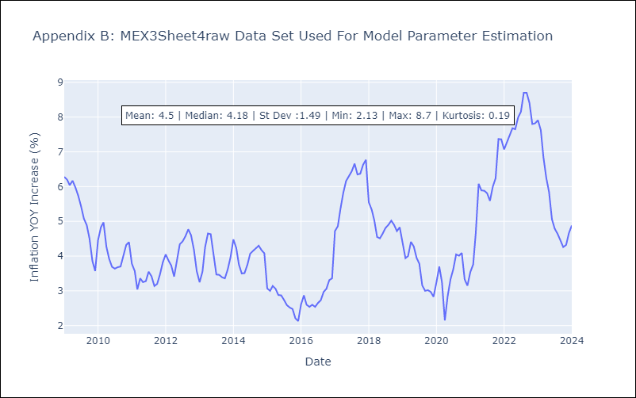

Appendix C: Residuals Analysis
Mean | 0.05
White Noise? | Yes
Normal? | No

