MEX3Sheet6raw
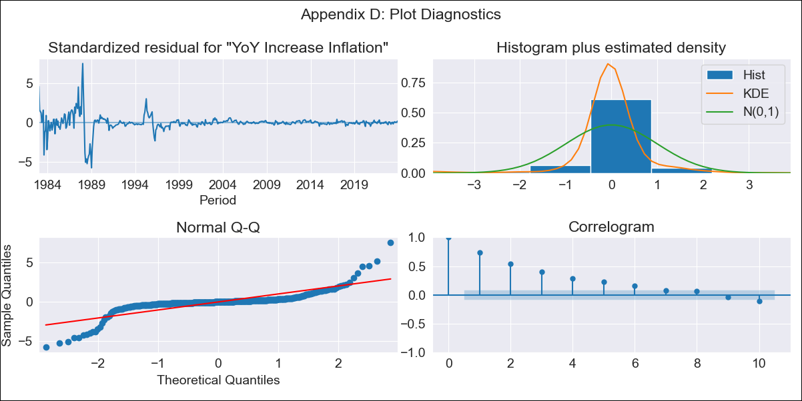
MEX3Sheet6raw - Inflation - Next 12 months forecast as of: 2023-12-01

Model | VARMAX - (1, 1, 0, 0, 0, 1, 12) | Exogenous Variables | Core, Non-Core, Montery Base
Training Data | 1983-01-01 to 2023-01-01
Test Data | 2023-01-01 to 2023-12-01

Date | Inflation Change YoY % | Lower Bound - 95% Confidence Interval | Upper Bound - 95% Confidence Interval
2024-01-01 | 4.67 | -0.62 | 9.97
2024-02-01 | 4.72 | -2.67 | 12.1
2024-03-01 | 4.78 | -4.24 | 13.8
2024-04-01 | 4.85 | -5.58 | 15.28
2024-05-01 | 4.91 | -6.78 | 16.6
2024-06-01 | 4.97 | -7.87 | 17.82
2024-07-01 | 5.02 | -8.89 | 18.93
2024-08-01 | 5.07 | -9.84 | 19.97
2024-09-01 | 5.1 | -10.74 | 20.94
2024-10-01 | 5.13 | -11.6 | 21.85
2024-11-01 | 5.15 | -12.42 | 22.72
2024-12-01 | 5.16 | -13.22 | 23.54

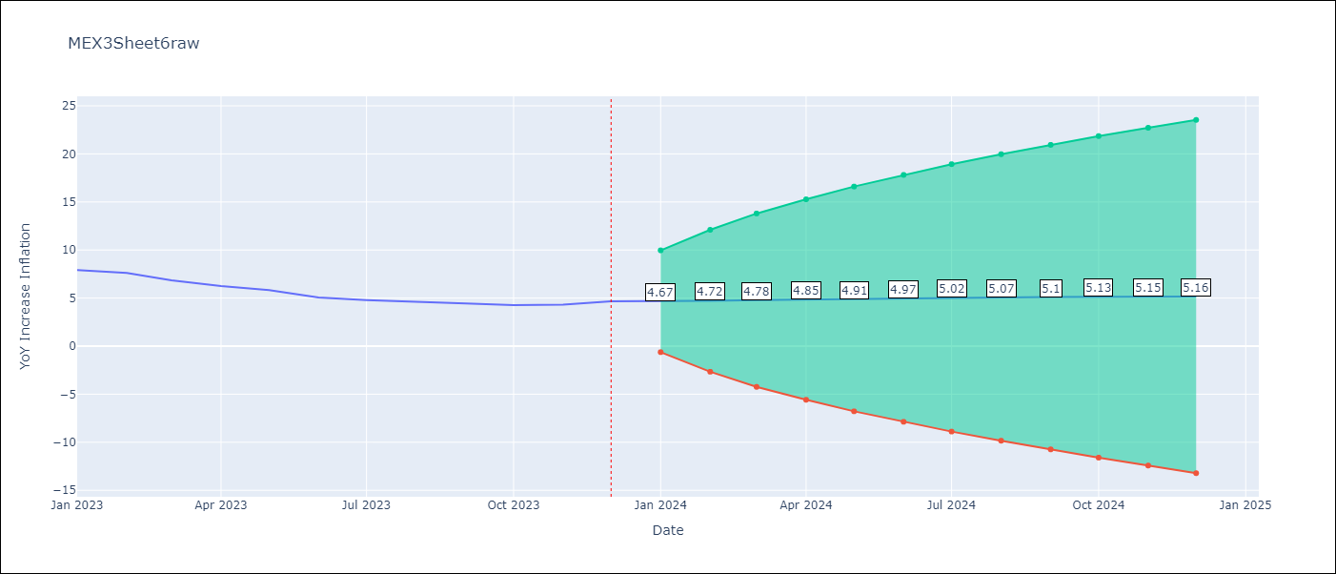

Test Metrics
RMSE | 2.43
Naive RMSE | 2.59
MAPE | 44.74%

Test Predictions
Date | Predicted | Actual
2023-01-01 | 7.71 | 7.91
2023-02-01 | 7.66 | 7.62
2023-03-01 | 7.64 | 6.85
2023-04-01 | 7.65 | 6.25
2023-05-01 | 7.65 | 5.84
2023-06-01 | 7.66 | 5.06
2023-07-01 | 7.66 | 4.79
2023-08-01 | 7.66 | 4.64
2023-09-01 | 7.65 | 4.45
2023-10-01 | 7.63 | 4.26
2023-11-01 | 7.61 | 4.32
2023-12-01 | 7.59 | 4.66

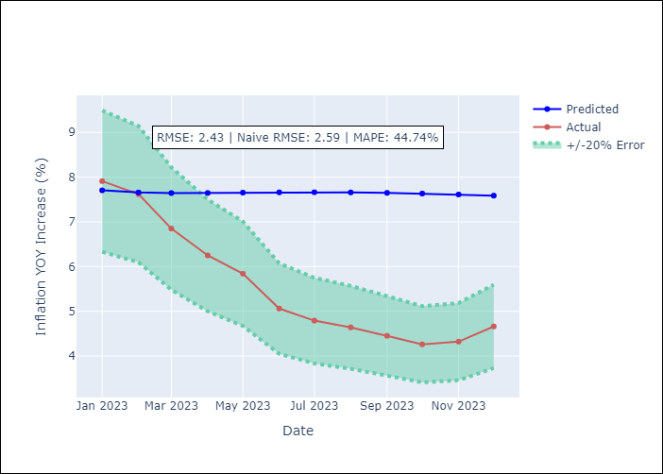

Appendix A: Model Summary
Model | VAR(1)
Sample | - 12-01-2023opg
No. of Observations | 492
Terms | P-value (Statistical significance)
L1.YoY Increase Inflation | 0.000
L1.Core | 0.000
L1.Non-Core | 0.000
L1.Montery Base | 0.000
Assumptions | P-value
Ljung-Box (L1) | 0.00, 0.00, 0.56, 0.36
Heteroskedasticity | 0.00, 0.00, 0.00, 0.00
Jarque-Bera | 0.00, 0.00, 0.00, 0.00
Skew | -0.28, -0.08, 1.53, -1.05
Kurtosis | 19.53, 14.66, 29.71, 31.67

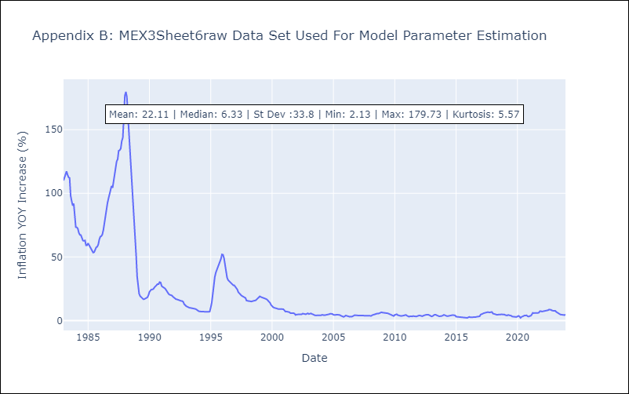

Appendix C: Residuals Analysis
Mean | 0.09
White Noise? | No - Correlation at Lags [ 1 2 3 4 5 6 7 8 9 10 11 12]
Normal? | No

