MEX3Sheet7raw
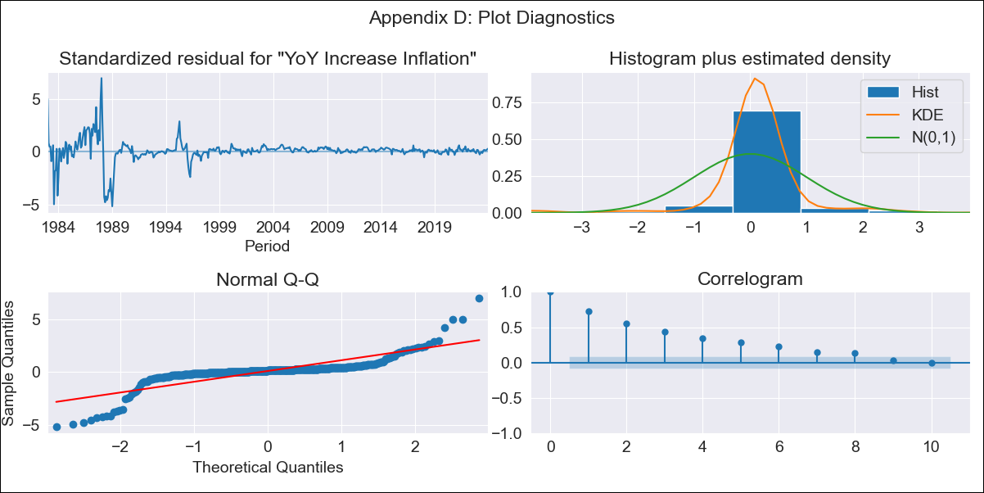
MEX3Sheet7raw - Inflation - Next 12 months forecast as of: 2023-12-01

Model | VARMAX - (1, 1, 0, 0, 0, 1, 12) | Exogenous Variables | Core, Non-Core, Monthly Expenditures
Training Data | 1983-01-01 to 2023-01-01
Test Data | 2023-01-01 to 2023-12-01

Date | Inflation Change YoY % | Lower Bound - 95% Confidence Interval | Upper Bound - 95% Confidence Interval
2024-01-01 | 4.43 | -0.91 | 9.77
2024-02-01 | 4.23 | -3.27 | 11.74
2024-03-01 | 4.05 | -5.18 | 13.29
2024-04-01 | 3.89 | -6.87 | 14.64
2024-05-01 | 3.73 | -8.41 | 15.87
2024-06-01 | 3.59 | -9.83 | 17.02
2024-07-01 | 3.46 | -11.17 | 18.09
2024-08-01 | 3.34 | -12.43 | 19.11
2024-09-01 | 3.23 | -13.62 | 20.07
2024-10-01 | 3.12 | -14.74 | 20.99
2024-11-01 | 3.03 | -15.8 | 21.86
2024-12-01 | 2.94 | -16.81 | 22.69

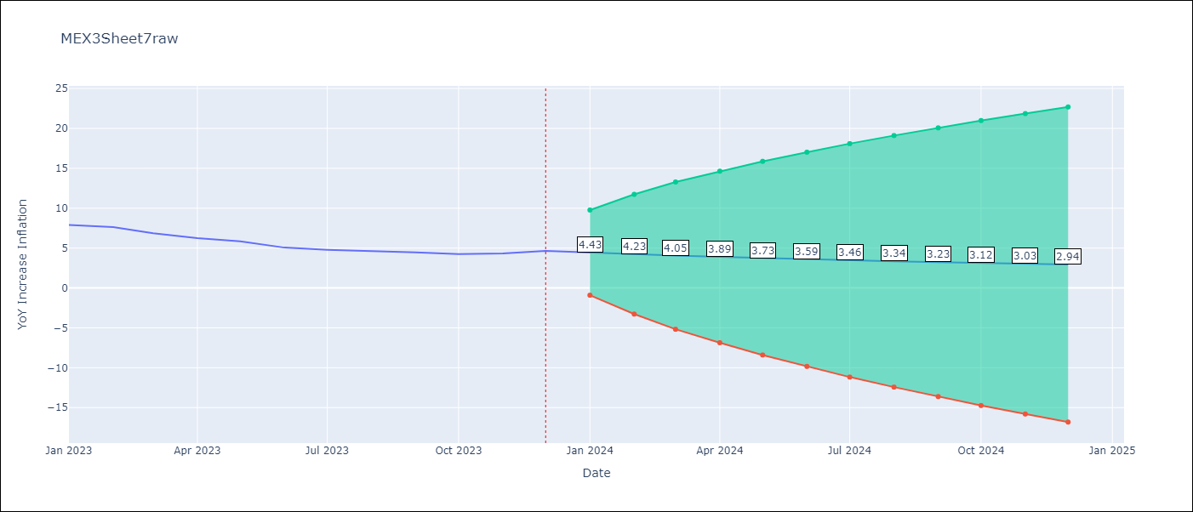

Test Metrics
RMSE | 0.82
Naive RMSE | 2.59
MAPE | 25.98%

Test Predictions
Date | Predicted | Actual
2023-01-01 | 7.45 | 7.91
2023-02-01 | 7.13 | 7.62
2023-03-01 | 6.85 | 6.85
2023-04-01 | 6.59 | 6.25
2023-05-01 | 6.35 | 5.84
2023-06-01 | 6.13 | 5.06
2023-07-01 | 5.93 | 4.79
2023-08-01 | 5.74 | 4.64
2023-09-01 | 5.56 | 4.45
2023-10-01 | 5.4 | 4.26
2023-11-01 | 5.25 | 4.32
2023-12-01 | 5.12 | 4.66

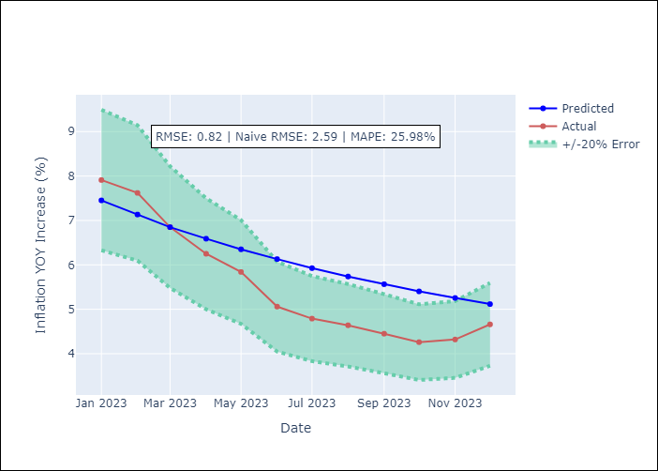

Appendix A: Model Summary
Model | VAR(1)
Sample | - 12-01-2023opg
No. of Observations | 492
Terms | P-value (Statistical significance)
L1.YoY Increase Inflation | 0.000
L1.Core | 0.000
L1.Non-Core | 0.000
L1.Monthly Expenditures | 0.000
Assumptions | P-value
Ljung-Box (L1) | 0.00, 0.00, 0.58, 0.46
Heteroskedasticity | 0.00, 0.00, 0.00, 0.00
Jarque-Bera | 0.00, 0.00, 0.00, 0.00
Skew | -0.60, -0.22, 1.52, -1.71
Kurtosis | 17.17, 13.58, 29.71, 31.61

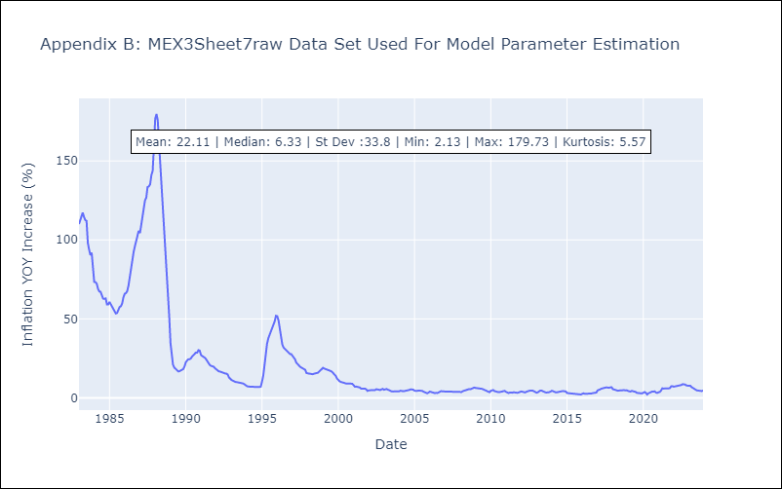

Appendix C: Residuals Analysis
Mean | 0.45
White Noise? | No - Correlation at Lags [ 1 2 3 4 5 6 7 8 9 10 11 12]
Normal? | No

