MEX3Sheet8
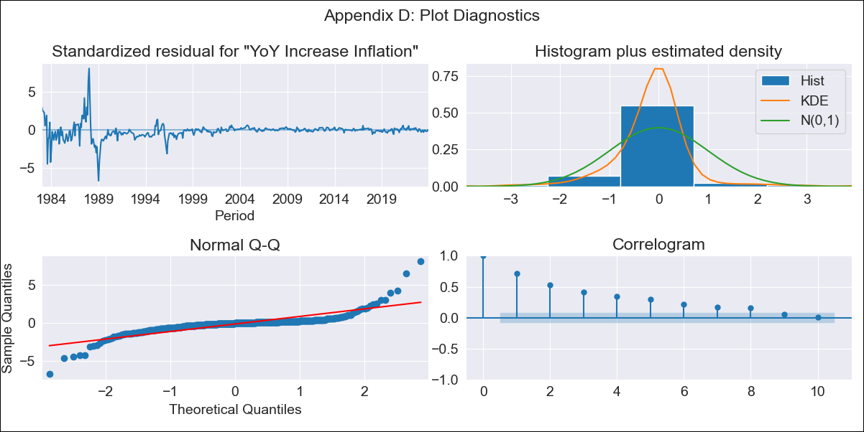
MEX3Sheet8 - Inflation - Next 12 months forecast as of: 2023-12-01

Model | VARMAX - (1, 1, 0, 0, 0, 1, 12) | Exogenous Variables | Core, Non-Core, 3-month fixed deposit interest rates
Training Data | 1983-01-01 to 2023-01-01
Test Data | 2023-01-01 to 2023-12-01

Date | Inflation Change YoY % | Lower Bound - 95% Confidence Interval | Upper Bound - 95% Confidence Interval
2024-01-01 | 5.12 | 0.65 | 9.59
2024-02-01 | 5.62 | -0.44 | 11.68
2024-03-01 | 6.13 | -1.12 | 13.38
2024-04-01 | 6.64 | -1.67 | 14.96
2024-05-01 | 7.14 | -2.21 | 16.48
2024-06-01 | 7.61 | -2.78 | 18.01
2024-07-01 | 8.07 | -3.42 | 19.56
2024-08-01 | 8.49 | -4.16 | 21.14
2024-09-01 | 8.89 | -4.99 | 22.76
2024-10-01 | 9.25 | -5.91 | 24.41
2024-11-01 | 9.59 | -6.91 | 26.09
2024-12-01 | 9.89 | -8 | 27.79

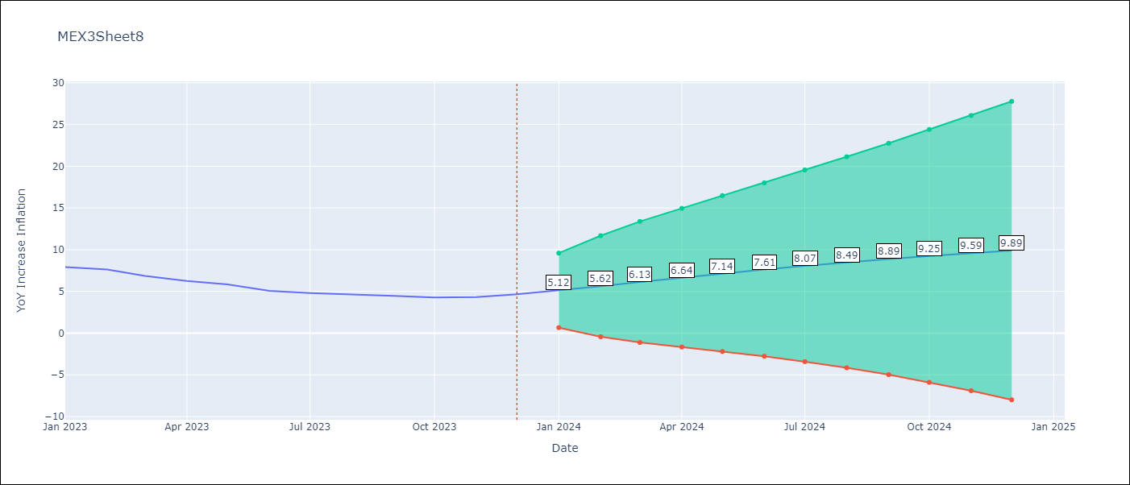

Test Metrics
RMSE | 2.27
Naive RMSE | 2.59
MAPE | 42.23%

Test Predictions
Date | Predicted | Actual
2023-01-01 | 7.64 | 7.91
2023-02-01 | 7.54 | 7.62
2023-03-01 | 7.49 | 6.85
2023-04-01 | 7.47 | 6.25
2023-05-01 | 7.46 | 5.84
2023-06-01 | 7.46 | 5.06
2023-07-01 | 7.47 | 4.79
2023-08-01 | 7.47 | 4.64
2023-09-01 | 7.46 | 4.45
2023-10-01 | 7.45 | 4.26
2023-11-01 | 7.43 | 4.32
2023-12-01 | 7.41 | 4.66

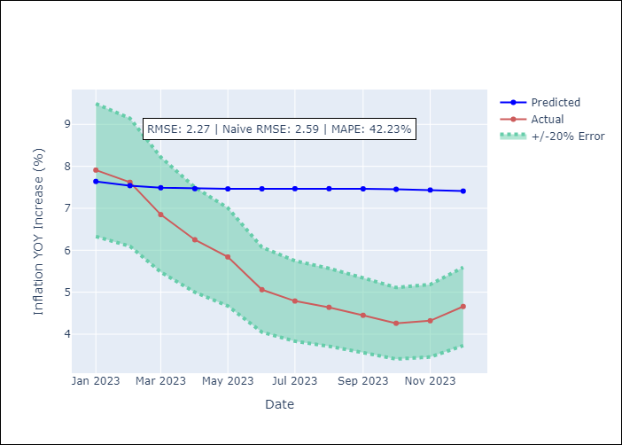

Appendix A: Model Summary
Model | VAR(1)
Sample | - 12-01-2023opg
No. of Observations | 492
Terms | P-value (Statistical significance)
L1.YoY Increase Inflation | 0.000
L1.Core | 0.000
L1.Non-Core | 0.000
L1.3-month fixed deposit interest rates | 0.000
Assumptions | P-value
Ljung-Box (L1) | 0.00, 0.00, 0.54, 0.00
Heteroskedasticity | 0.00, 0.00, 0.00, 0.00
Jarque-Bera | 0.00, 0.00, 0.00, 0.00
Skew | 0.81, 0.16, 1.56, -5.84
Kurtosis | 23.40, 14.62, 29.61, 97.86

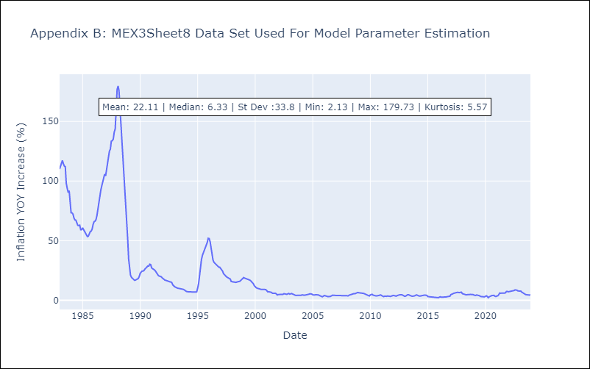

Appendix C: Residuals Analysis
Mean | -0.09
White Noise? | No - Correlation at Lags [ 1 2 3 4 5 6 7 8 9 10 11 12]
Normal? | No

