mex
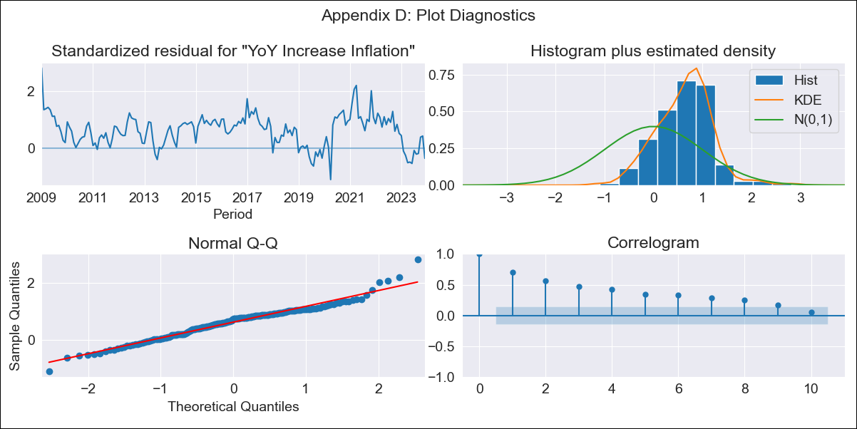
mex - Inflation - Next 12 months forecast as of: 2023-12-01

Model | VARMAX - (1, 1, 0, 0, 0, 1, 12) | Exogenous Variables | Monthly Wage Adjustment, Montery Base, Monthly Expenditures, 3-month fixed deposit interest rates
Training Data | 2009-01-01 to 2023-01-01
Test Data | 2023-01-01 to 2023-12-01

Date | Inflation Change YoY % | Lower Bound - 95% Confidence Interval | Upper Bound - 95% Confidence Interval
2024-01-01 | 4.85 | 2.18 | 7.53
2024-02-01 | 4.45 | 1.2 | 7.71
2024-03-01 | 3.94 | 0.34 | 7.55
2024-04-01 | 3.44 | -0.38 | 7.27
2024-05-01 | 2.99 | -0.99 | 6.97
2024-06-01 | 2.58 | -1.5 | 6.67
2024-07-01 | 2.23 | -1.93 | 6.39
2024-08-01 | 1.92 | -2.3 | 6.13
2024-09-01 | 1.65 | -2.6 | 5.9
2024-10-01 | 1.42 | -2.86 | 5.7
2024-11-01 | 1.22 | -3.08 | 5.52
2024-12-01 | 1.05 | -3.27 | 5.37

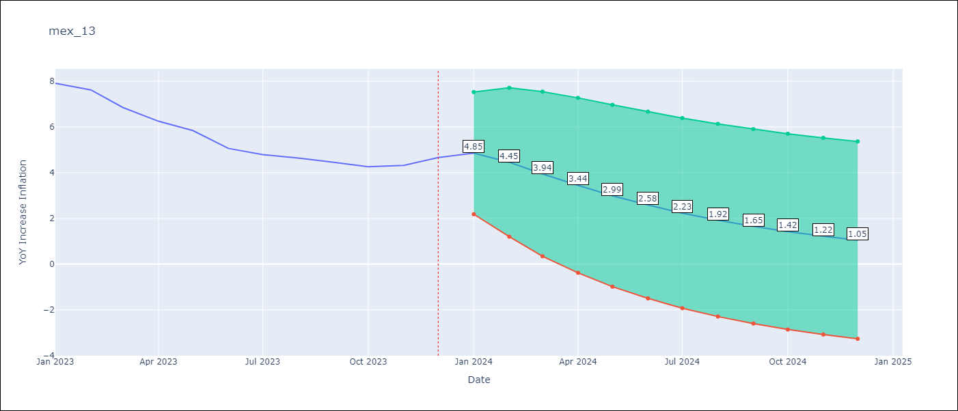

Test Metrics
RMSE | 1.32
Naive RMSE | 2.59
MAPE | 32.91%

Test Predictions
Date | Predicted | Actual
2023-01-01 | 7.06 | 7.91
2023-02-01 | 6.38 | 7.62
2023-03-01 | 5.75 | 6.85
2023-04-01 | 5.2 | 6.25
2023-05-01 | 4.69 | 5.84
2023-06-01 | 4.24 | 5.06
2023-07-01 | 3.84 | 4.79
2023-08-01 | 3.47 | 4.64
2023-09-01 | 3.14 | 4.45
2023-10-01 | 2.85 | 4.26
2023-11-01 | 2.58 | 4.32
2023-12-01 | 2.34 | 4.66

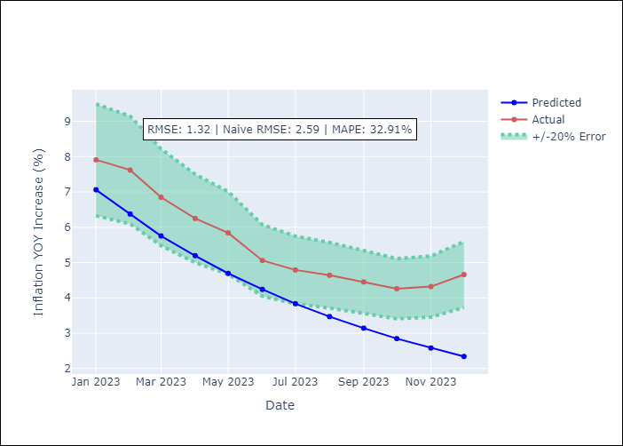

Appendix A: Model Summary
Model | VAR(1)
Sample | - 12-01-2023opg
No. of Observations | 180
Terms | P-value (Statistical significance)
L1.YoY Increase Inflation | 0.012
L1.Monthly Wage Adjustment | 0.227
L1.Montery Base | 0.336
L1.Monthly Expenditures | 0.947
L1.3-month fixed deposit interest rates | 0.917
Assumptions | P-value
Ljung-Box (L1) | 0.00, 0.02, 0.00, 0.00, 0.00
Heteroskedasticity | 0.29, 0.00, 0.00, 0.96, 0.00
Jarque-Bera | 0.00, 0.00, 0.13, 0.00, 0.00
Skew | 0.11, -0.45, 0.28, 0.01, 1.19
Kurtosis | 4.26, 5.47, 2.52, 7.08, 6.74

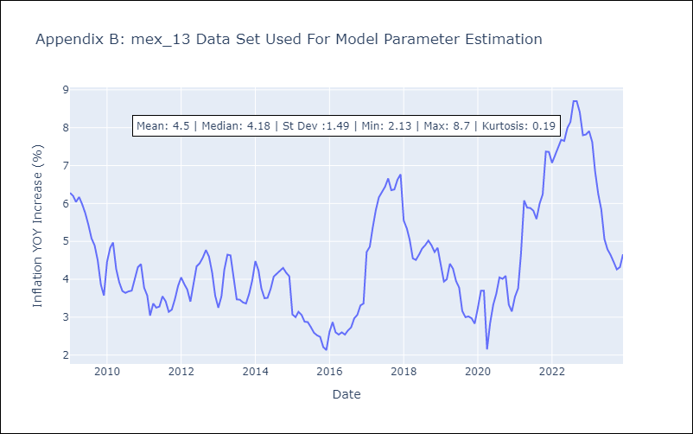

Appendix C: Residuals Analysis
Mean | 0.87
White Noise? | No - Correlation at Lags [ 1 2 3 4 5 6 7 8 9 10 11 12]
Normal? | No

