mex
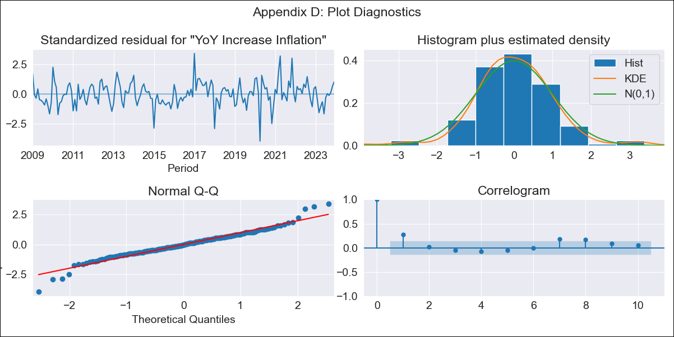
mex - Inflation - Next 12 months forecast as of: 2023-12-01

Model | VARMAX - (1, 1, 0, 0, 0, 1, 12) | Exogenous Variables | Core, Non-Core, Monthly Wage Adjustment, Montery Base, Monthly Expenditures, 3-month fixed deposit interest rates
Training Data | 2009-01-01 to 2023-01-01
Test Data | 2023-01-01 to 2023-12-01

Date | Inflation Change YoY % | Lower Bound - 95% Confidence Interval | Upper Bound - 95% Confidence Interval
2024-01-01 | 4.59 | 3.84 | 5.34
2024-02-01 | 4.52 | 3.49 | 5.56
2024-03-01 | 4.47 | 3.22 | 5.72
2024-04-01 | 4.42 | 3 | 5.84
2024-05-01 | 4.39 | 2.82 | 5.95
2024-06-01 | 4.36 | 2.67 | 6.05
2024-07-01 | 4.34 | 2.54 | 6.15
2024-08-01 | 4.33 | 2.42 | 6.25
2024-09-01 | 4.33 | 2.31 | 6.35
2024-10-01 | 4.33 | 2.22 | 6.45
2024-11-01 | 4.34 | 2.14 | 6.55
2024-12-01 | 4.36 | 2.06 | 6.65

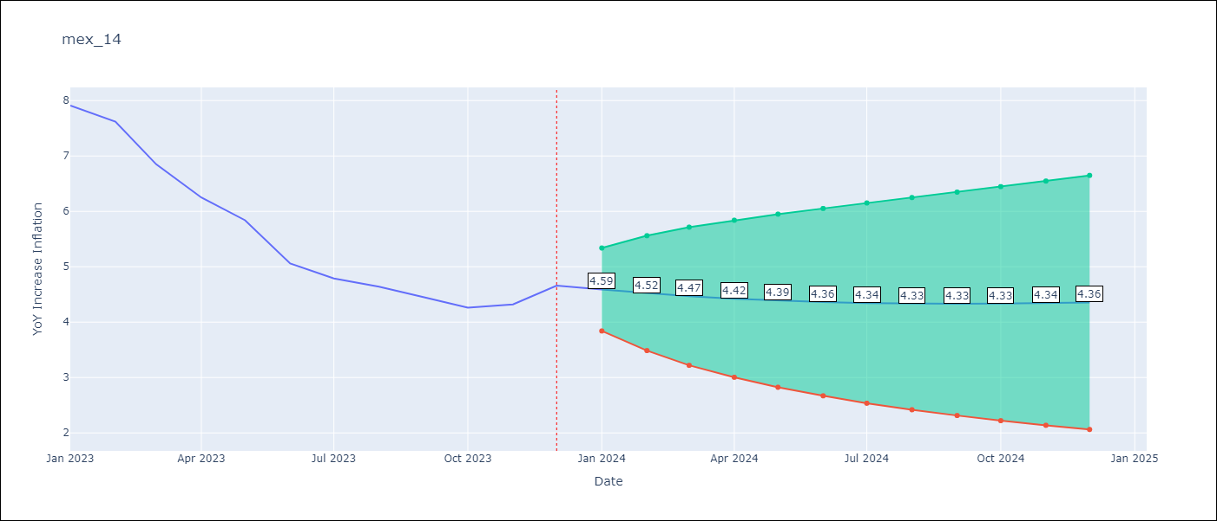

Test Metrics
RMSE | 1.78
Naive RMSE | 2.59
MAPE | 39.09%

Test Predictions
Date | Predicted | Actual
2023-01-01 | 7.12 | 7.91
2023-02-01 | 6.19 | 7.62
2023-03-01 | 5.33 | 6.85
2023-04-01 | 4.61 | 6.25
2023-05-01 | 4.03 | 5.84
2023-06-01 | 3.56 | 5.06
2023-07-01 | 3.18 | 4.79
2023-08-01 | 2.86 | 4.64
2023-09-01 | 2.59 | 4.45
2023-10-01 | 2.36 | 4.26
2023-11-01 | 2.15 | 4.32
2023-12-01 | 1.97 | 4.66

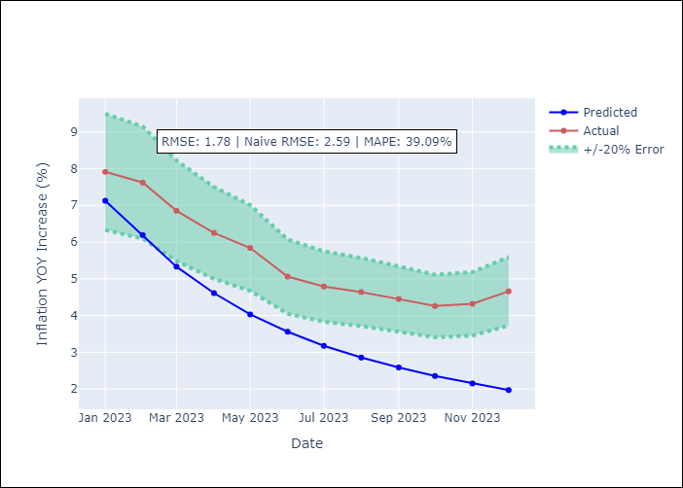

Appendix A: Model Summary
Model | VAR(1)
Sample | - 12-01-2023opg
No. of Observations | 180
Terms | P-value (Statistical significance)
L1.YoY Increase Inflation | 0.357
L1.Core | 0.576
L1.Non-Core | 0.568
L1.Monthly Wage Adjustment | 0.700
L1.Montery Base | 0.149
L1.Monthly Expenditures | 0.783
L1.3-month fixed deposit interest rates | 0.726
Assumptions | P-value
Ljung-Box (L1) | 0.00, 0.16, 0.12, 0.25, 0.01, 0.89, 0.00
Heteroskedasticity | 0.06, 0.19, 0.44, 0.00, 0.69, 0.42, 0.00
Jarque-Bera | 0.00, 0.00, 0.00, 0.00, 0.00, 0.00, 0.00
Skew | -0.05, -0.81, 0.44, -0.45, 0.52, 0.22, 2.09
Kurtosis | 5.22, 6.50, 4.06, 6.14, 5.03, 9.06, 14.13

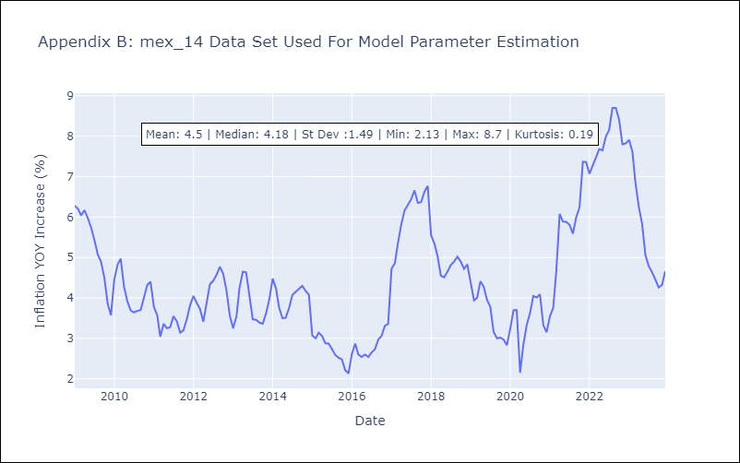

Appendix C: Residuals Analysis
Mean | 0.03
White Noise? | Yes
Normal? | No

