mex
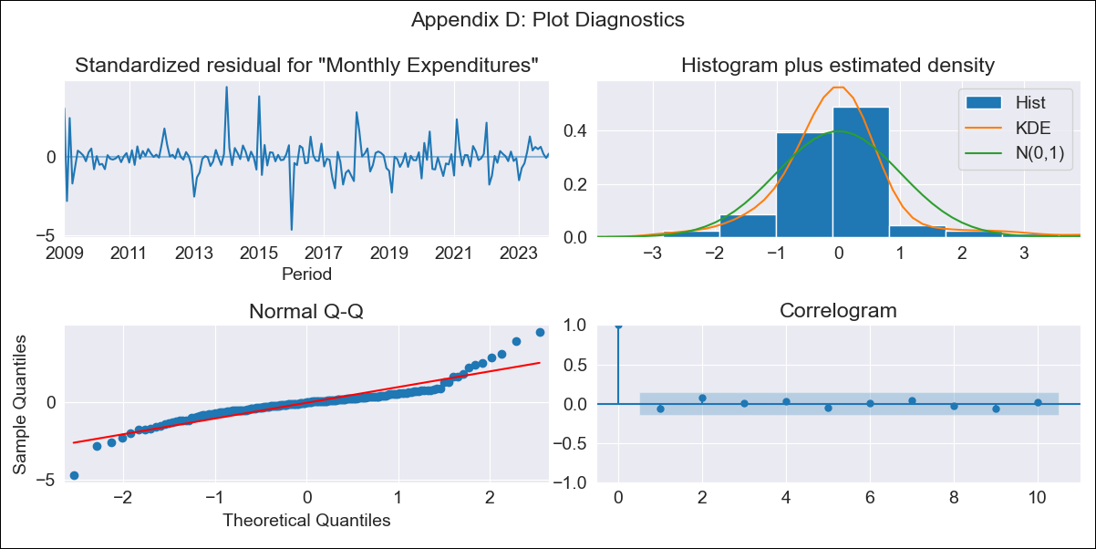
mex - Inflation - Next 12 months forecast as of: 2023-12-01

Model | VARMAX - (1, 0, 1, 2, 0, 0, 12) | Exogenous Variables | Montery Base, Monthly Wage Adjustment, YoY Increase Inflation
Training Data | 2009-01-01 to 2023-01-01
Test Data | 2023-01-01 to 2023-12-01

Date | Inflation Change YoY % | Lower Bound - 95% Confidence Interval | Upper Bound - 95% Confidence Interval
2024-01-01 | 0.06 | -0.01 | 0.13
2024-02-01 | 0.06 | -0.03 | 0.15
2024-03-01 | 0.06 | -0.04 | 0.16
2024-04-01 | 0.07 | -0.04 | 0.17
2024-05-01 | 0.07 | -0.04 | 0.18
2024-06-01 | 0.07 | -0.04 | 0.18
2024-07-01 | 0.08 | -0.04 | 0.19
2024-08-01 | 0.08 | -0.04 | 0.19
2024-09-01 | 0.08 | -0.03 | 0.19
2024-10-01 | 0.08 | -0.03 | 0.19
2024-11-01 | 0.08 | -0.03 | 0.2
2024-12-01 | 0.08 | -0.03 | 0.2

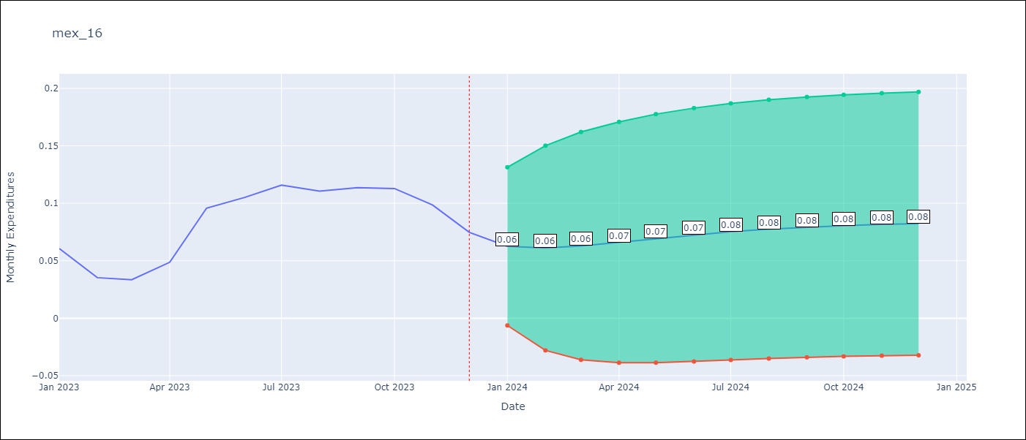

Test Metrics
RMSE | 0.04
Naive RMSE | 0.05
MAPE | 70.85%

Test Predictions
Date | Predicted | Actual
2023-01-01 | 0.1 | 0.06
2023-02-01 | 0.1 | 0.04
2023-03-01 | 0.11 | 0.03
2023-04-01 | 0.11 | 0.05
2023-05-01 | 0.12 | 0.1
2023-06-01 | 0.12 | 0.11
2023-07-01 | 0.12 | 0.12
2023-08-01 | 0.12 | 0.11
2023-09-01 | 0.12 | 0.11
2023-10-01 | 0.12 | 0.11
2023-11-01 | 0.12 | 0.1
2023-12-01 | 0.12 | 0.07

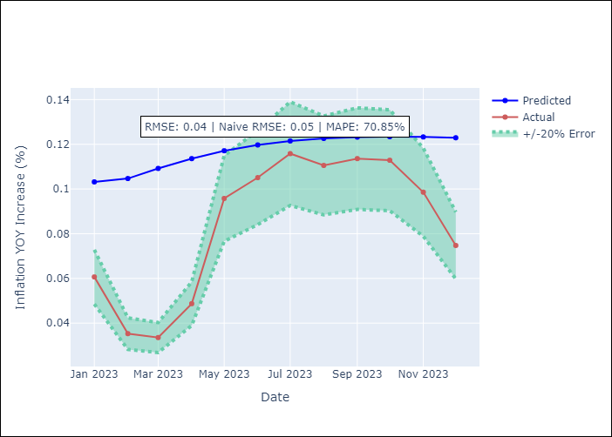

Appendix A: Model Summary
Model | VARMA(1,1)
Sample | 01-01-2009- 12-01-2023
No. of Observations | 180
Terms | P-value (Statistical significance)
intercept | 0.532
L1.Monthly Expenditures | 0.000
L1.Montery Base | 0.838
L1.Monthly Wage Adjustment | 0.602
L1.YoY Increase Inflation | 0.277
L1.e(Monthly Expenditures) | 0.872
L1.e(Montery Base) | 0.423
L1.e(Monthly Wage Adjustment) | 0.958
L1.e(YoY Increase Inflation) | 0.929
Assumptions | P-value
Ljung-Box (L1) | 0.42, 0.81, 0.27, 0.73
Heteroskedasticity | 0.62, 0.85, 0.00, 0.00
Jarque-Bera | 0.00, 0.00, 0.00, 0.00
Skew | 0.44, 0.31, 1.44, 0.07
Kurtosis | 8.78, 4.92, 10.51, 7.06

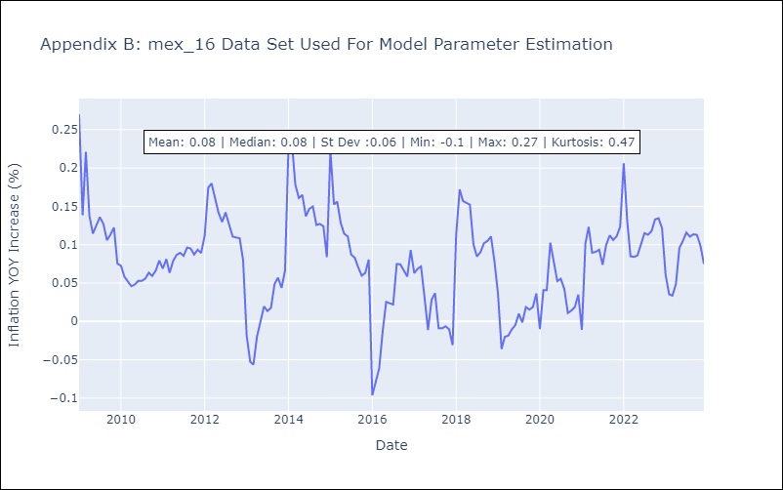

Appendix C: Residuals Analysis
Mean | -0.0
White Noise? | Yes
Normal? | No

