mex
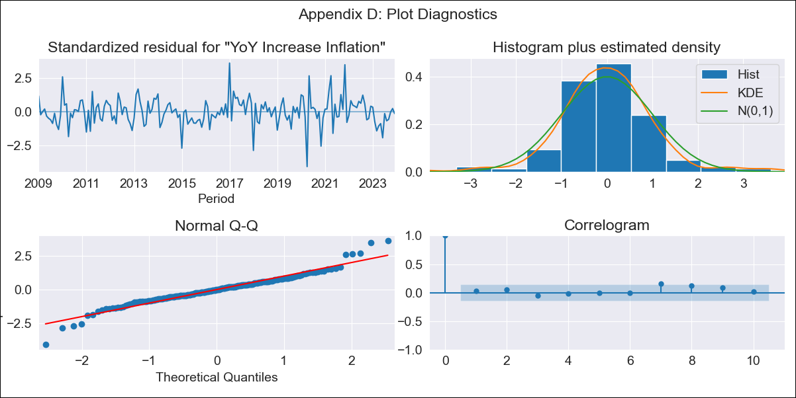
mex - Inflation - Next 12 months forecast as of: 2023-12-01

Model | VARMAX - (1, 0, 1, 2, 0, 0, 12) | Exogenous Variables | Monthly Expenditures, Montery Base, Monthly Wage Adjustment
Training Data | 2009-01-01 to 2023-01-01
Test Data | 2023-01-01 to 2023-12-01

Date | Inflation Change YoY % | Lower Bound - 95% Confidence Interval | Upper Bound - 95% Confidence Interval
2024-01-01 | 4.79 | 4.08 | 5.49
2024-02-01 | 4.78 | 3.65 | 5.92
2024-03-01 | 4.77 | 3.36 | 6.18
2024-04-01 | 4.74 | 3.13 | 6.36
2024-05-01 | 4.71 | 2.93 | 6.49
2024-06-01 | 4.68 | 2.77 | 6.6
2024-07-01 | 4.65 | 2.62 | 6.68
2024-08-01 | 4.63 | 2.5 | 6.75
2024-09-01 | 4.6 | 2.39 | 6.81
2024-10-01 | 4.58 | 2.29 | 6.86
2024-11-01 | 4.55 | 2.2 | 6.9
2024-12-01 | 4.54 | 2.13 | 6.94

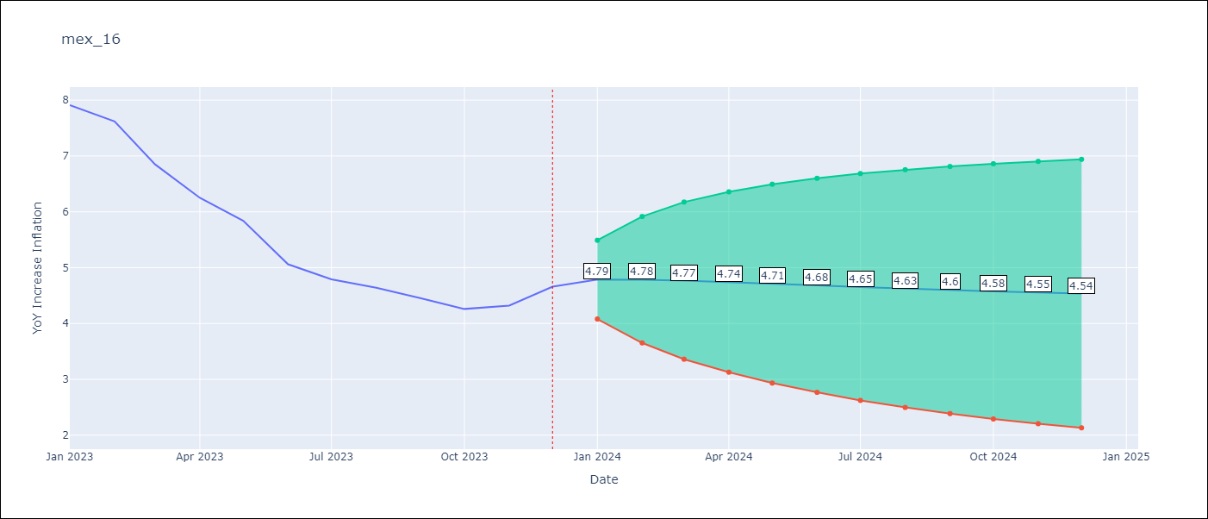

Test Metrics
RMSE | 2.06
Naive RMSE | 2.59
MAPE | 41.32%

Test Predictions
Date | Predicted | Actual
2023-01-01 | 7.97 | 7.91
2023-02-01 | 7.91 | 7.62
2023-03-01 | 7.81 | 6.85
2023-04-01 | 7.7 | 6.25
2023-05-01 | 7.59 | 5.84
2023-06-01 | 7.47 | 5.06
2023-07-01 | 7.35 | 4.79
2023-08-01 | 7.24 | 4.64
2023-09-01 | 7.12 | 4.45
2023-10-01 | 7.01 | 4.26
2023-11-01 | 6.9 | 4.32
2023-12-01 | 6.79 | 4.66

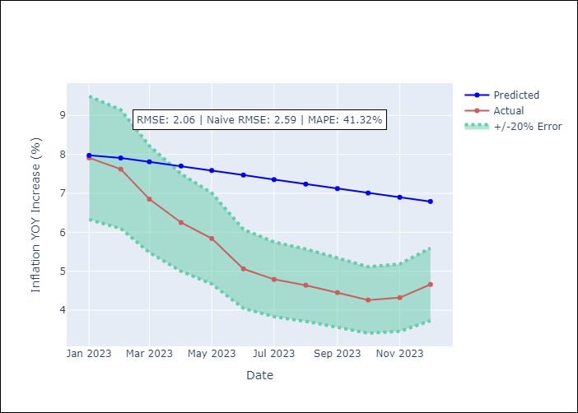

Appendix A: Model Summary
Model | VARMA(1,1)
Sample | 01-01-2009- 12-01-2023
No. of Observations | 180
Terms | P-value (Statistical significance)
intercept | 0.831
L1.YoY Increase Inflation | 0.000
L1.Monthly Expenditures | 0.808
L1.Montery Base | 0.131
L1.Monthly Wage Adjustment | 0.759
L1.e(YoY Increase Inflation) | 0.004
L1.e(Monthly Expenditures) | 0.423
L1.e(Montery Base) | 0.737
L1.e(Monthly Wage Adjustment) | 0.628
Assumptions | P-value
Ljung-Box (L1) | 0.63, 0.29, 0.87, 0.80
Heteroskedasticity | 0.02, 0.54, 0.40, 0.00
Jarque-Bera | 0.00, 0.00, 0.00, 0.00
Skew | 0.05, 0.41, 0.56, 1.43
Kurtosis | 5.77, 8.93, 6.17, 10.47

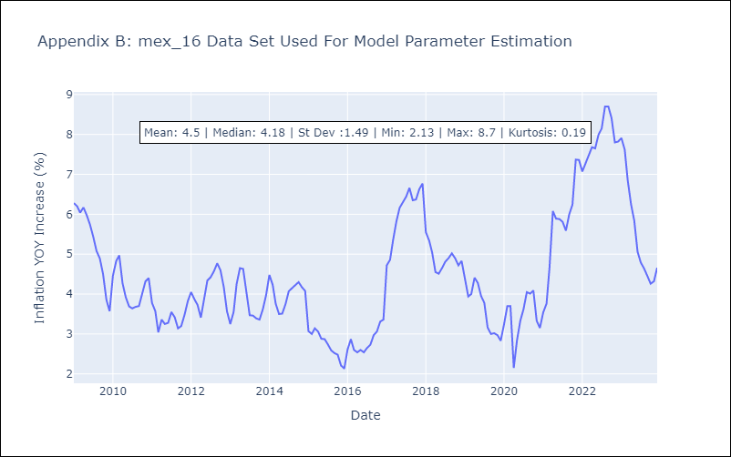

Appendix C: Residuals Analysis
Mean | 0.0
White Noise? | No - Correlation at Lags [12]
Normal? | No

