mex
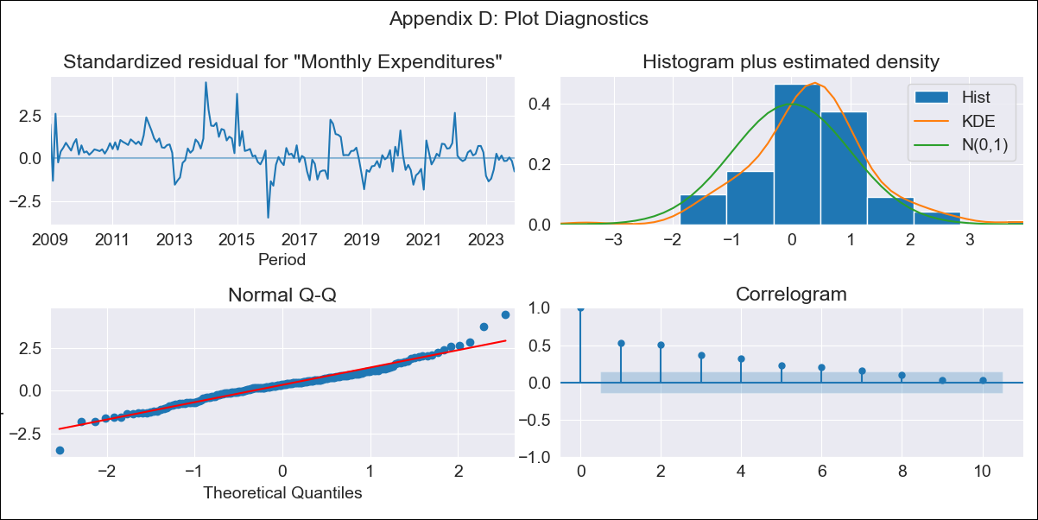
mex - Inflation - Next 12 months forecast as of: 2023-12-01

Model | VARMAX - (1, 0, 1, 2, 0, 0, 12) | Exogenous Variables | Montery Base, Monthly Wage Adjustment, 3-month fixed deposit interest rates, Minimum Wage, Exchange rate
Training Data | 2009-01-01 to 2023-01-01
Test Data | 2023-01-01 to 2023-12-01

Date | Inflation Change YoY % | Lower Bound - 95% Confidence Interval | Upper Bound - 95% Confidence Interval
2024-01-01 | 0.12 | 0.03 | 0.21
2024-02-01 | 0.08 | -0.1 | 0.27
2024-03-01 | 0.08 | -0.12 | 0.28
2024-04-01 | 0.07 | -0.13 | 0.27
2024-05-01 | 0.07 | -0.14 | 0.27
2024-06-01 | 0.07 | -0.14 | 0.27
2024-07-01 | 0.07 | -0.14 | 0.27
2024-08-01 | 0.06 | -0.14 | 0.27
2024-09-01 | 0.06 | -0.14 | 0.27
2024-10-01 | 0.06 | -0.14 | 0.27
2024-11-01 | 0.06 | -0.14 | 0.27
2024-12-01 | 0.06 | -0.14 | 0.27

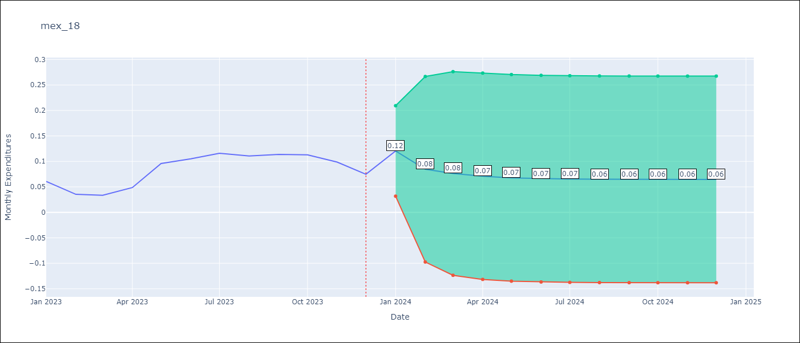

Test Metrics
RMSE | 0.03
Naive RMSE | 0.05
MAPE | 48.16%

Test Predictions
Date | Predicted | Actual
2023-01-01 | 0.09 | 0.06
2023-02-01 | 0.09 | 0.04
2023-03-01 | 0.09 | 0.03
2023-04-01 | 0.09 | 0.05
2023-05-01 | 0.09 | 0.1
2023-06-01 | 0.09 | 0.11
2023-07-01 | 0.09 | 0.12
2023-08-01 | 0.09 | 0.11
2023-09-01 | 0.09 | 0.11
2023-10-01 | 0.09 | 0.11
2023-11-01 | 0.09 | 0.1
2023-12-01 | 0.09 | 0.07

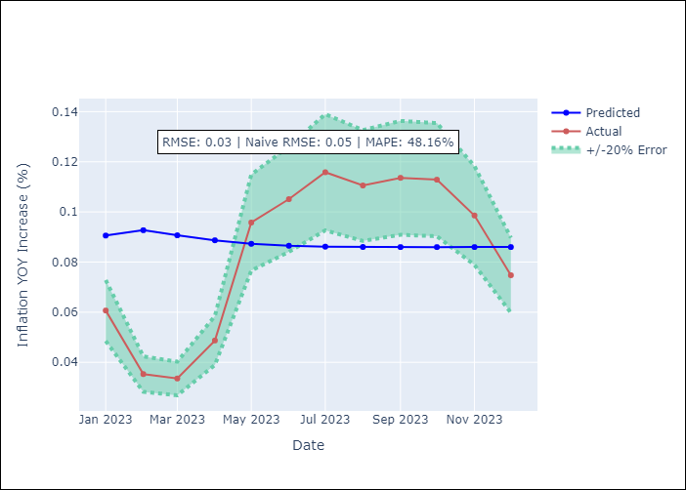

Appendix A: Model Summary
Model | VARMA(1,1)
Sample | 01-01-2009- 12-01-2023
No. of Observations | 180
Terms | P-value (Statistical significance)
intercept | 0.993
L1.Monthly Expenditures | 0.972
L1.Montery Base | 0.992
L1.Monthly Wage Adjustment | 0.997
L1.3-month fixed deposit interest rates | 0.997
L1.Minimum Wage | 0.998
L1.Exchange rate | 0.987
L1.e(Monthly Expenditures) | 0.963
L1.e(Montery Base) | 0.998
L1.e(Monthly Wage Adjustment) | 0.998
L1.e(3-month fixed deposit interest rates) | 0.996
L1.e(Minimum Wage) | 0.957
L1.e(Exchange rate ) | 0.985
Assumptions | P-value
Ljung-Box (L1) | 0.00, 0.00, 0.00, 0.00, 0.00, 0.00
Heteroskedasticity | 0.08, 0.13, 0.00, 0.00, 0.75, 0.15
Jarque-Bera | 0.00, 0.00, 0.07, 0.00, 0.00, 0.03
Skew | 0.30, 0.67, -0.10, 0.78, -0.80, 0.23
Kurtosis | 5.25, 3.68, 3.82, 3.69, 3.27, 2.17

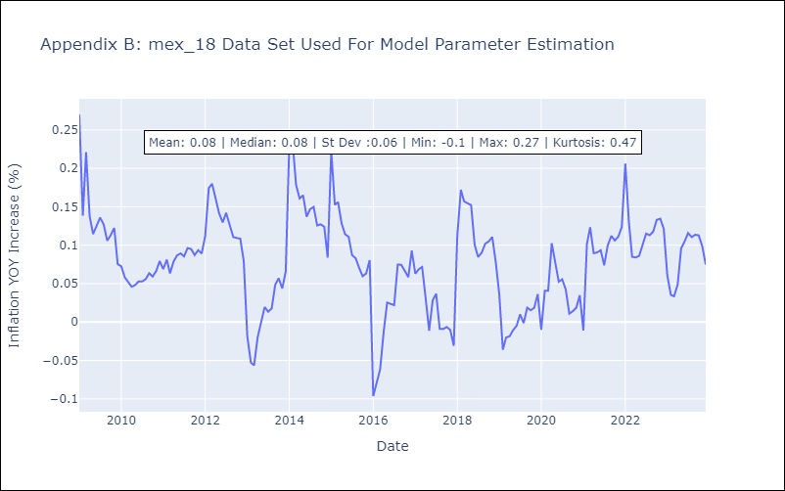

Appendix C: Residuals Analysis
Mean | 0.02
White Noise? | No - Correlation at Lags [ 1 2 3 4 5 6 7 8 9 10 11 12]
Normal? | No

