mex
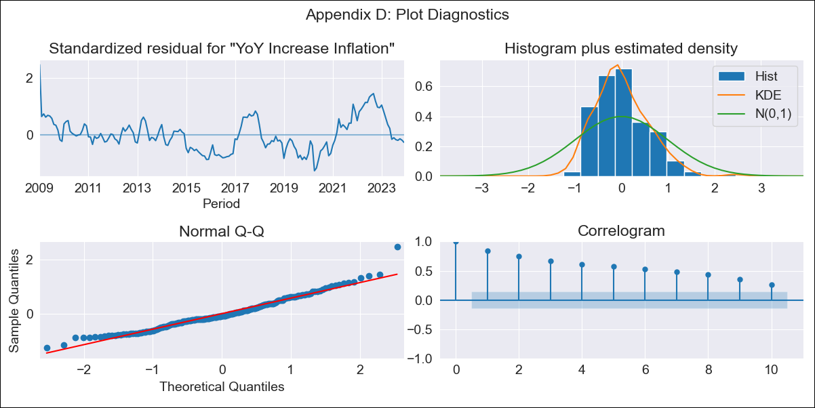
mex - Inflation - Next 12 months forecast as of: 2023-12-01

Model | VARMAX - (1, 1, 0, 0, 0, 1, 12) | Exogenous Variables | Monthly Expenditures, Montery Base, Monthly Wage Adjustment, 3-month fixed deposit interest rates, Minimum Wage, Exchange rate
Training Data | 2009-01-01 to 2023-01-01
Test Data | 2023-01-01 to 2023-12-01

Date | Inflation Change YoY % | Lower Bound - 95% Confidence Interval | Upper Bound - 95% Confidence Interval
2024-01-01 | 4.84 | 1.39 | 8.3
2024-02-01 | 4.36 | 0.58 | 8.15
2024-03-01 | 3.88 | -0.1 | 7.86
2024-04-01 | 3.47 | -0.69 | 7.62
2024-05-01 | 3.11 | -1.2 | 7.42
2024-06-01 | 2.8 | -1.64 | 7.24
2024-07-01 | 2.52 | -2.03 | 7.07
2024-08-01 | 2.27 | -2.37 | 6.91
2024-09-01 | 2.05 | -2.66 | 6.76
2024-10-01 | 1.85 | -2.92 | 6.62
2024-11-01 | 1.67 | -3.15 | 6.48
2024-12-01 | 1.5 | -3.35 | 6.35

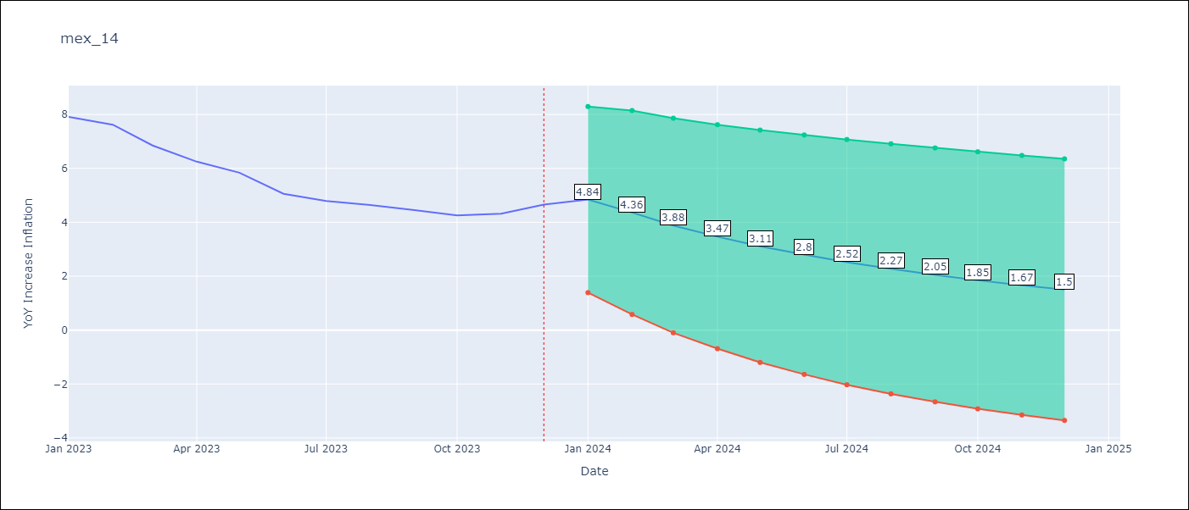

Test Metrics
RMSE | 0.93
Naive RMSE | 2.59
MAPE | 29.15%

Test Predictions
Date | Predicted | Actual
2023-01-01 | 7.82 | 7.91
2023-02-01 | 7.65 | 7.62
2023-03-01 | 7.4 | 6.85
2023-04-01 | 7.1 | 6.25
2023-05-01 | 6.8 | 5.84
2023-06-01 | 6.48 | 5.06
2023-07-01 | 6.17 | 4.79
2023-08-01 | 5.87 | 4.64
2023-09-01 | 5.59 | 4.45
2023-10-01 | 5.31 | 4.26
2023-11-01 | 5.06 | 4.32
2023-12-01 | 4.81 | 4.66

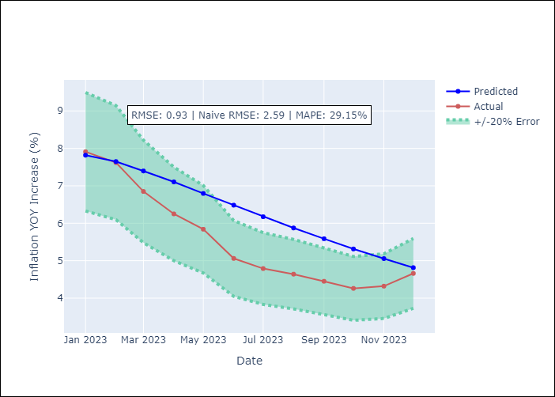

Appendix A: Model Summary
Model | VAR(1)
Sample | - 12-01-2023opg
No. of Observations | 180
Terms | P-value (Statistical significance)
L1.YoY Increase Inflation | 0.773
L1.Monthly Expenditures | 0.828
L1.Montery Base | 0.970
L1.Monthly Wage Adjustment | 0.877
L1.3-month fixed deposit interest rates | 0.985
L1.Minimum Wage | 0.884
L1.Exchange rate | 0.797
Assumptions | P-value
Ljung-Box (L1) | 0.00, 0.00, 0.00, 0.00, 0.00, 0.00, 0.01
Heteroskedasticity | 0.00, 0.02, 0.00, 0.00, 0.00, 0.52, 0.00
Jarque-Bera | 0.00, 0.02, 0.00, 0.00, 0.00, 0.00, 0.00
Skew | 0.70, 0.15, 0.66, 1.17, 1.34, 0.70, 1.71
Kurtosis | 4.11, 4.00, 2.88, 7.37, 6.24, 3.21, 11.49

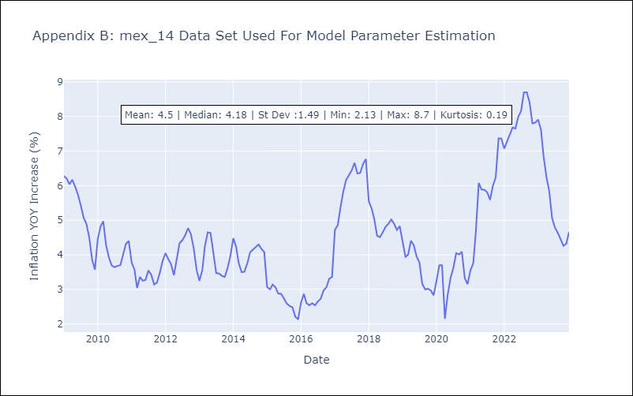

Appendix C: Residuals Analysis
Mean | 0.03
White Noise? | No - Correlation at Lags [ 1 2 3 4 5 6 7 8 9 10 11 12]
Normal? | No

