mex

mex - Inflation - Next 12 months forecast as of: 2023-12-01

Model | VARMAX - (1, 1, 0, 0, 0, 1, 12) | Exogenous Variables | Minimum Wage
Training Data | 2009-01-01 to 2023-01-01
Test Data | 2023-01-01 to 2023-12-01

Date | Inflation Change YoY % | Lower Bound - 95% Confidence Interval | Upper Bound - 95% Confidence Interval
2024-01-01 | 4.67 | 3.89 | 5.44
2024-02-01 | 4.68 | 3.58 | 5.77
2024-03-01 | 4.68 | 3.35 | 6.01
2024-04-01 | 4.68 | 3.16 | 6.21
2024-05-01 | 4.69 | 2.99 | 6.39
2024-06-01 | 4.69 | 2.83 | 6.54
2024-07-01 | 4.69 | 2.69 | 6.68
2024-08-01 | 4.68 | 2.56 | 6.81
2024-09-01 | 4.68 | 2.44 | 6.92
2024-10-01 | 4.68 | 2.33 | 7.03
2024-11-01 | 4.67 | 2.22 | 7.13
2024-12-01 | 4.67 | 2.11 | 7.23

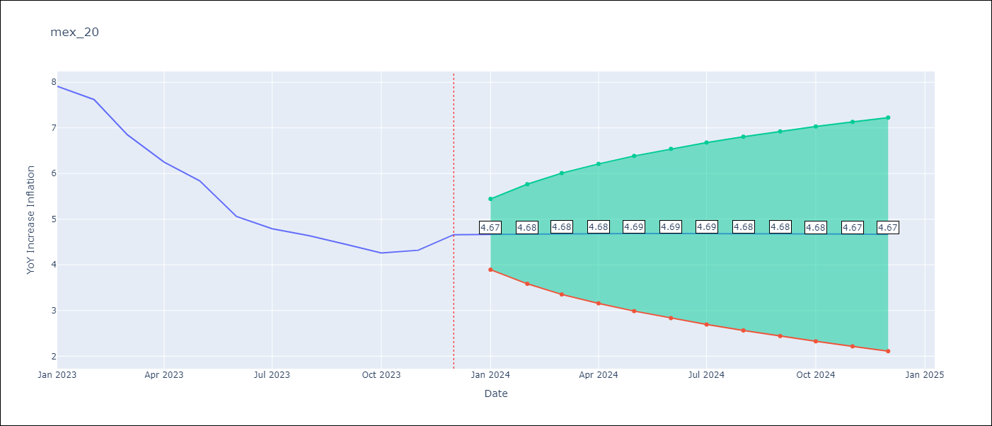

Test Metrics
RMSE | 2.35
Naive RMSE | 2.59
MAPE | 44.16%

Test Predictions
Date | Predicted | Actual
2023-01-01 | 7.79 | 7.91
2023-02-01 | 7.75 | 7.62
2023-03-01 | 7.72 | 6.85
2023-04-01 | 7.69 | 6.25
2023-05-01 | 7.66 | 5.84
2023-06-01 | 7.62 | 5.06
2023-07-01 | 7.59 | 4.79
2023-08-01 | 7.56 | 4.64
2023-09-01 | 7.52 | 4.45
2023-10-01 | 7.49 | 4.26
2023-11-01 | 7.46 | 4.32
2023-12-01 | 7.43 | 4.66

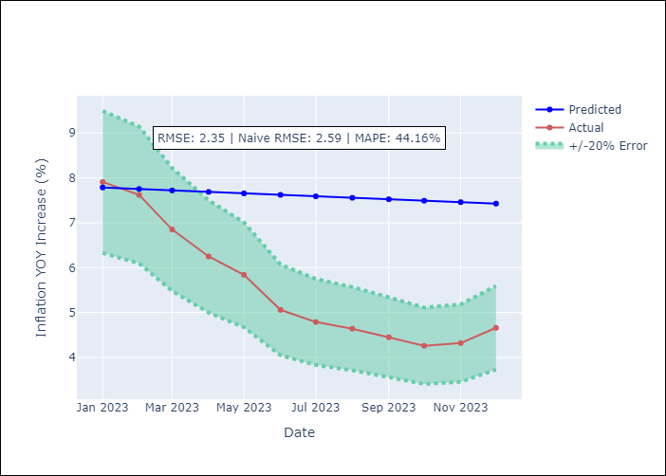

Appendix A: Model Summary
Model | VAR(1)
Sample | - 12-01-2023opg
No. of Observations | 180
Terms | P-value (Statistical significance)
L1.YoY Increase Inflation | 0.000
L1.Minimum Wage | 0.506
Assumptions | P-value
Ljung-Box (L1) | 0.00, 0.00
Heteroskedasticity | 0.02, 0.00
Jarque-Bera | 0.00, 0.00
Skew | -0.02, 2.29
Kurtosis | 5.63, 33.81

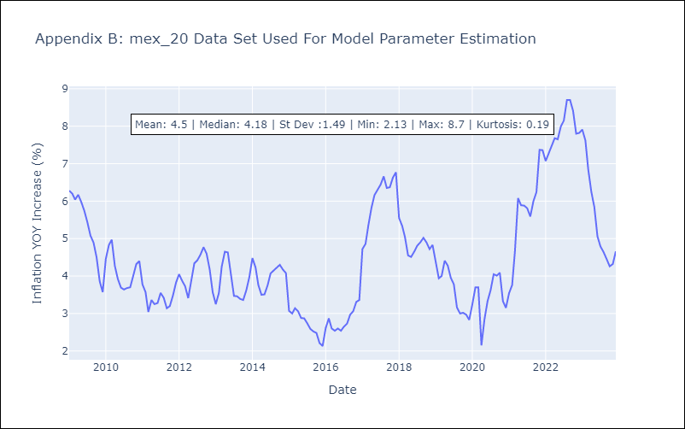

Appendix C: Residuals Analysis
Mean | 0.05
White Noise? | Yes
Normal? | No

