chl
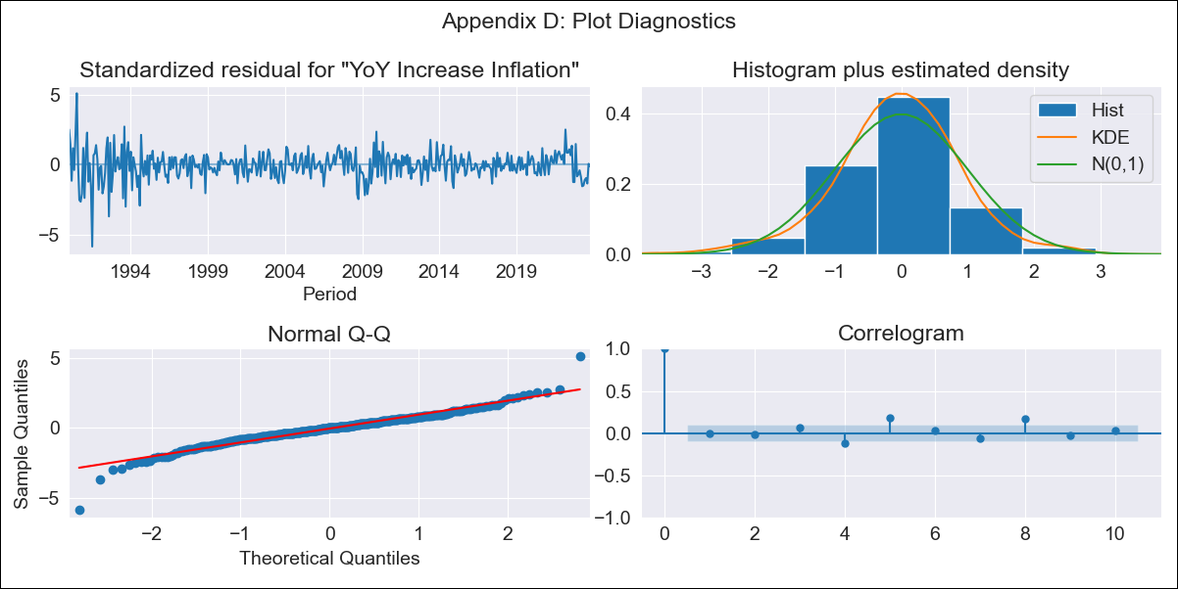
chl - Inflation - Next 12 months forecast as of: 2023-10-01

Model | VARMAX - (3, 2, 3, 2, 0, 0, 12) | Exogenous Variables | Unemployment rate
Training Data | 1990-01-01 to 2022-11-01
Test Data | 2022-11-01 to 2023-10-01

Date | Inflation Change YoY % | Lower Bound - 95% Confidence Interval | Upper Bound - 95% Confidence Interval
2023-11-01 | 4.95 | 3.75 | 6.15
2023-12-01 | 4.98 | 3 | 6.96
2024-01-01 | 4.99 | 2.32 | 7.65
2024-02-01 | 5 | 1.75 | 8.24
2024-03-01 | 5.01 | 1.32 | 8.7
2024-04-01 | 5.02 | 0.95 | 9.09
2024-05-01 | 5.03 | 0.6 | 9.46
2024-06-01 | 5.04 | 0.28 | 9.79
2024-07-01 | 5.04 | 0 | 10.09
2024-08-01 | 5.05 | -0.27 | 10.37
2024-09-01 | 5.06 | -0.52 | 10.64
2024-10-01 | 5.06 | -0.76 | 10.89

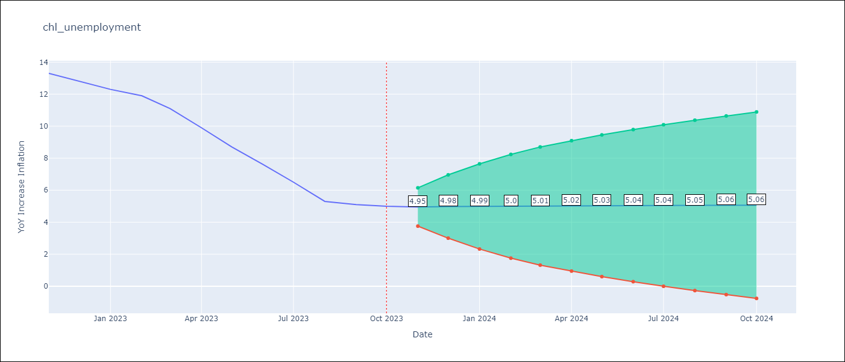

Test Metrics
RMSE | 4.22
Naive RMSE | 4.77
MAPE | 53.32%

Test Predictions
Date | Predicted | Actual
2022-11-01 | 12.11 | 13.3
2022-12-01 | 11.8 | 12.8
2023-01-01 | 12.2 | 12.3
2023-02-01 | 12.44 | 11.9
2023-03-01 | 12.16 | 11.1
2023-04-01 | 11.91 | 9.9
2023-05-01 | 12.05 | 8.7
2023-06-01 | 12.23 | 7.6
2023-07-01 | 12.12 | 6.5
2023-08-01 | 11.95 | 5.3
2023-09-01 | 11.98 | 5.1
2023-10-01 | 12.08 | 5

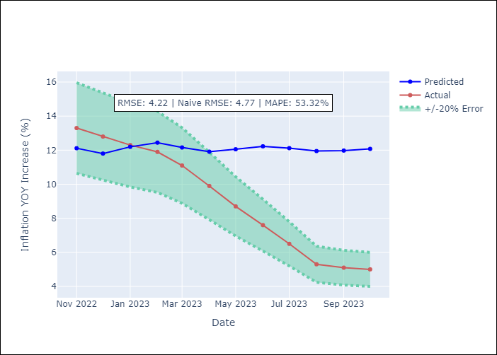

Appendix A: Model Summary
Model | VARMA(3,3)
Sample | - 10-01-2023opg
No. of Observations | 406
Terms | P-value (Statistical significance)
L1.YoY Increase Inflation | 0.012
L1.Unemployment rate | 0.991
L2.YoY Increase Inflation | 0.437
L2.Unemployment rate | 0.797
L3.YoY Increase Inflation | 0.072
L3.Unemployment rate | 0.446
L1.e(YoY Increase Inflation) | 0.452
L1.e(Unemployment rate) | 0.974
L2.e(YoY Increase Inflation) | 0.004
L2.e(Unemployment rate) | 0.862
L3.e(YoY Increase Inflation) | 0.014
L3.e(Unemployment rate) | 0.999
Assumptions | P-value
Ljung-Box (L1) | 0.91, 0.94
Heteroskedasticity | 0.00, 0.95
Jarque-Bera | 0.00, 0.00
Skew | -0.36, 0.48
Kurtosis | 7.59, 6.45

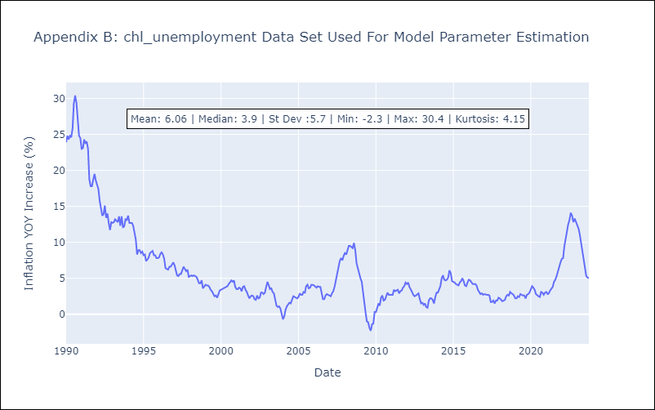

Appendix C: Residuals Analysis
Mean | 0.03
White Noise? | Yes
Normal? | No

