chl

chl - Inflation - Next 12 months forecast as of: 2023-10-01

Model | VARMAX - (2, 1, 2, 0, 0, 1, 12) | Exogenous Variables | Price of Silver dollars per ounce
Training Data | 2010-01-01 to 2022-11-01
Test Data | 2022-11-01 to 2023-10-01

Date | Inflation Change YoY % | Lower Bound - 95% Confidence Interval | Upper Bound - 95% Confidence Interval
2023-11-01 | 4.66 | 3.81 | 5.5
2023-12-01 | 4.29 | 2.88 | 5.7
2024-01-01 | 3.95 | 2.05 | 5.85
2024-02-01 | 3.64 | 1.28 | 6
2024-03-01 | 3.35 | 0.56 | 6.14
2024-04-01 | 3.09 | -0.1 | 6.28
2024-05-01 | 2.85 | -0.72 | 6.42
2024-06-01 | 2.63 | -1.29 | 6.55
2024-07-01 | 2.43 | -1.82 | 6.68
2024-08-01 | 2.24 | -2.31 | 6.79
2024-09-01 | 2.07 | -2.76 | 6.91
2024-10-01 | 1.92 | -3.17 | 7.01

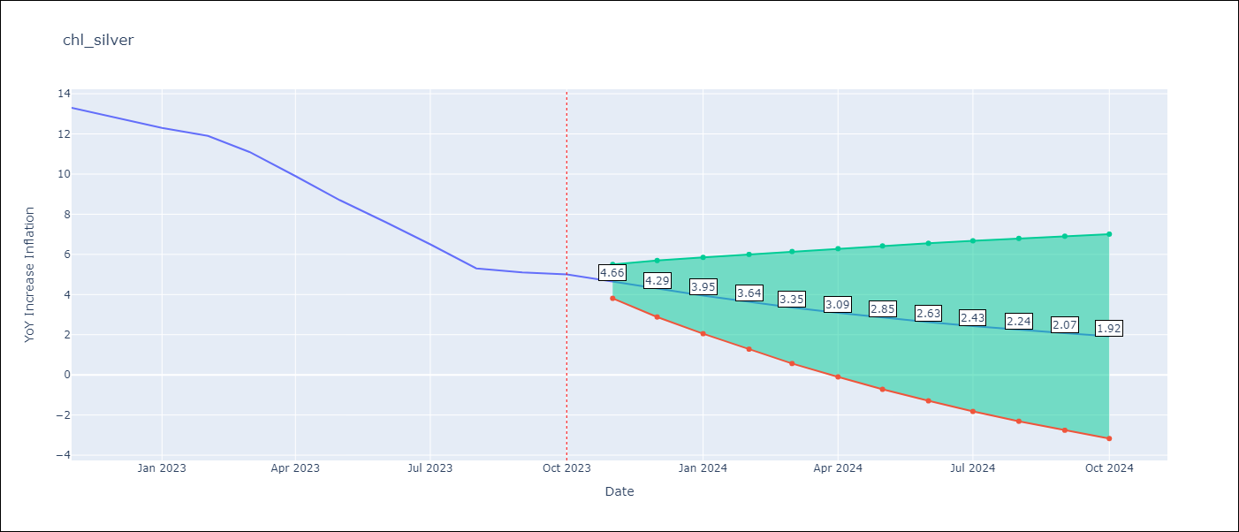

Test Metrics
RMSE | 4.41
Naive RMSE | 4.77
MAPE | 56.94%

Test Predictions
Date | Predicted | Actual
2022-11-01 | 12.64 | 13.3
2022-12-01 | 12.79 | 12.8
2023-01-01 | 12.63 | 12.3
2023-02-01 | 12.65 | 11.9
2023-03-01 | 12.55 | 11.1
2023-04-01 | 12.53 | 9.9
2023-05-01 | 12.45 | 8.7
2023-06-01 | 12.42 | 7.6
2023-07-01 | 12.35 | 6.5
2023-08-01 | 12.31 | 5.3
2023-09-01 | 12.25 | 5.1
2023-10-01 | 12.2 | 5

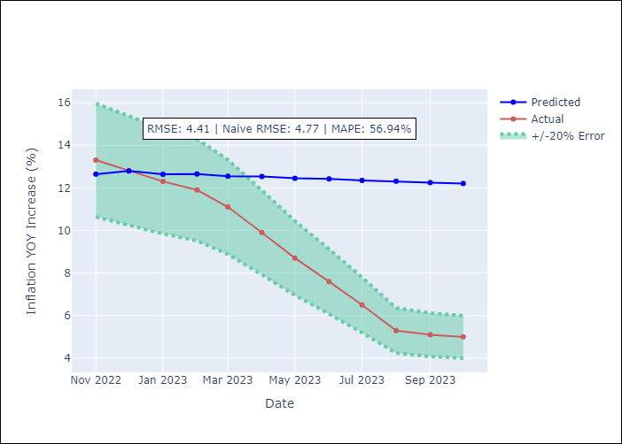

Appendix A: Model Summary
Model | VARMA(2,2)
Sample | - 10-01-2023opg
No. of Observations | 166
Terms | P-value (Statistical significance)
L1.YoY Increase Inflation | 0.000
L1.Price of Silver dollars per ounce | 0.994
L2.YoY Increase Inflation | 0.000
L2.Price of Silver dollars per ounce | 0.999
L1.e(YoY Increase Inflation) | 0.006
L1.e(Price of Silver dollars per ounce) | 0.969
L2.e(YoY Increase Inflation) | 0.476
L2.e(Price of Silver dollars per ounce) | 0.905
Assumptions | P-value
Ljung-Box (L1) | 0.89, 0.58
Heteroskedasticity | 0.93, 0.01
Jarque-Bera | 0.20, 0.00
Skew | 0.24, -0.05
Kurtosis | 3.49, 4.76

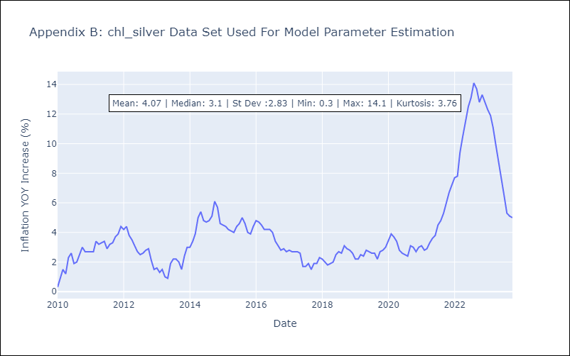

Appendix C: Residuals Analysis
Mean | 0.07
White Noise? | No - Correlation at Lags [12]
Normal? | No

