chl
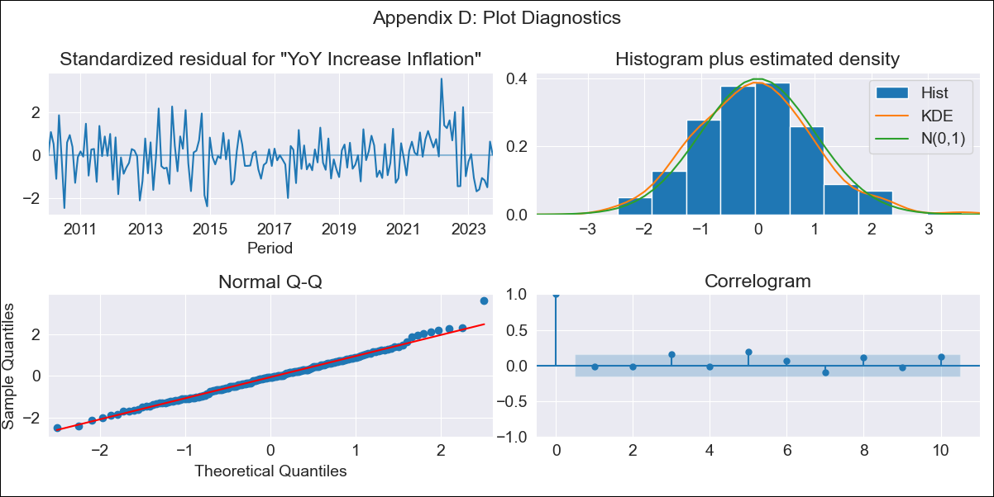
chl - Inflation - Next 12 months forecast as of: 2023-10-01

Model | VARMAX - (2, 1, 2, 0, 0, 1, 12) | Exogenous Variables | Unemployment rate, Price of Silver dollars per ounce
Training Data | 2010-01-01 to 2022-11-01
Test Data | 2022-11-01 to 2023-10-01

Date | Inflation Change YoY % | Lower Bound - 95% Confidence Interval | Upper Bound - 95% Confidence Interval
2023-11-01 | 4.92 | 4.08 | 5.77
2023-12-01 | 4.92 | 3.49 | 6.36
2024-01-01 | 4.96 | 3.03 | 6.88
2024-02-01 | 5.01 | 2.67 | 7.35
2024-03-01 | 5.06 | 2.37 | 7.76
2024-04-01 | 5.13 | 2.13 | 8.12
2024-05-01 | 5.19 | 1.94 | 8.43
2024-06-01 | 5.25 | 1.78 | 8.71
2024-07-01 | 5.3 | 1.65 | 8.96
2024-08-01 | 5.36 | 1.54 | 9.17
2024-09-01 | 5.41 | 1.45 | 9.37
2024-10-01 | 5.46 | 1.37 | 9.55

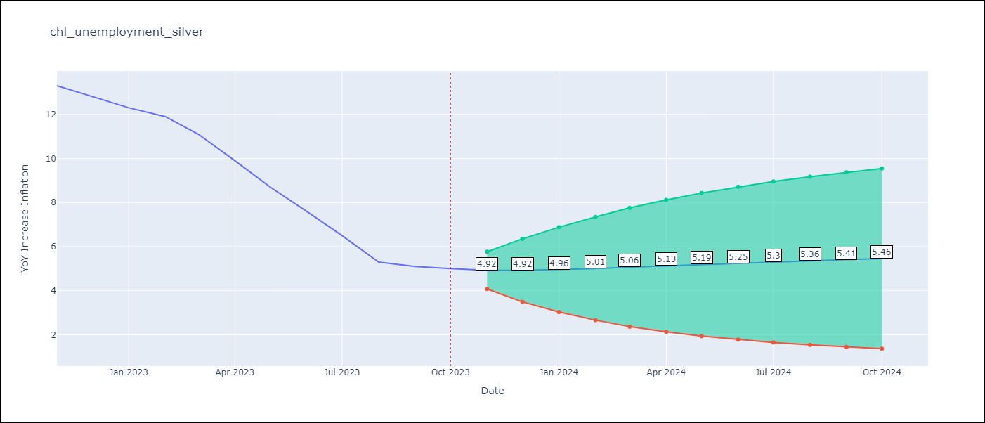

Test Metrics
RMSE | 4.51
Naive RMSE | 4.77
MAPE | 57.91%

Test Predictions
Date | Predicted | Actual
2022-11-01 | 12.72 | 13.3
2022-12-01 | 12.79 | 12.8
2023-01-01 | 12.69 | 12.3
2023-02-01 | 12.72 | 11.9
2023-03-01 | 12.64 | 11.1
2023-04-01 | 12.63 | 9.9
2023-05-01 | 12.57 | 8.7
2023-06-01 | 12.54 | 7.6
2023-07-01 | 12.49 | 6.5
2023-08-01 | 12.45 | 5.3
2023-09-01 | 12.39 | 5.1
2023-10-01 | 12.34 | 5

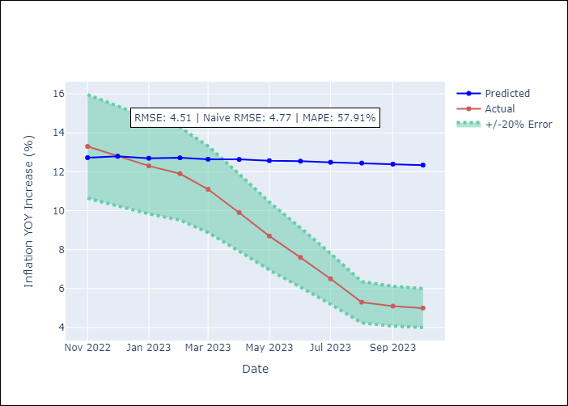

Appendix A: Model Summary
Model | VARMA(2,2)
Sample | - 10-01-2023opg
No. of Observations | 166
Terms | P-value (Statistical significance)
L1.YoY Increase Inflation | 0.000
L1.Unemployment rate | 0.890
L1.Price of Silver dollars per ounce | 0.979
L2.YoY Increase Inflation | 0.115
L2.Unemployment rate | 0.864
L2.Price of Silver dollars per ounce | 0.963
L1.e(YoY Increase Inflation) | 0.627
L1.e(Unemployment rate) | 0.843
L1.e(Price of Silver dollars per ounce) | 0.955
L2.e(YoY Increase Inflation) | 0.982
L2.e(Unemployment rate) | 0.307
L2.e(Price of Silver dollars per ounce) | 0.943
Assumptions | P-value
Ljung-Box (L1) | 0.88, 0.83, 0.77
Heteroskedasticity | 0.88, 0.18, 0.00
Jarque-Bera | 0.13, 0.00, 0.00
Skew | 0.31, 1.72, -0.01
Kurtosis | 3.45, 12.35, 4.72

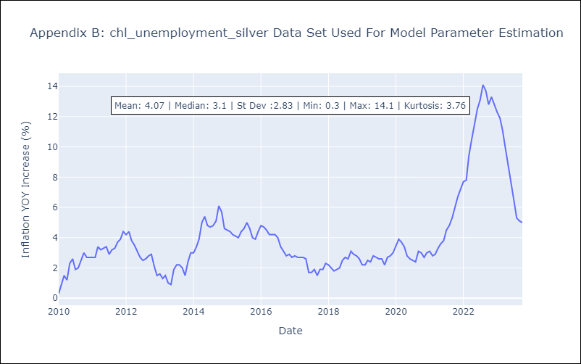

Appendix C: Residuals Analysis
Mean | -0.02
White Noise? | No - Correlation at Lags [12]
Normal? | No

