bra
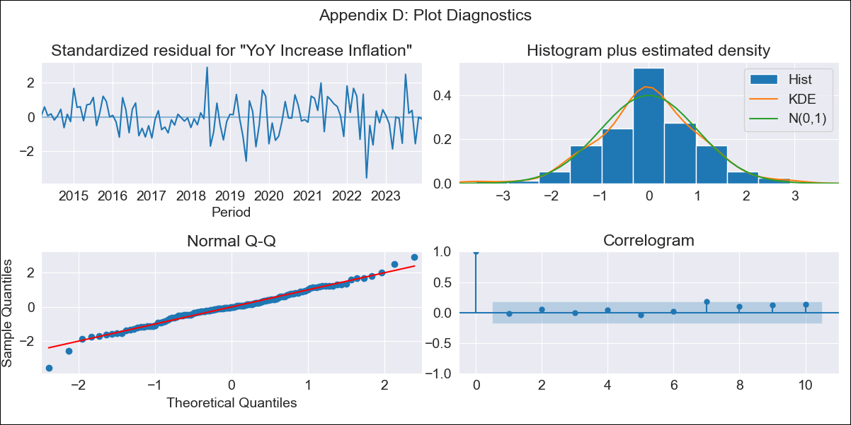
bra - Inflation - Next 12 months forecast as of: 2023-12-01

Model | VARMAX - (2, 0, 0, 3, 0, 0, 12) | Exogenous Variables | Unemployment
Training Data | 2014-03-01 to 2023-01-01
Test Data | 2023-01-01 to 2023-12-01

Date | Inflation Change YoY % | Lower Bound - 95% Confidence Interval | Upper Bound - 95% Confidence Interval
2024-01-01 | 4.66 | 3.74 | 5.57
2024-02-01 | 4.73 | 3.08 | 6.38
2024-03-01 | 4.81 | 2.54 | 7.09
2024-04-01 | 4.9 | 2.1 | 7.7
2024-05-01 | 4.98 | 1.75 | 8.21
2024-06-01 | 5.06 | 1.48 | 8.64
2024-07-01 | 5.13 | 1.26 | 8.99
2024-08-01 | 5.2 | 1.1 | 9.29
2024-09-01 | 5.26 | 0.98 | 9.54
2024-10-01 | 5.32 | 0.88 | 9.75
2024-11-01 | 5.37 | 0.81 | 9.93
2024-12-01 | 5.42 | 0.75 | 10.08

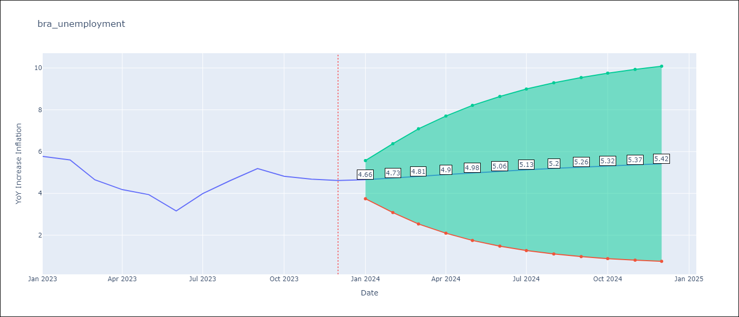

Test Metrics
RMSE | 1.41
Naive RMSE | 1.38
MAPE | 29.78%

Test Predictions
Date | Predicted | Actual
2023-01-01 | 5.74 | 5.77
2023-02-01 | 5.73 | 5.6
2023-03-01 | 5.74 | 4.65
2023-04-01 | 5.76 | 4.18
2023-05-01 | 5.78 | 3.94
2023-06-01 | 5.8 | 3.16
2023-07-01 | 5.83 | 3.99
2023-08-01 | 5.85 | 4.61
2023-09-01 | 5.88 | 5.19
2023-10-01 | 5.9 | 4.82
2023-11-01 | 5.92 | 4.68
2023-12-01 | 5.94 | 4.62

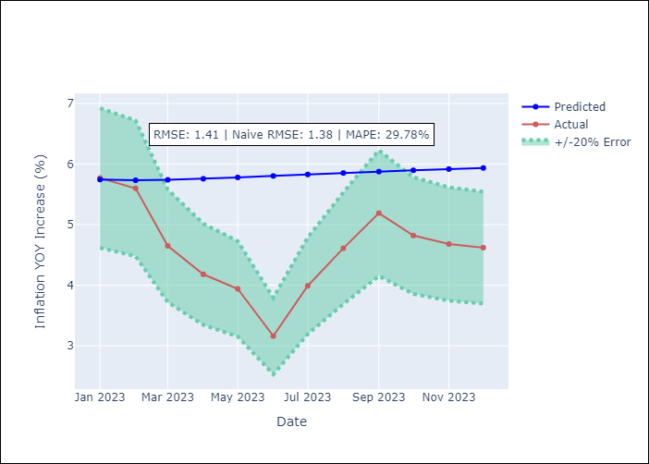

Appendix A: Model Summary
Model | VAR(2)
Sample | 03-01-2014- 12-01-2023
No. of Observations | 118
Terms | P-value (Statistical significance)
intercept | 0.023
L1.YoY Increase Inflation | 0.000
L1.Unemployment | 0.581
L2.YoY Increase Inflation | 0.000
L2.Unemployment | 0.839
Assumptions | P-value
Ljung-Box (L1) | 0.81, 0.61
Heteroskedasticity | 0.00, 0.00
Jarque-Bera | 0.06, 0.00
Skew | -0.18, 0.77
Kurtosis | 4.02, 4.11

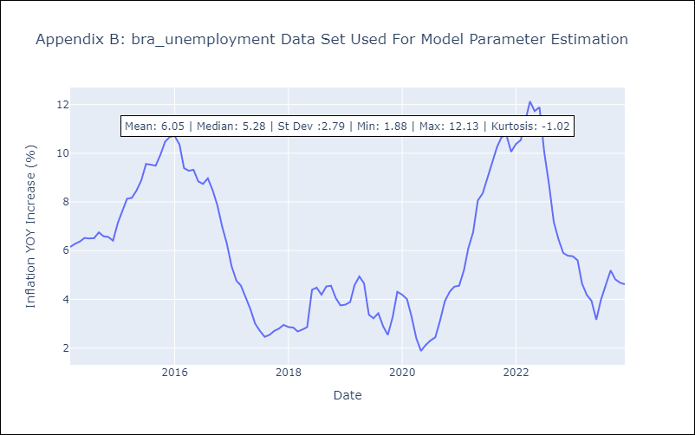

Appendix C: Residuals Analysis
Mean | 0.0
White Noise? | No - Correlation at Lags [12]
Normal? | No

