bra
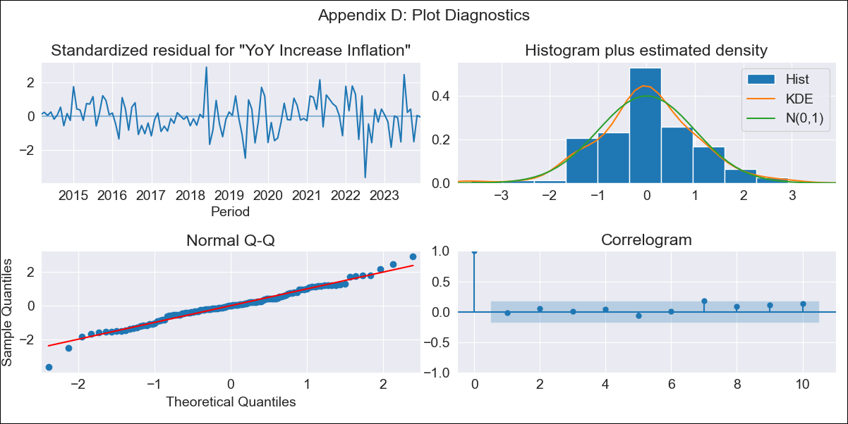
bra - Inflation - Next 12 months forecast as of: 2023-12-01

Model | VARMAX - (2, 0, 0, 3, 0, 0, 12) | Exogenous Variables | Index of Economic Activity
Training Data | 2014-03-01 to 2023-01-01
Test Data | 2023-01-01 to 2023-12-01

Date | Inflation Change YoY % | Lower Bound - 95% Confidence Interval | Upper Bound - 95% Confidence Interval
2024-01-01 | 4.63 | 3.71 | 5.54
2024-02-01 | 4.67 | 3.01 | 6.32
2024-03-01 | 4.73 | 2.45 | 7.02
2024-04-01 | 4.8 | 1.99 | 7.61
2024-05-01 | 4.88 | 1.64 | 8.11
2024-06-01 | 4.95 | 1.37 | 8.53
2024-07-01 | 5.02 | 1.16 | 8.87
2024-08-01 | 5.08 | 1 | 9.17
2024-09-01 | 5.14 | 0.88 | 9.41
2024-10-01 | 5.2 | 0.78 | 9.62
2024-11-01 | 5.26 | 0.71 | 9.8
2024-12-01 | 5.3 | 0.65 | 9.95

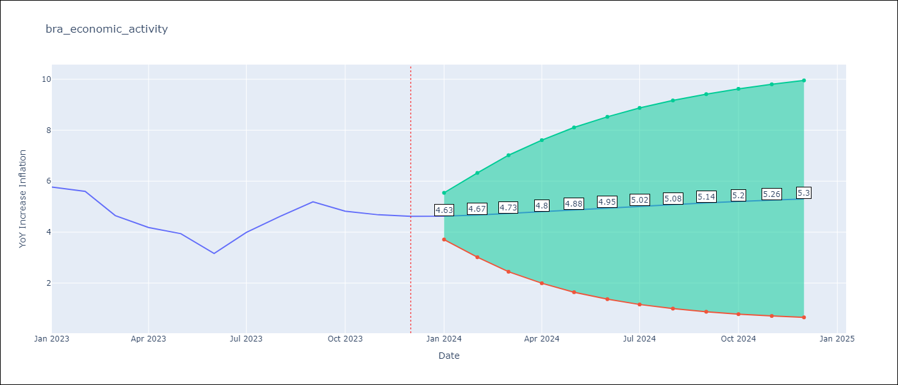

Test Metrics
RMSE | 1.43
Naive RMSE | 1.38
MAPE | 30.12%

Test Predictions
Date | Predicted | Actual
2023-01-01 | 5.74 | 5.77
2023-02-01 | 5.73 | 5.6
2023-03-01 | 5.74 | 4.65
2023-04-01 | 5.76 | 4.18
2023-05-01 | 5.79 | 3.94
2023-06-01 | 5.82 | 3.16
2023-07-01 | 5.85 | 3.99
2023-08-01 | 5.88 | 4.61
2023-09-01 | 5.9 | 5.19
2023-10-01 | 5.93 | 4.82
2023-11-01 | 5.95 | 4.68
2023-12-01 | 5.97 | 4.62

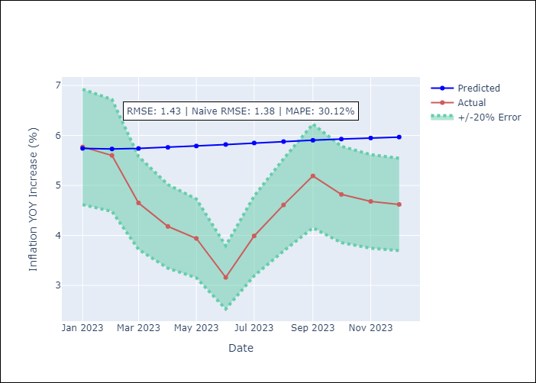

Appendix A: Model Summary
Model | VAR(2)
Sample | 03-01-2014- 12-01-2023
No. of Observations | 118
Terms | P-value (Statistical significance)
intercept | 0.058
L1.YoY Increase Inflation | 0.000
L1.Index of Economic Activity | 0.836
L2.YoY Increase Inflation | 0.000
L2.Index of Economic Activity | 0.842
Assumptions | P-value
Ljung-Box (L1) | 0.81, 0.52
Heteroskedasticity | 0.00, 0.03
Jarque-Bera | 0.03, 0.00
Skew | -0.16, 0.81
Kurtosis | 4.18, 9.31

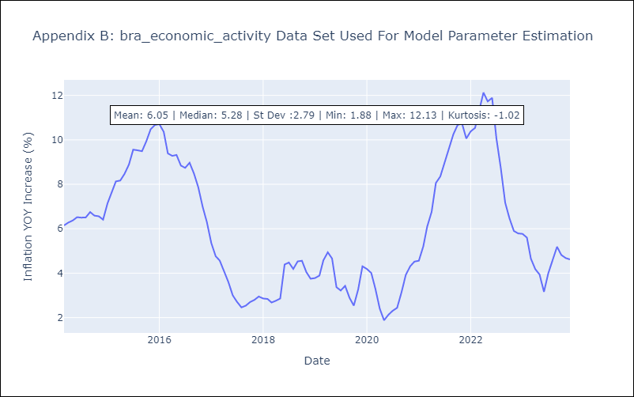

Appendix C: Residuals Analysis
Mean | 0.0
White Noise? | No - Correlation at Lags [12]
Normal? | No

