bra
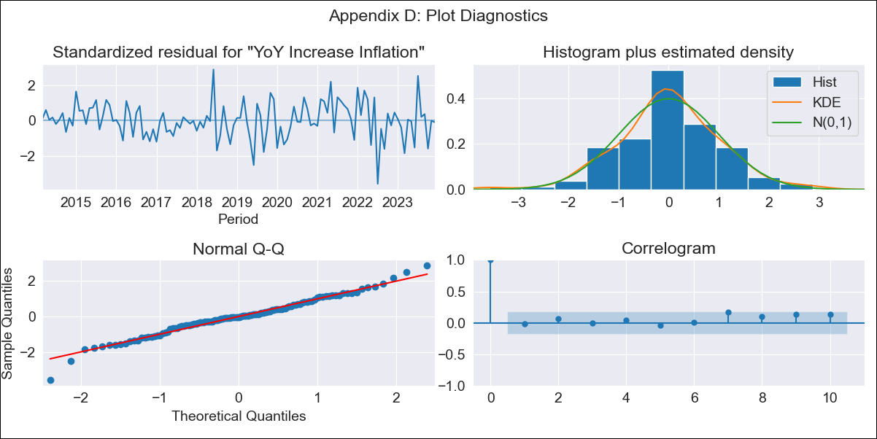
bra - Inflation - Next 12 months forecast as of: 2023-12-01

Model | VARMAX - (2, 0, 0, 3, 0, 0, 12) | Exogenous Variables | Unemployment, Index of Economic Activity
Training Data | 2014-03-01 to 2023-01-01
Test Data | 2023-01-01 to 2023-12-01

Date | Inflation Change YoY % | Lower Bound - 95% Confidence Interval | Upper Bound - 95% Confidence Interval
2024-01-01 | 4.65 | 3.74 | 5.56
2024-02-01 | 4.72 | 3.07 | 6.37
2024-03-01 | 4.79 | 2.52 | 7.07
2024-04-01 | 4.87 | 2.06 | 7.67
2024-05-01 | 4.94 | 1.71 | 8.18
2024-06-01 | 5.01 | 1.43 | 8.6
2024-07-01 | 5.08 | 1.21 | 8.95
2024-08-01 | 5.14 | 1.04 | 9.24
2024-09-01 | 5.2 | 0.91 | 9.49
2024-10-01 | 5.25 | 0.81 | 9.7
2024-11-01 | 5.3 | 0.73 | 9.88
2024-12-01 | 5.35 | 0.67 | 10.03

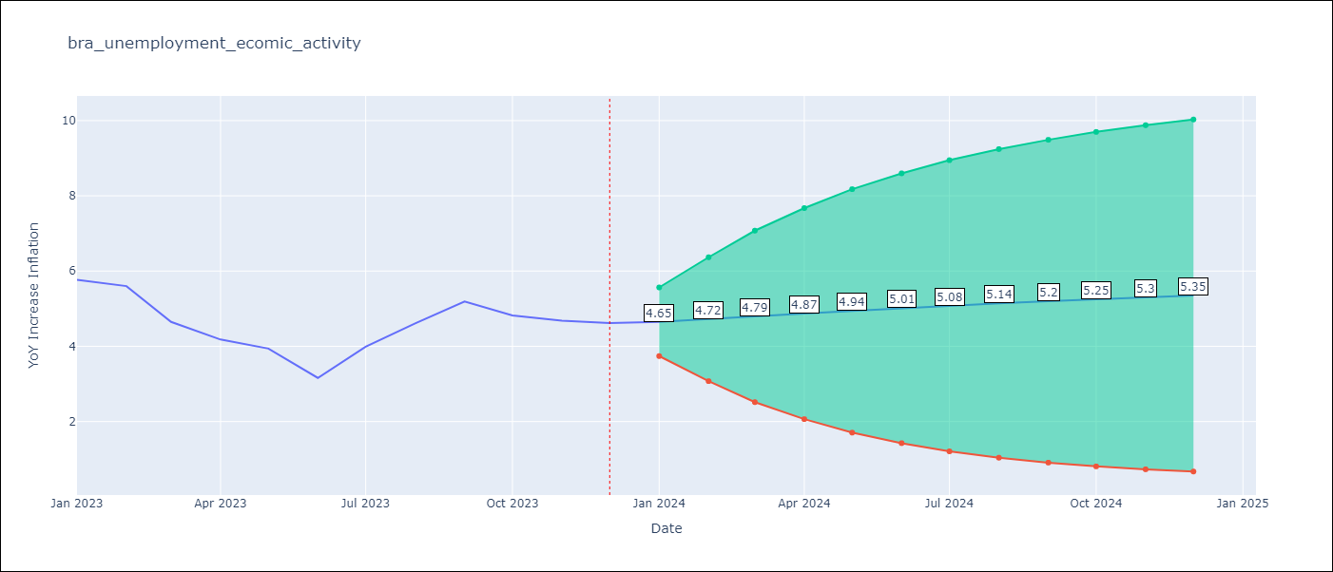

Test Metrics
RMSE | 1.43
Naive RMSE | 1.38
MAPE | 30.29%

Test Predictions
Date | Predicted | Actual
2023-01-01 | 5.75 | 5.77
2023-02-01 | 5.74 | 5.6
2023-03-01 | 5.75 | 4.65
2023-04-01 | 5.78 | 4.18
2023-05-01 | 5.8 | 3.94
2023-06-01 | 5.83 | 3.16
2023-07-01 | 5.86 | 3.99
2023-08-01 | 5.88 | 4.61
2023-09-01 | 5.91 | 5.19
2023-10-01 | 5.93 | 4.82
2023-11-01 | 5.95 | 4.68
2023-12-01 | 5.97 | 4.62

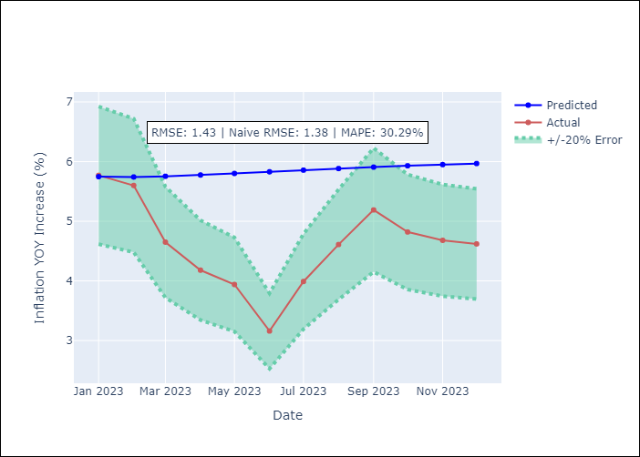

Appendix A: Model Summary
Model | VAR(2)
Sample | 03-01-2014- 12-01-2023
No. of Observations | 118
Terms | P-value (Statistical significance)
intercept | 0.027
L1.YoY Increase Inflation | 0.000
L1.Unemployment | 0.576
L1.Index of Economic Activity | 0.672
L2.YoY Increase Inflation | 0.000
L2.Unemployment | 0.809
L2.Index of Economic Activity | 0.672
Assumptions | P-value
Ljung-Box (L1) | 0.83, 0.66, 0.56
Heteroskedasticity | 0.00, 0.00, 0.07
Jarque-Bera | 0.04, 0.00, 0.00
Skew | -0.17, 0.75, 0.80
Kurtosis | 4.07, 4.08, 8.52

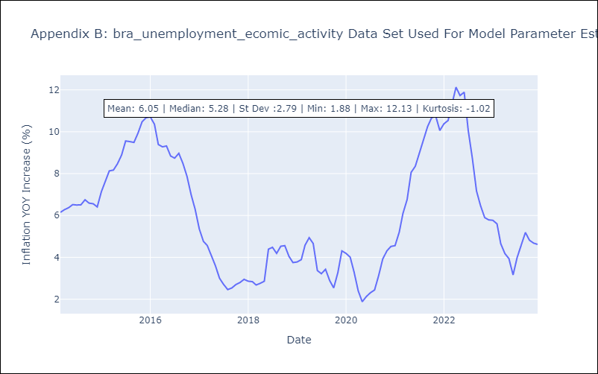

Appendix C: Residuals Analysis
Mean | 0.0
White Noise? | No - Correlation at Lags [12]
Normal? | No

