mex
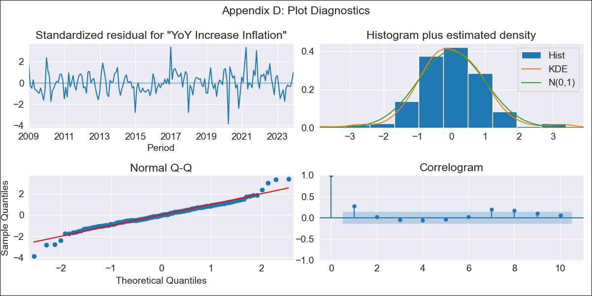
mex - Inflation - Next 12 months forecast as of: 2023-12-01

Model | VARMAX - (1, 1, 0, 0, 0, 1, 12) | Exogenous Variables | Montery Base
Training Data | 2009-01-01 to 2023-01-01
Test Data | 2023-01-01 to 2023-12-01

Date | Inflation Change YoY % | Lower Bound - 95% Confidence Interval | Upper Bound - 95% Confidence Interval
2024-01-01 | 4.6 | 3.85 | 5.35
2024-02-01 | 4.55 | 3.5 | 5.59
2024-03-01 | 4.49 | 3.23 | 5.74
2024-04-01 | 4.43 | 3 | 5.86
2024-05-01 | 4.38 | 2.79 | 5.96
2024-06-01 | 4.32 | 2.6 | 6.04
2024-07-01 | 4.27 | 2.43 | 6.11
2024-08-01 | 4.21 | 2.26 | 6.17
2024-09-01 | 4.16 | 2.1 | 6.22
2024-10-01 | 4.11 | 1.94 | 6.28
2024-11-01 | 4.06 | 1.79 | 6.32
2024-12-01 | 4 | 1.64 | 6.37

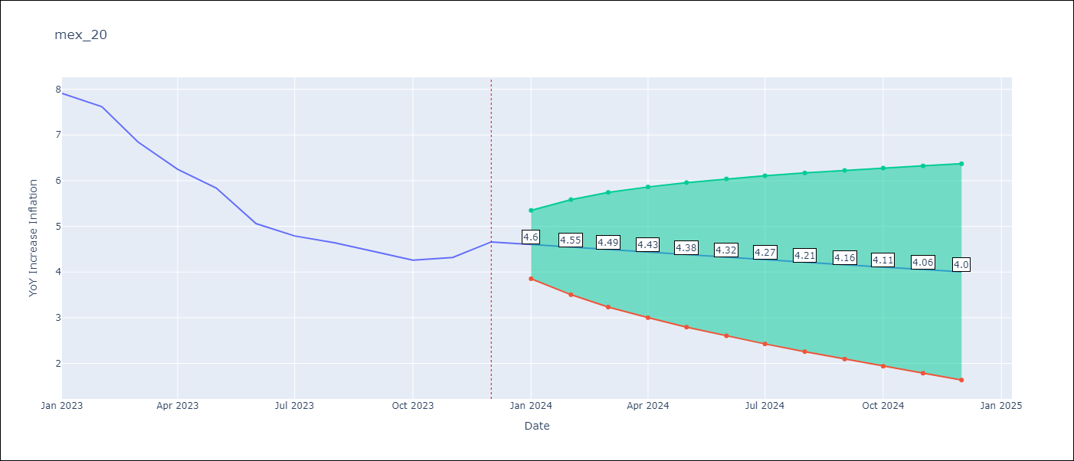

Test Metrics
RMSE | 1.74
Naive RMSE | 2.59
MAPE | 36.12%

Test Predictions
Date | Predicted | Actual
2023-01-01 | 7.69 | 7.91
2023-02-01 | 7.56 | 7.62
2023-03-01 | 7.44 | 6.85
2023-04-01 | 7.32 | 6.25
2023-05-01 | 7.2 | 5.84
2023-06-01 | 7.09 | 5.06
2023-07-01 | 6.97 | 4.79
2023-08-01 | 6.86 | 4.64
2023-09-01 | 6.76 | 4.45
2023-10-01 | 6.65 | 4.26
2023-11-01 | 6.55 | 4.32
2023-12-01 | 6.45 | 4.66

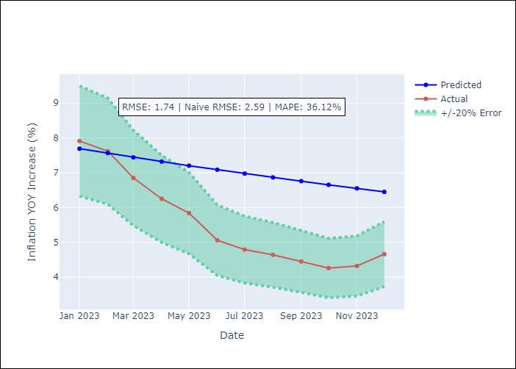

Appendix A: Model Summary
Model | VAR(1)
Sample | - 12-01-2023opg
No. of Observations | 180
Terms | P-value (Statistical significance)
L1.YoY Increase Inflation | 0.000
L1.Montery Base | 0.001
Assumptions | P-value
Ljung-Box (L1) | 0.00, 0.05
Heteroskedasticity | 0.06, 0.66
Jarque-Bera | 0.00, 0.00
Skew | 0.03, 0.67
Kurtosis | 5.05, 6.55

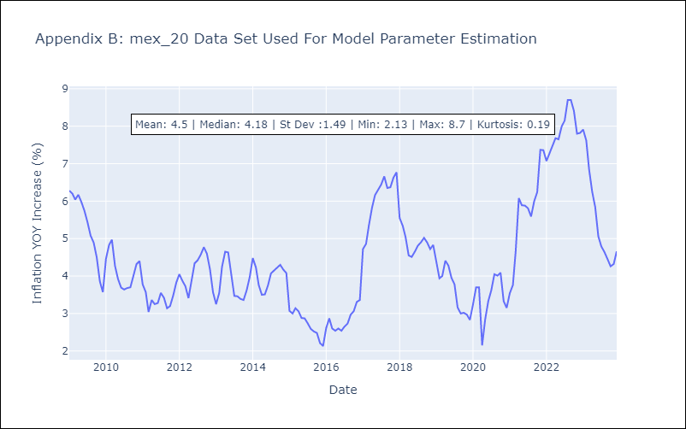

Appendix C: Residuals Analysis
Mean | 0.04
White Noise? | Yes
Normal? | No

