mex
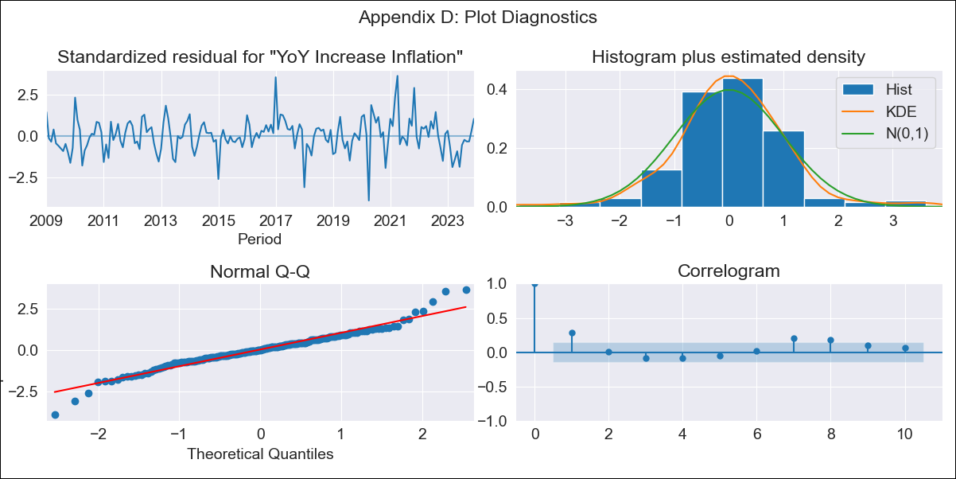
mex - Inflation - Next 12 months forecast as of: 2023-12-01

Model | VARMAX - (1, 1, 0, 0, 0, 1, 12) | Exogenous Variables | Target Rate
Training Data | 2009-01-01 to 2023-01-01
Test Data | 2023-01-01 to 2023-12-01

Date | Inflation Change YoY % | Lower Bound - 95% Confidence Interval | Upper Bound - 95% Confidence Interval
2024-01-01 | 4.6 | 3.83 | 5.36
2024-02-01 | 4.53 | 3.44 | 5.62
2024-03-01 | 4.47 | 3.13 | 5.8
2024-04-01 | 4.4 | 2.86 | 5.95
2024-05-01 | 4.34 | 2.61 | 6.07
2024-06-01 | 4.28 | 2.37 | 6.18
2024-07-01 | 4.22 | 2.16 | 6.28
2024-08-01 | 4.15 | 1.95 | 6.36
2024-09-01 | 4.09 | 1.75 | 6.44
2024-10-01 | 4.03 | 1.56 | 6.51
2024-11-01 | 3.97 | 1.37 | 6.58
2024-12-01 | 3.91 | 1.19 | 6.64

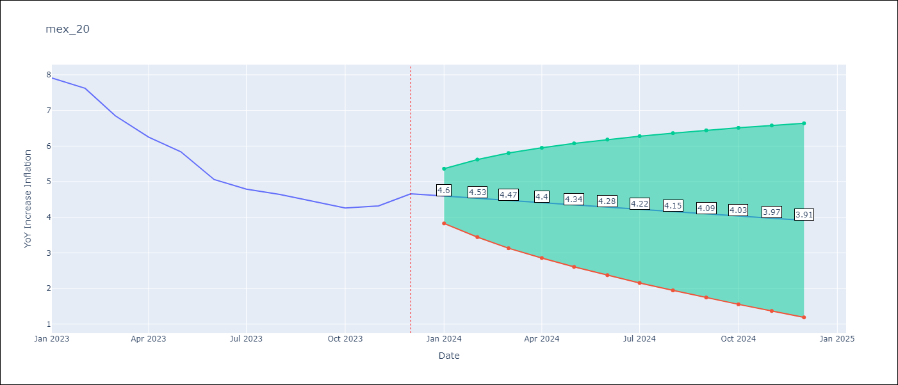

Test Metrics
RMSE | 2.51
Naive RMSE | 2.59
MAPE | 46.35%

Test Predictions
Date | Predicted | Actual
2023-01-01 | 7.81 | 7.91
2023-02-01 | 7.8 | 7.62
2023-03-01 | 7.78 | 6.85
2023-04-01 | 7.77 | 6.25
2023-05-01 | 7.76 | 5.84
2023-06-01 | 7.75 | 5.06
2023-07-01 | 7.74 | 4.79
2023-08-01 | 7.73 | 4.64
2023-09-01 | 7.72 | 4.45
2023-10-01 | 7.7 | 4.26
2023-11-01 | 7.69 | 4.32
2023-12-01 | 7.68 | 4.66

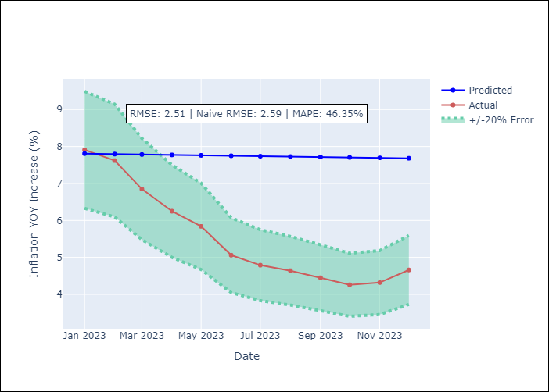

Appendix A: Model Summary
Model | VAR(1)
Sample | - 12-01-2023opg
No. of Observations | 180
Terms | P-value (Statistical significance)
L1.YoY Increase Inflation | 0.000
L1.Target Rate | 0.591
Assumptions | P-value
Ljung-Box (L1) | 0.00, 0.00
Heteroskedasticity | 0.03, 0.18
Jarque-Bera | 0.00, 0.00
Skew | 0.02, -0.24
Kurtosis | 5.42, 5.67

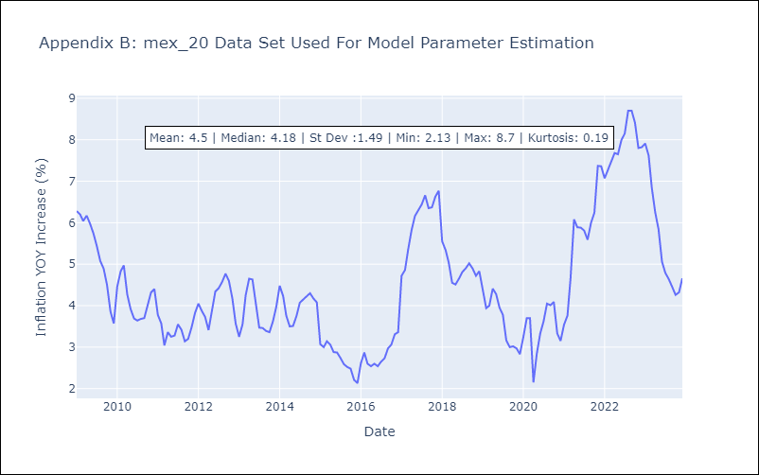

Appendix C: Residuals Analysis
Mean | 0.05
White Noise? | Yes
Normal? | No

