mex
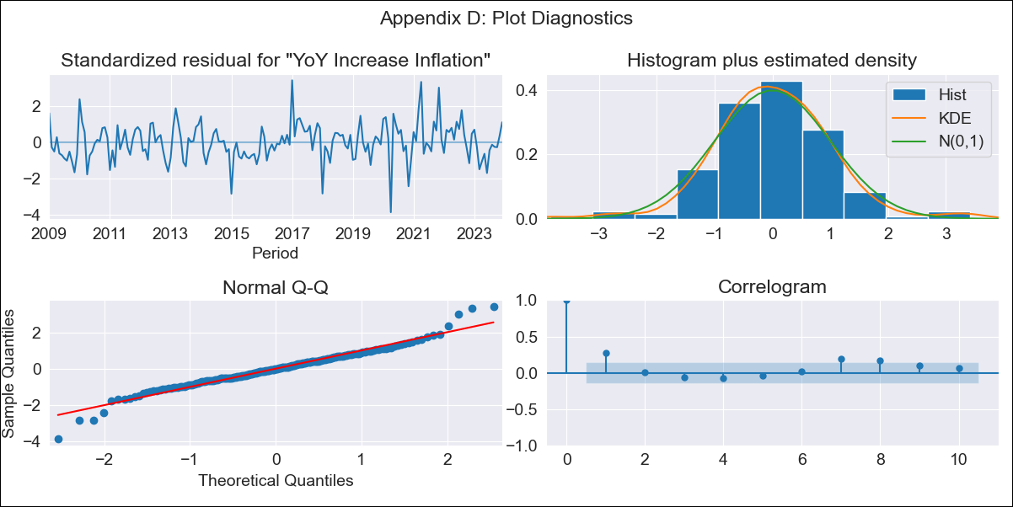
mex - Inflation - Next 12 months forecast as of: 2023-12-01

Model | VARMAX - (1, 1, 0, 0, 0, 1, 12) | Exogenous Variables | Montery Base, Target Rate
Training Data | 2009-01-01 to 2023-01-01
Test Data | 2023-01-01 to 2023-12-01

Date | Inflation Change YoY % | Lower Bound - 95% Confidence Interval | Upper Bound - 95% Confidence Interval
2024-01-01 | 4.57 | 3.83 | 5.32
2024-02-01 | 4.5 | 3.46 | 5.54
2024-03-01 | 4.43 | 3.17 | 5.69
2024-04-01 | 4.38 | 2.94 | 5.82
2024-05-01 | 4.34 | 2.75 | 5.93
2024-06-01 | 4.31 | 2.58 | 6.04
2024-07-01 | 4.29 | 2.44 | 6.14
2024-08-01 | 4.28 | 2.32 | 6.24
2024-09-01 | 4.27 | 2.21 | 6.34
2024-10-01 | 4.28 | 2.11 | 6.45
2024-11-01 | 4.29 | 2.03 | 6.55
2024-12-01 | 4.31 | 1.96 | 6.66

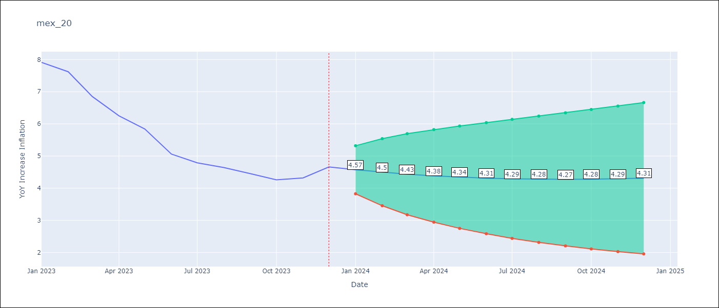

Test Metrics
RMSE | 1.91
Naive RMSE | 2.59
MAPE | 38.07%

Test Predictions
Date | Predicted | Actual
2023-01-01 | 7.7 | 7.91
2023-02-01 | 7.59 | 7.62
2023-03-01 | 7.48 | 6.85
2023-04-01 | 7.38 | 6.25
2023-05-01 | 7.28 | 5.84
2023-06-01 | 7.19 | 5.06
2023-07-01 | 7.11 | 4.79
2023-08-01 | 7.04 | 4.64
2023-09-01 | 6.97 | 4.45
2023-10-01 | 6.91 | 4.26
2023-11-01 | 6.85 | 4.32
2023-12-01 | 6.8 | 4.66

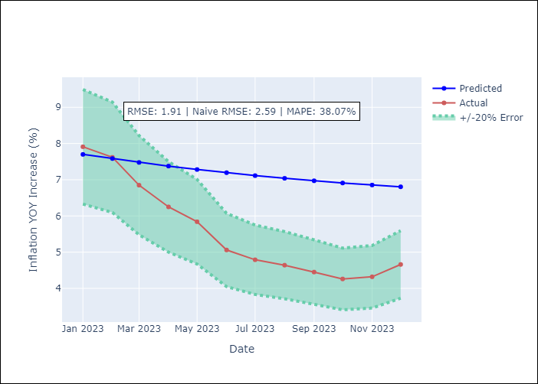

Appendix A: Model Summary
Model | VAR(1)
Sample | - 12-01-2023opg
No. of Observations | 180
Terms | P-value (Statistical significance)
L1.YoY Increase Inflation | 0.000
L1.Montery Base | 0.002
L1.Target Rate | 0.731
Assumptions | P-value
Ljung-Box (L1) | 0.00, 0.03, 0.00
Heteroskedasticity | 0.07, 0.60, 0.83
Jarque-Bera | 0.00, 0.00, 0.00
Skew | 0.02, 0.69, -0.29
Kurtosis | 5.03, 6.45, 5.34

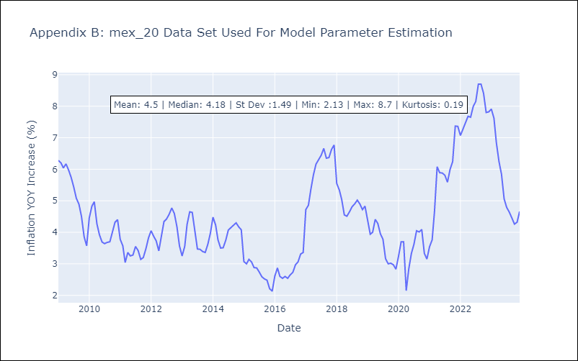

Appendix C: Residuals Analysis
Mean | 0.04
White Noise? | Yes
Normal? | No

