mex
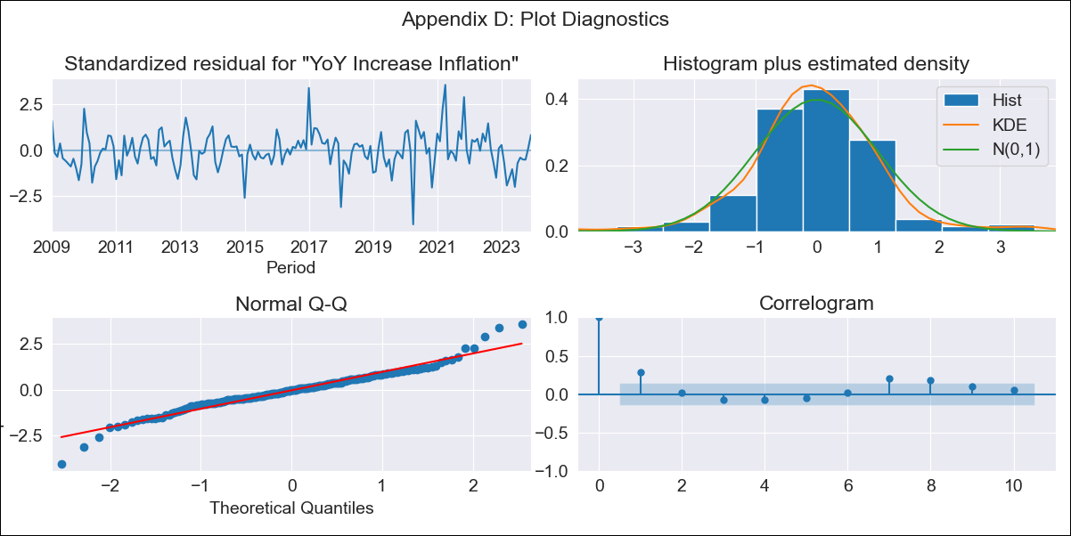
mex - Inflation - Next 12 months forecast as of: 2023-12-01

Model | VARMAX - (1, 1, 0, 0, 0, 1, 12) | Exogenous Variables | Exchange rate
Training Data | 2009-01-01 to 2023-01-01
Test Data | 2023-01-01 to 2023-12-01

Date | Inflation Change YoY % | Lower Bound - 95% Confidence Interval | Upper Bound - 95% Confidence Interval
2024-01-01 | 4.67 | 3.9 | 5.43
2024-02-01 | 4.67 | 3.6 | 5.74
2024-03-01 | 4.67 | 3.37 | 5.98
2024-04-01 | 4.68 | 3.18 | 6.18
2024-05-01 | 4.68 | 3.02 | 6.35
2024-06-01 | 4.69 | 2.87 | 6.5
2024-07-01 | 4.69 | 2.75 | 6.64
2024-08-01 | 4.69 | 2.63 | 6.76
2024-09-01 | 4.7 | 2.52 | 6.87
2024-10-01 | 4.7 | 2.42 | 6.98
2024-11-01 | 4.7 | 2.33 | 7.08
2024-12-01 | 4.7 | 2.24 | 7.17

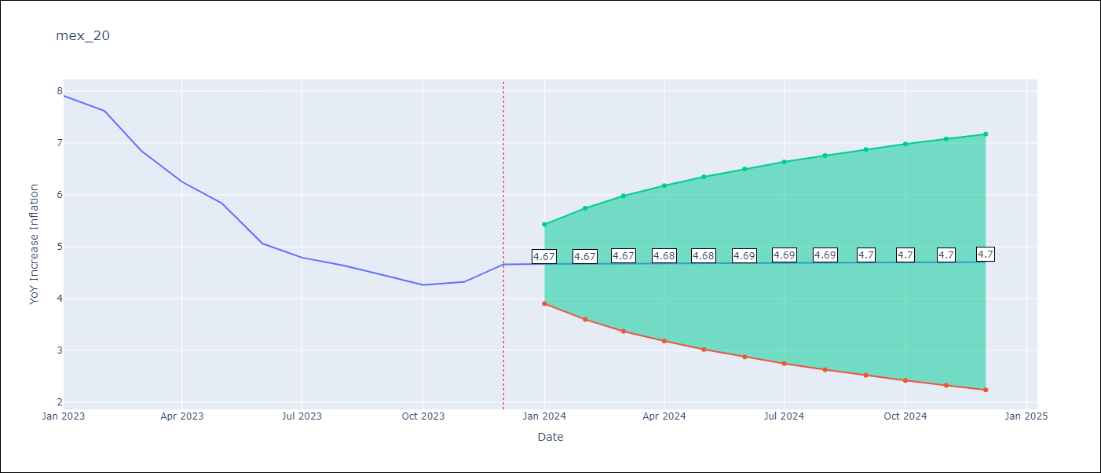

Test Metrics
RMSE | 2.07
Naive RMSE | 2.59
MAPE | 40.22%

Test Predictions
Date | Predicted | Actual
2023-01-01 | 7.74 | 7.91
2023-02-01 | 7.65 | 7.62
2023-03-01 | 7.58 | 6.85
2023-04-01 | 7.5 | 6.25
2023-05-01 | 7.43 | 5.84
2023-06-01 | 7.36 | 5.06
2023-07-01 | 7.29 | 4.79
2023-08-01 | 7.23 | 4.64
2023-09-01 | 7.16 | 4.45
2023-10-01 | 7.1 | 4.26
2023-11-01 | 7.05 | 4.32
2023-12-01 | 6.99 | 4.66

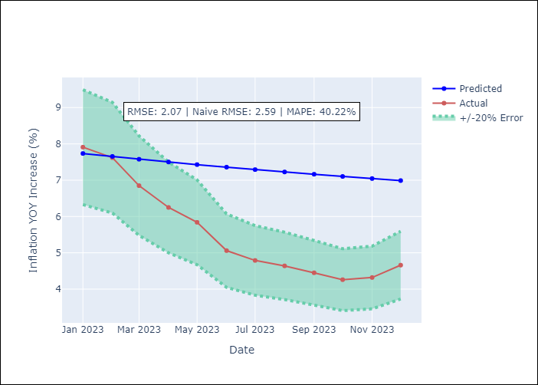

Appendix A: Model Summary
Model | VAR(1)
Sample | - 12-01-2023opg
No. of Observations | 180
Terms | P-value (Statistical significance)
L1.YoY Increase Inflation | 0.000
L1.Exchange rate | 0.569
Assumptions | P-value
Ljung-Box (L1) | 0.00, 0.44
Heteroskedasticity | 0.02, 0.00
Jarque-Bera | 0.00, 0.00
Skew | 0.01, 2.11
Kurtosis | 5.51, 17.06

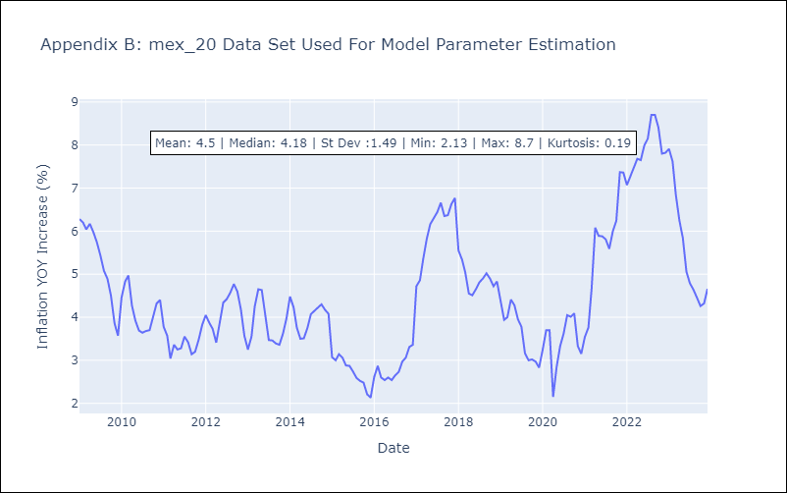

Appendix C: Residuals Analysis
Mean | 0.02
White Noise? | Yes
Normal? | No

