mex
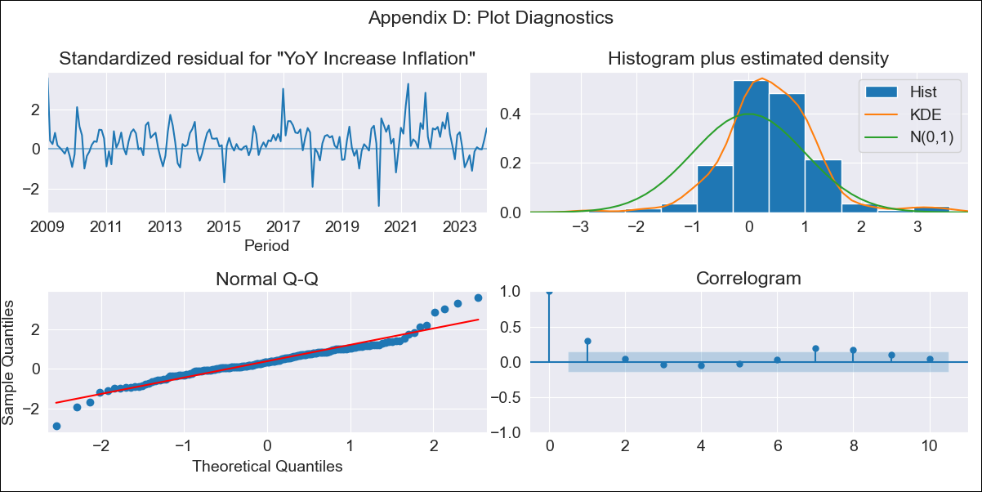
mex - Inflation - Next 12 months forecast as of: 2023-12-01

Model | VARMAX - (1, 1, 0, 0, 0, 1, 12) | Exogenous Variables | Exchange rate , Montery Base
Training Data | 2009-01-01 to 2023-01-01
Test Data | 2023-01-01 to 2023-12-01

Date | Inflation Change YoY % | Lower Bound - 95% Confidence Interval | Upper Bound - 95% Confidence Interval
2024-01-01 | 4.47 | 3.5 | 5.43
2024-02-01 | 4.28 | 2.95 | 5.62
2024-03-01 | 4.11 | 2.51 | 5.71
2024-04-01 | 3.94 | 2.13 | 5.75
2024-05-01 | 3.78 | 1.79 | 5.77
2024-06-01 | 3.62 | 1.49 | 5.76
2024-07-01 | 3.48 | 1.21 | 5.74
2024-08-01 | 3.33 | 0.96 | 5.71
2024-09-01 | 3.2 | 0.72 | 5.67
2024-10-01 | 3.06 | 0.5 | 5.62
2024-11-01 | 2.94 | 0.3 | 5.58
2024-12-01 | 2.81 | 0.1 | 5.52

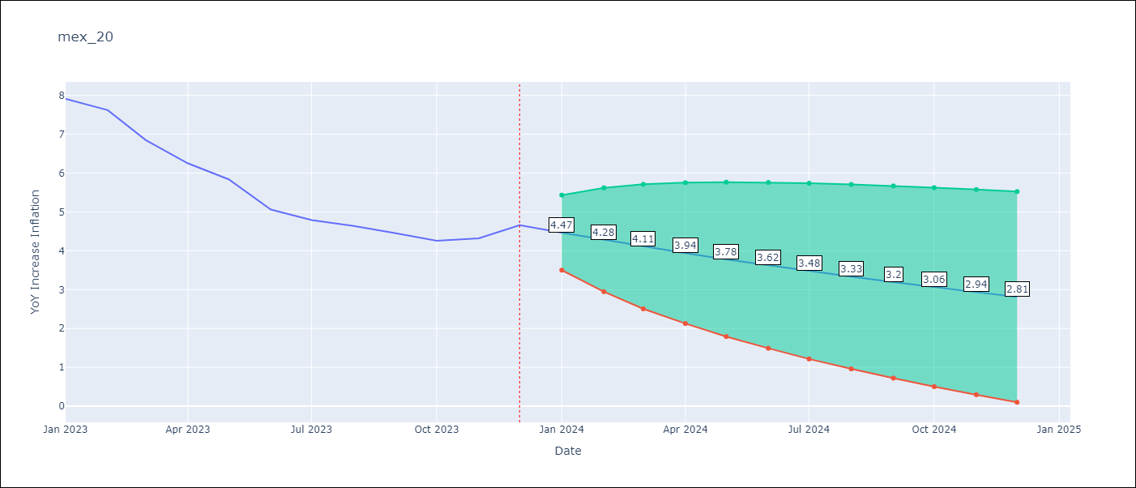

Test Metrics
RMSE | 1.83
Naive RMSE | 2.59
MAPE | 37.47%

Test Predictions
Date | Predicted | Actual
2023-01-01 | 7.73 | 7.91
2023-02-01 | 7.63 | 7.62
2023-03-01 | 7.53 | 6.85
2023-04-01 | 7.43 | 6.25
2023-05-01 | 7.33 | 5.84
2023-06-01 | 7.22 | 5.06
2023-07-01 | 7.1 | 4.79
2023-08-01 | 6.99 | 4.64
2023-09-01 | 6.87 | 4.45
2023-10-01 | 6.75 | 4.26
2023-11-01 | 6.63 | 4.32
2023-12-01 | 6.5 | 4.66

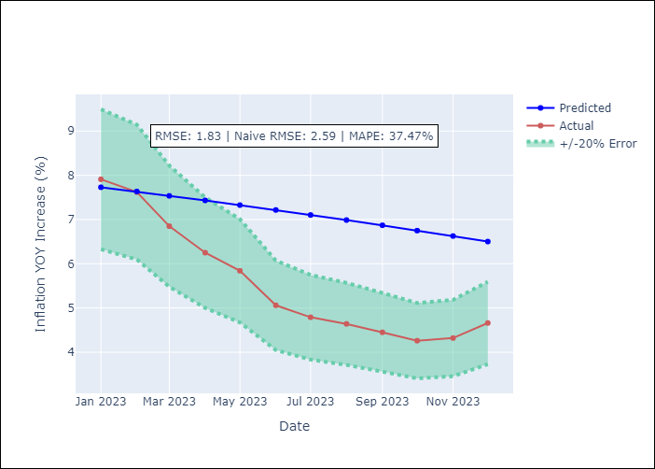

Appendix A: Model Summary
Model | VAR(1)
Sample | - 12-01-2023opg
No. of Observations | 180
Terms | P-value (Statistical significance)
L1.YoY Increase Inflation | 0.000
L1.Exchange rate | 0.887
L1.Montery Base | 0.881
Assumptions | P-value
Ljung-Box (L1) | 0.00, 0.00, 0.02
Heteroskedasticity | 0.12, 0.00, 0.20
Jarque-Bera | 0.00, 0.00, 0.00
Skew | 0.31, 1.69, 0.39
Kurtosis | 6.05, 12.42, 5.30

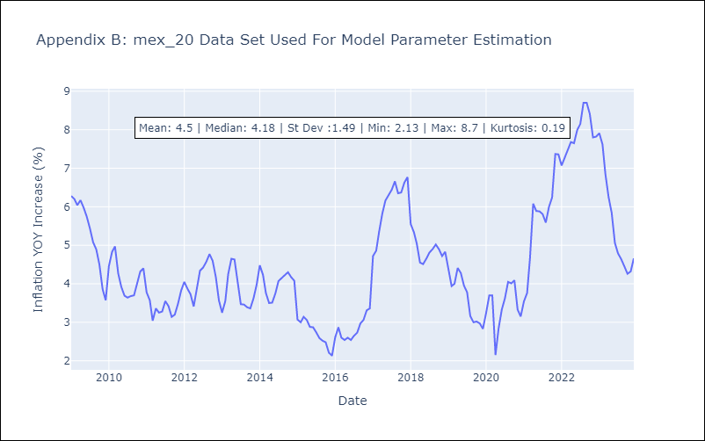

Appendix C: Residuals Analysis
Mean | 0.22
White Noise? | Yes
Normal? | No

