mex
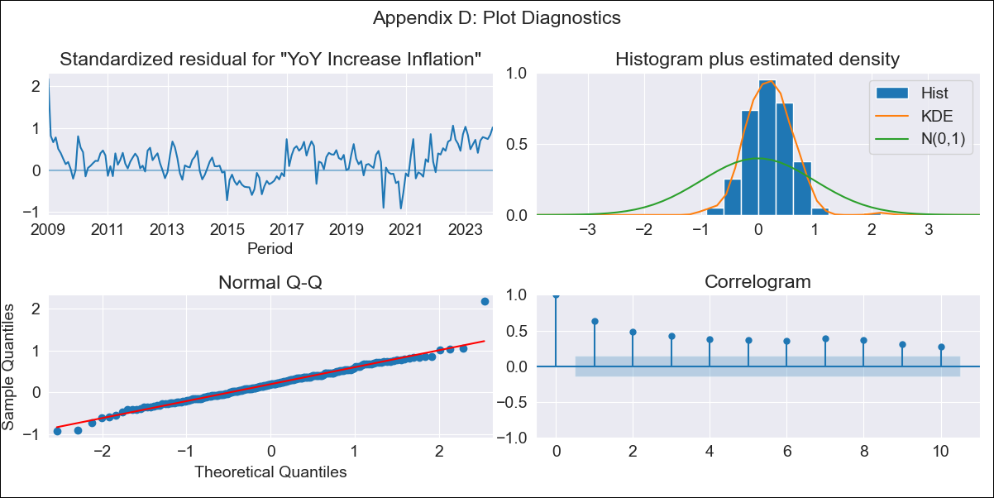
mex - Inflation - Next 12 months forecast as of: 2023-12-01

Model | VARMAX - (1, 1, 0, 0, 0, 1, 12) | Exogenous Variables | Exchange rate , Target Rate, Montery Base
Training Data | 2009-01-01 to 2023-01-01
Test Data | 2023-01-01 to 2023-12-01

Date | Inflation Change YoY % | Lower Bound - 95% Confidence Interval | Upper Bound - 95% Confidence Interval
2024-01-01 | 3.42 | 0.63 | 6.22
2024-02-01 | 2.42 | -1.21 | 6.05
2024-03-01 | 1.61 | -2.51 | 5.73
2024-04-01 | 0.97 | -3.48 | 5.42
2024-05-01 | 0.47 | -4.22 | 5.16
2024-06-01 | 0.08 | -4.8 | 4.95
2024-07-01 | -0.22 | -5.23 | 4.79
2024-08-01 | -0.44 | -5.57 | 4.69
2024-09-01 | -0.6 | -5.82 | 4.62
2024-10-01 | -0.7 | -6 | 4.59
2024-11-01 | -0.77 | -6.13 | 4.59
2024-12-01 | -0.81 | -6.22 | 4.61

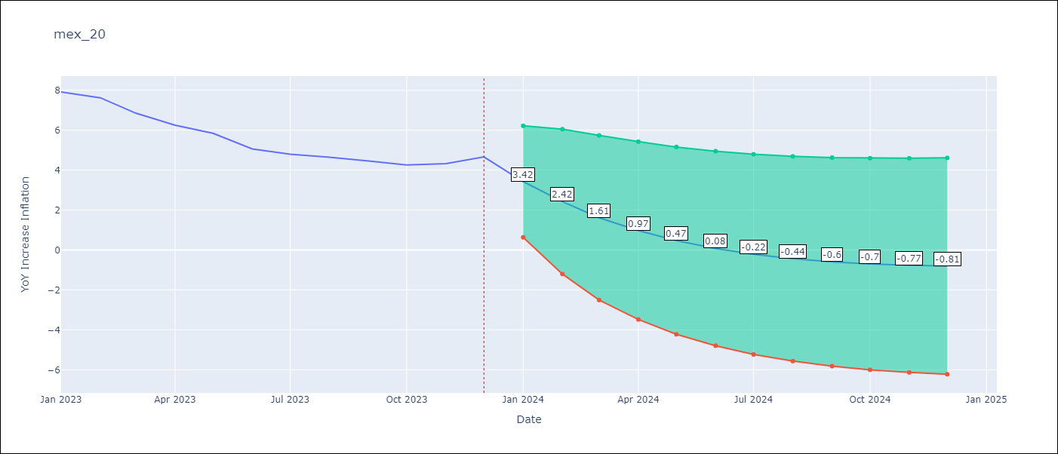

Test Metrics
RMSE | 0.58
Naive RMSE | 2.59
MAPE | 24.12%

Test Predictions
Date | Predicted | Actual
2023-01-01 | 7.19 | 7.91
2023-02-01 | 6.64 | 7.62
2023-03-01 | 6.15 | 6.85
2023-04-01 | 5.72 | 6.25
2023-05-01 | 5.34 | 5.84
2023-06-01 | 5 | 5.06
2023-07-01 | 4.7 | 4.79
2023-08-01 | 4.43 | 4.64
2023-09-01 | 4.19 | 4.45
2023-10-01 | 3.98 | 4.26
2023-11-01 | 3.79 | 4.32
2023-12-01 | 3.62 | 4.66

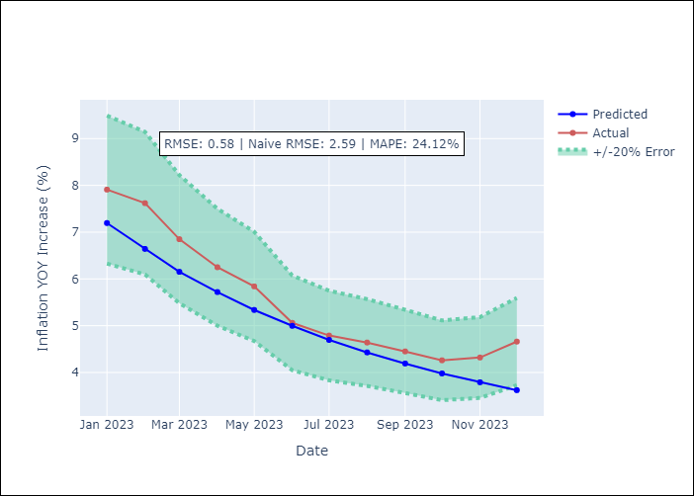

Appendix A: Model Summary
Model | VAR(1)
Sample | - 12-01-2023opg
No. of Observations | 180
Terms | P-value (Statistical significance)
L1.YoY Increase Inflation | 0.019
L1.Exchange rate | 0.559
L1.Target Rate | 0.766
L1.Montery Base | 0.964
Assumptions | P-value
Ljung-Box (L1) | 0.00, 0.00, 0.00, 0.20
Heteroskedasticity | 0.18, 0.00, 0.00, 0.09
Jarque-Bera | 0.00, 0.00, 0.00, 0.00
Skew | 0.46, 1.70, 0.73, 0.39
Kurtosis | 5.38, 8.78, 5.40, 5.30

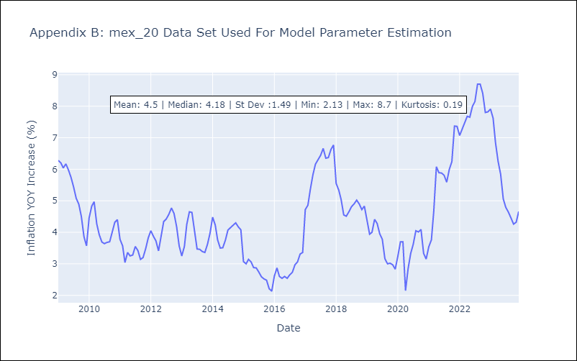

Appendix C: Residuals Analysis
Mean | 0.3
White Noise? | No - Correlation at Lags [ 1 2 3 4 5 6 7 8 9 10 11 12]
Normal? | No

