mex
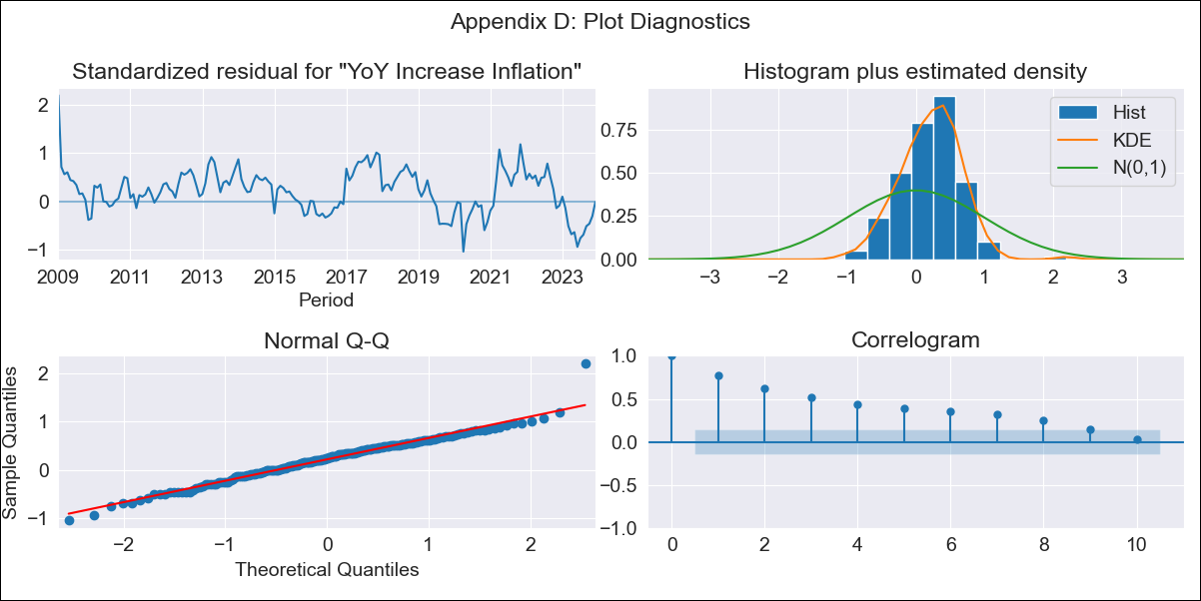
mex - Inflation - Next 12 months forecast as of: 2023-12-01

Model | VARMAX - (1, 1, 0, 0, 0, 1, 12) | Exogenous Variables | Core, Exchange rate , Target Rate, Montery Base
Training Data | 2009-01-01 to 2023-01-01
Test Data | 2023-01-01 to 2023-12-01

Date | Inflation Change YoY % | Lower Bound - 95% Confidence Interval | Upper Bound - 95% Confidence Interval
2024-01-01 | 4.54 | 1.49 | 7.59
2024-02-01 | 4.27 | 0.45 | 8.08
2024-03-01 | 3.94 | -0.3 | 8.18
2024-04-01 | 3.6 | -0.92 | 8.12
2024-05-01 | 3.28 | -1.44 | 7.99
2024-06-01 | 2.98 | -1.88 | 7.84
2024-07-01 | 2.71 | -2.26 | 7.69
2024-08-01 | 2.47 | -2.6 | 7.54
2024-09-01 | 2.25 | -2.89 | 7.4
2024-10-01 | 2.06 | -3.15 | 7.27
2024-11-01 | 1.89 | -3.38 | 7.15
2024-12-01 | 1.73 | -3.58 | 7.04

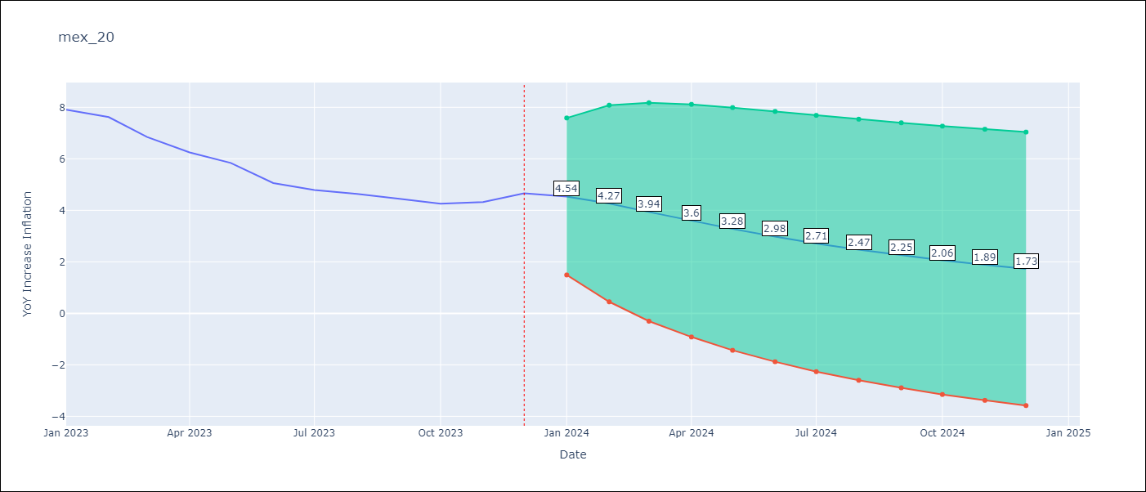

Test Metrics
RMSE | 2.43
Naive RMSE | 2.59
MAPE | 45.38%

Test Predictions
Date | Predicted | Actual
2023-01-01 | 7.81 | 7.91
2023-02-01 | 7.8 | 7.62
2023-03-01 | 7.78 | 6.85
2023-04-01 | 7.76 | 6.25
2023-05-01 | 7.74 | 5.84
2023-06-01 | 7.71 | 5.06
2023-07-01 | 7.68 | 4.79
2023-08-01 | 7.65 | 4.64
2023-09-01 | 7.62 | 4.45
2023-10-01 | 7.58 | 4.26
2023-11-01 | 7.55 | 4.32
2023-12-01 | 7.51 | 4.66

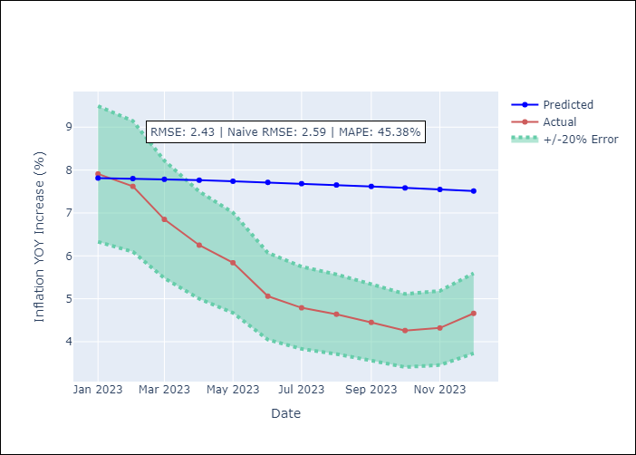

Appendix A: Model Summary
Model | VAR(1)
Sample | - 12-01-2023opg
No. of Observations | 180
Terms | P-value (Statistical significance)
L1.YoY Increase Inflation | 0.874
L1.Core | 0.571
L1.Exchange rate | 0.717
L1.Target Rate | 0.851
L1.Montery Base | 0.908
Assumptions | P-value
Ljung-Box (L1) | 0.00, 0.00, 0.00, 0.00, 0.06
Heteroskedasticity | 0.77, 0.00, 0.00, 0.00, 0.23
Jarque-Bera | 0.00, 0.00, 0.00, 0.00, 0.00
Skew | 0.14, 0.35, 0.07, -0.64, 0.66
Kurtosis | 4.53, 4.00, 4.41, 8.48, 5.39

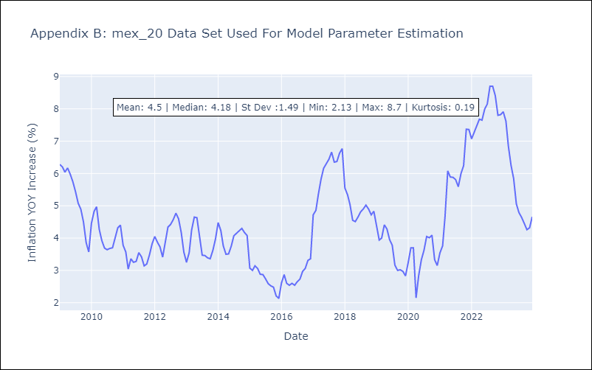

Appendix C: Residuals Analysis
Mean | 0.35
White Noise? | No - Correlation at Lags [ 1 2 3 4 5 6 7 8 9 10 11 12]
Normal? | No

