MEXnew1
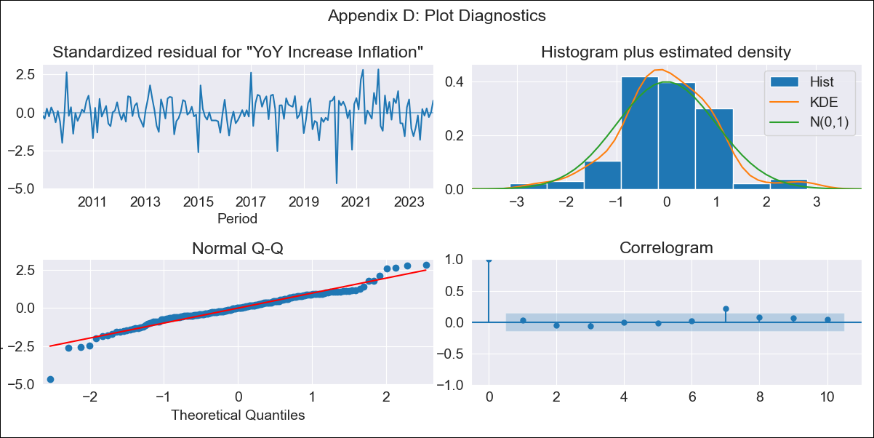
MEXnew1 - Inflation - Next 12 months forecast as of: 2023-12-01

Model | VARMAX - (1, 0, 0, 0, 0, 1, 12) | Exogenous Variables | Core, Non-Core, Target Rate, Exchange rate , Montery Base
Training Data | 2009-02-01 to 2023-01-01
Test Data | 2023-01-01 to 2023-12-01

Date | Inflation Change YoY % | Lower Bound - 95% Confidence Interval | Upper Bound - 95% Confidence Interval
2024-01-01 | -0.12 | -0.81 | 0.58
2024-02-01 | 0.01 | -0.74 | 0.77
2024-03-01 | 0.03 | -0.74 | 0.8
2024-04-01 | 0.05 | -0.72 | 0.82
2024-05-01 | 0.05 | -0.73 | 0.83
2024-06-01 | 0.05 | -0.73 | 0.83
2024-07-01 | 0.04 | -0.74 | 0.82
2024-08-01 | 0.03 | -0.75 | 0.82
2024-09-01 | 0.03 | -0.76 | 0.81
2024-10-01 | 0.02 | -0.76 | 0.81
2024-11-01 | 0.02 | -0.77 | 0.8
2024-12-01 | 0.01 | -0.77 | 0.8

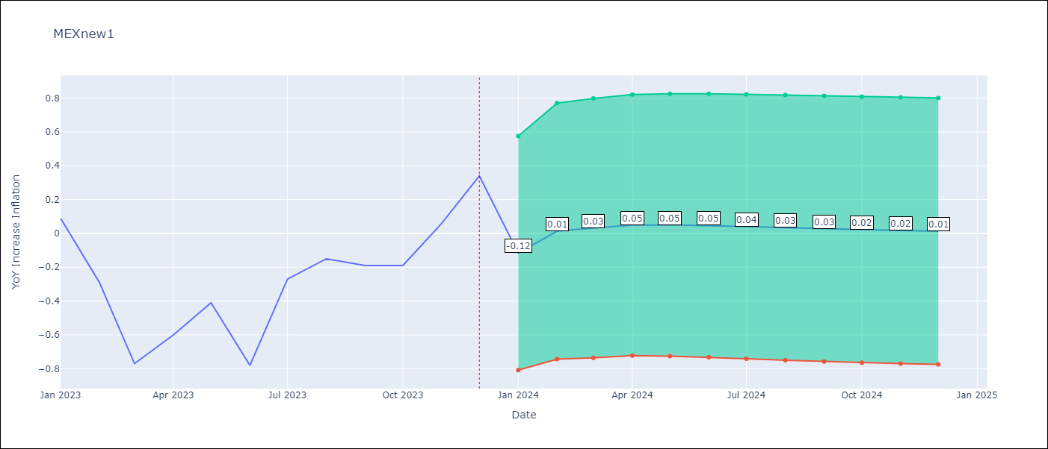

Test Metrics
RMSE | 0.46
Naive RMSE | 0.43
MAPE | 101.03%

Test Predictions
Date | Predicted | Actual
2023-01-01 | -0.19 | 0.09
2023-02-01 | 0.06 | -0.29
2023-03-01 | 0.07 | -0.77
2023-04-01 | 0.07 | -0.6
2023-05-01 | 0.05 | -0.41
2023-06-01 | 0.04 | -0.78
2023-07-01 | 0.03 | -0.27
2023-08-01 | 0.02 | -0.15
2023-09-01 | 0.02 | -0.19
2023-10-01 | 0.01 | -0.19
2023-11-01 | 0.01 | 0.06
2023-12-01 | 0.01 | 0.34

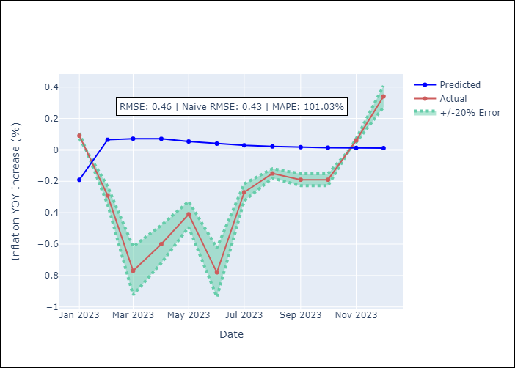

Appendix A: Model Summary
Model | VAR(1)
Sample | 02-01-2009- 12-01-2023
No. of Observations | 179
Terms | P-value (Statistical significance)
intercept | 0.045
L1.YoY Increase Inflation | 0.256
L1.Core | 0.077
L1.Non-Core | 0.022
L1.Target Rate | 0.887
L1.Exchange rate | 0.079
L1.Montery Base | 0.658
Assumptions | P-value
Ljung-Box (L1) | 0.71, 0.54, 0.83, 0.04, 0.98, 0.91
Heteroskedasticity | 0.00, 0.06, 0.00, 0.00, 0.00, 0.18
Jarque-Bera | 0.00, 0.00, 0.00, 0.00, 0.00, 0.00
Skew | -0.45, -0.63, -9.82, 0.07, 1.26, 0.23
Kurtosis | 5.92, 4.99, 119.92, 5.20, 11.67, 4.29

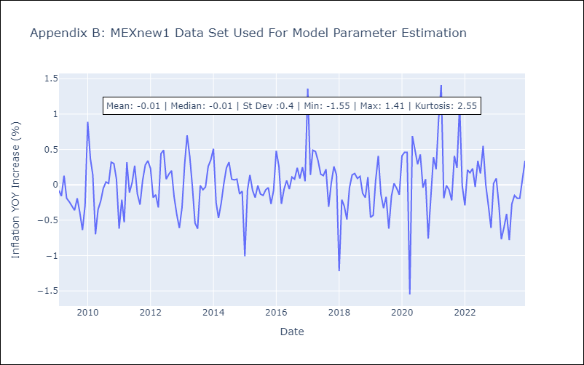

Appendix C: Residuals Analysis
Mean | -0.0
White Noise? | No - Correlation at Lags [12]
Normal? | No

