MEX
MEX - Inflation - Next 12 months forecast as of: 2023-12-01

Model | VAR - 5 | Exogenous Variables | Non-Core, Target Rate, Exchange rate , Montery Base
Training Data | 2009-01-01 to 2023-01-01
Test Data | 2023-01-01 to 2023-12-01

Date | Inflation Change YoY % | Lower Bound - 95% Confidence Interval | Upper Bound - 95% Confidence Interval
2024-01-01 | 4.76 | 4.45 | 5.06
2024-02-01 | 4.44 | 3.97 | 4.92
2024-03-01 | 4.08 | 3.46 | 4.69
2024-04-01 | 3.72 | 2.96 | 4.47
2024-05-01 | 3.39 | 2.5 | 4.27
2024-06-01 | 3.07 | 2.07 | 4.07
2024-07-01 | 2.76 | 1.65 | 3.88
2024-08-01 | 2.46 | 1.23 | 3.69
2024-09-01 | 2.18 | 0.84 | 3.51
2024-10-01 | 1.92 | 0.48 | 3.35
2024-11-01 | 1.68 | 0.15 | 3.2
2024-12-01 | 1.46 | -0.15 | 3.08

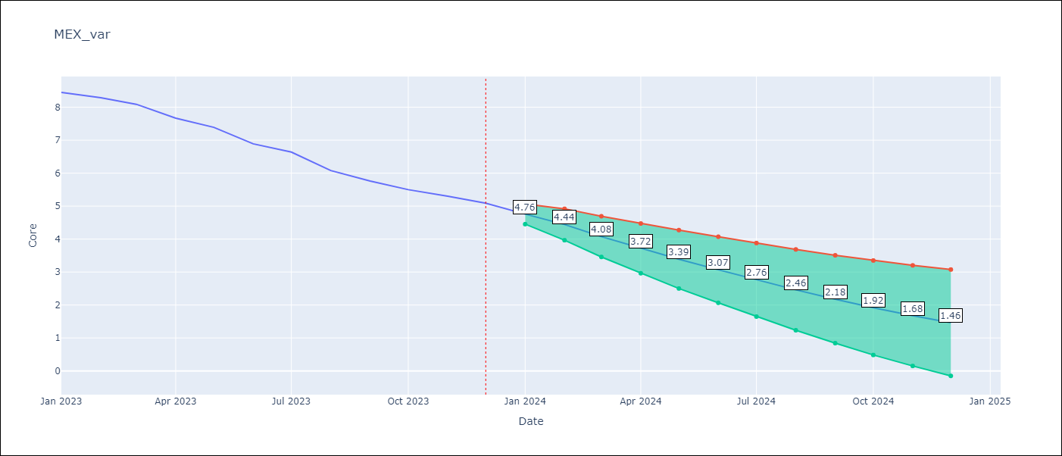

Test Metrics
RMSE | 1.77
Naive RMSE | 1.97
MAPE | 25.58%

Test Predictions
Date | Predicted | Actual
2023-01-01 | 8.46 | 8.45
2023-02-01 | 8.64 | 8.29
2023-03-01 | 8.55 | 8.09
2023-04-01 | 8.58 | 7.67
2023-05-01 | 8.57 | 7.39
2023-06-01 | 8.44 | 6.89
2023-07-01 | 8.36 | 6.64
2023-08-01 | 8.26 | 6.08
2023-09-01 | 8.12 | 5.76
2023-10-01 | 8 | 5.5
2023-11-01 | 7.84 | 5.3
2023-12-01 | 7.66 | 5.09

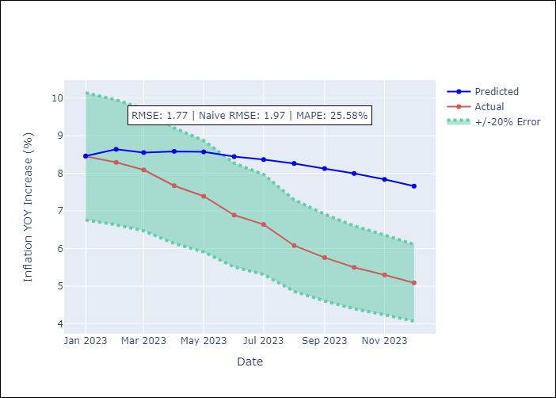

Appendix A: Model Summary
Model | VAR - 5
Sample | 2009-01-01 to 2023-12-01
No. of Observations | 179
Terms | P-value (Statistical significance)

