MEX
MEX - Inflation - Next 12 months forecast as of: 2023-12-01

Model | VAR - 5 | Exogenous Variables | Non-Core, Exchange rate , Montery Base
Training Data | 2009-01-01 to 2023-01-01
Test Data | 2023-01-01 to 2023-12-01

Date | Inflation Change YoY % | Lower Bound - 95% Confidence Interval | Upper Bound - 95% Confidence Interval
2024-01-01 | 4.85 | 4.54 | 5.16
2024-02-01 | 4.62 | 4.13 | 5.12
2024-03-01 | 4.36 | 3.71 | 5.02
2024-04-01 | 4.13 | 3.31 | 4.96
2024-05-01 | 3.96 | 2.97 | 4.95
2024-06-01 | 3.8 | 2.66 | 4.95
2024-07-01 | 3.66 | 2.37 | 4.95
2024-08-01 | 3.53 | 2.1 | 4.96
2024-09-01 | 3.42 | 1.85 | 4.98
2024-10-01 | 3.32 | 1.64 | 5.01
2024-11-01 | 3.25 | 1.46 | 5.04
2024-12-01 | 3.2 | 1.31 | 5.09

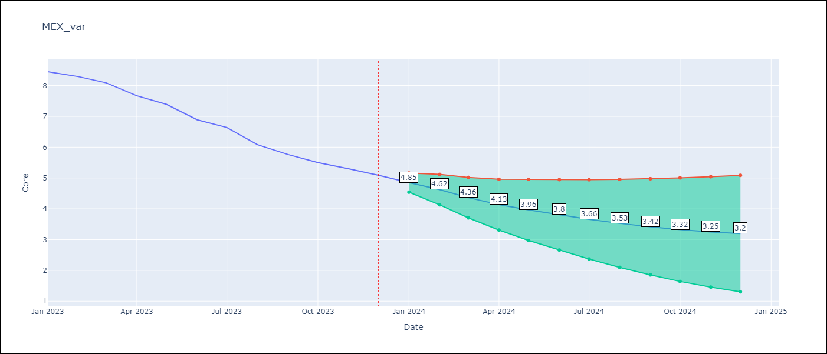

Test Metrics
RMSE | 1.57
Naive RMSE | 1.97
MAPE | 22.4%

Test Predictions
Date | Predicted | Actual
2023-01-01 | 8.38 | 8.45
2023-02-01 | 8.47 | 8.29
2023-03-01 | 8.4 | 8.09
2023-04-01 | 8.33 | 7.67
2023-05-01 | 8.28 | 7.39
2023-06-01 | 8.18 | 6.89
2023-07-01 | 8.08 | 6.64
2023-08-01 | 7.98 | 6.08
2023-09-01 | 7.88 | 5.76
2023-10-01 | 7.76 | 5.5
2023-11-01 | 7.64 | 5.3
2023-12-01 | 7.51 | 5.09

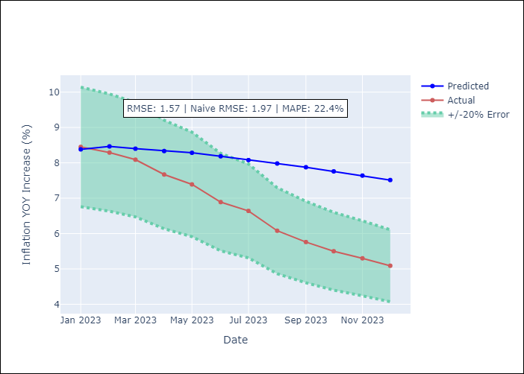

Appendix A: Model Summary
Model | VAR - 5
Sample | 2009-01-01 to 2023-12-01
No. of Observations | 179
Terms | P-value (Statistical significance)

