MEX
MEX - Inflation - Next 12 months forecast as of: 2023-12-01

Model | VAR - 2 | Exogenous Variables | Core, Non-Core, Exchange rate , Montery Base
Training Data | 2009-01-01 to 2023-01-01
Test Data | 2023-01-01 to 2023-12-01

Date | Inflation Change YoY % | Lower Bound - 95% Confidence Interval | Upper Bound - 95% Confidence Interval
2024-01-01 | 4.5 | 3.81 | 5.19
2024-02-01 | 4.41 | 3.31 | 5.51
2024-03-01 | 4.36 | 2.95 | 5.76
2024-04-01 | 4.33 | 2.7 | 5.96
2024-05-01 | 4.31 | 2.51 | 6.11
2024-06-01 | 4.3 | 2.37 | 6.23
2024-07-01 | 4.29 | 2.25 | 6.32
2024-08-01 | 4.27 | 2.16 | 6.39
2024-09-01 | 4.26 | 2.07 | 6.45
2024-10-01 | 4.25 | 2 | 6.5
2024-11-01 | 4.24 | 1.94 | 6.55
2024-12-01 | 4.23 | 1.88 | 6.59

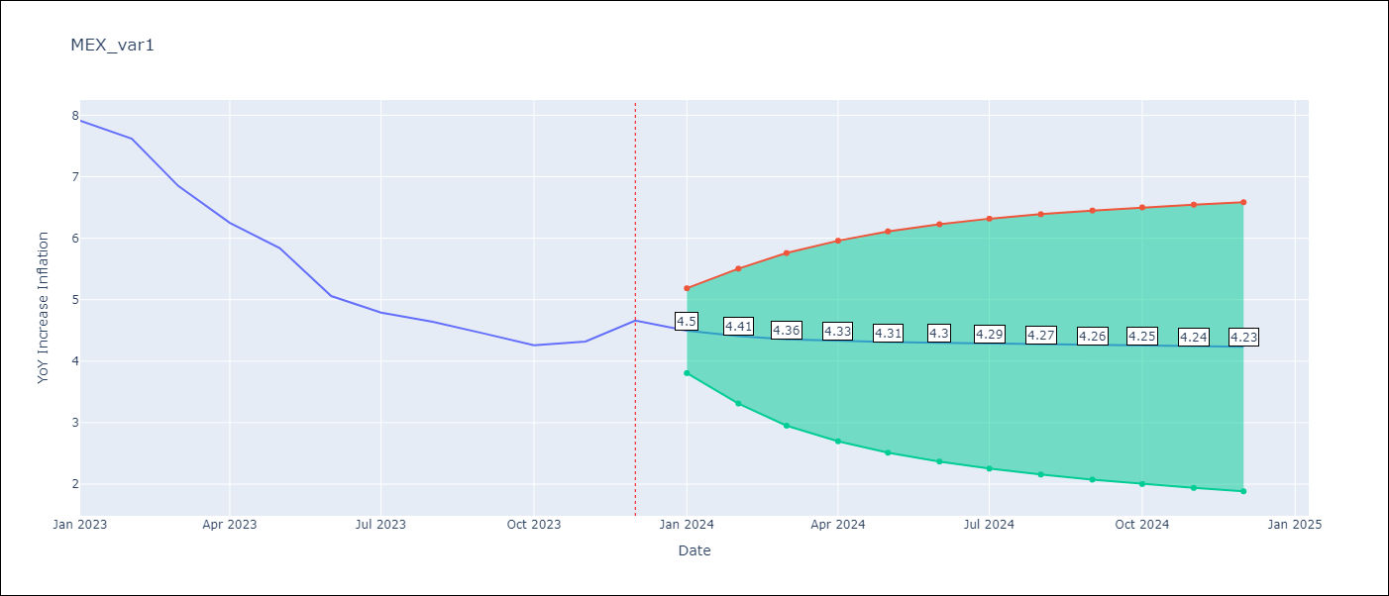

Test Metrics
RMSE | 2.1
Naive RMSE | 2.59
MAPE | 38.52%

Test Predictions
Date | Predicted | Actual
2023-01-01 | 7.59 | 7.91
2023-02-01 | 7.48 | 7.62
2023-03-01 | 7.4 | 6.85
2023-04-01 | 7.35 | 6.25
2023-05-01 | 7.32 | 5.84
2023-06-01 | 7.3 | 5.06
2023-07-01 | 7.28 | 4.79
2023-08-01 | 7.26 | 4.64
2023-09-01 | 7.24 | 4.45
2023-10-01 | 7.22 | 4.26
2023-11-01 | 7.19 | 4.32
2023-12-01 | 7.17 | 4.66

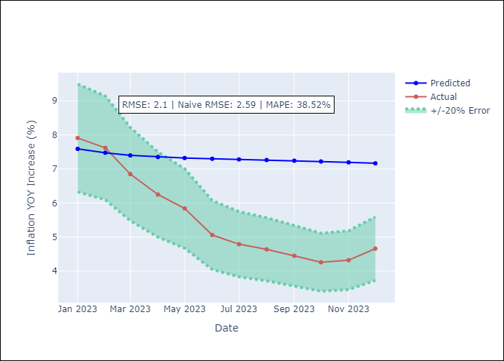

Appendix A: Model Summary
Model | VAR - 2
Sample | 2009-01-01 to 2023-12-01
No. of Observations | 179
Terms | P-value (Statistical significance)

