MEX
MEX - Inflation - Next 12 months forecast as of: 2023-12-01

Model | VAR - 12 | Exogenous Variables | Core, Non-Core, Target Rate, Exchange rate , Montery Base
Training Data | 2009-01-01 to 2023-01-01
Test Data | 2023-01-01 to 2023-12-01

Date | Inflation Change YoY % | Lower Bound - 95% Confidence Interval | Upper Bound - 95% Confidence Interval
2024-01-01 | 5.01 | 4.37 | 5.66
2024-02-01 | 5.21 | 4.21 | 6.2
2024-03-01 | 5.27 | 4.05 | 6.5
2024-04-01 | 5.57 | 4.16 | 6.97
2024-05-01 | 5.68 | 4.09 | 7.27
2024-06-01 | 5.68 | 3.92 | 7.43
2024-07-01 | 5.6 | 3.7 | 7.51
2024-08-01 | 5.73 | 3.68 | 7.78
2024-09-01 | 5.97 | 3.8 | 8.13
2024-10-01 | 6.07 | 3.83 | 8.31
2024-11-01 | 6.16 | 3.86 | 8.46
2024-12-01 | 5.98 | 3.62 | 8.34

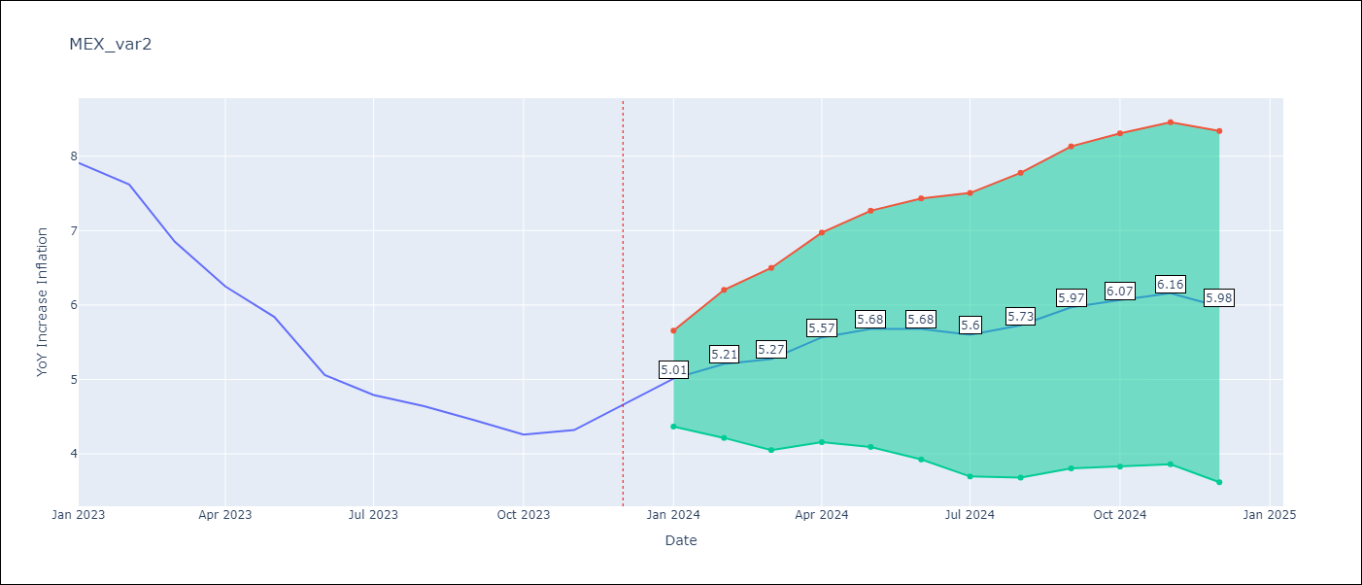

Test Metrics
RMSE | 1.16
Naive RMSE | 2.59
MAPE | 20.9%

Test Predictions
Date | Predicted | Actual
2023-01-01 | 7.83 | 7.91
2023-02-01 | 8.02 | 7.62
2023-03-01 | 8.18 | 6.85
2023-04-01 | 7.49 | 6.25
2023-05-01 | 7.12 | 5.84
2023-06-01 | 6.55 | 5.06
2023-07-01 | 6.15 | 4.79
2023-08-01 | 5.93 | 4.64
2023-09-01 | 5.84 | 4.45
2023-10-01 | 5.68 | 4.26
2023-11-01 | 5.42 | 4.32
2023-12-01 | 5.02 | 4.66

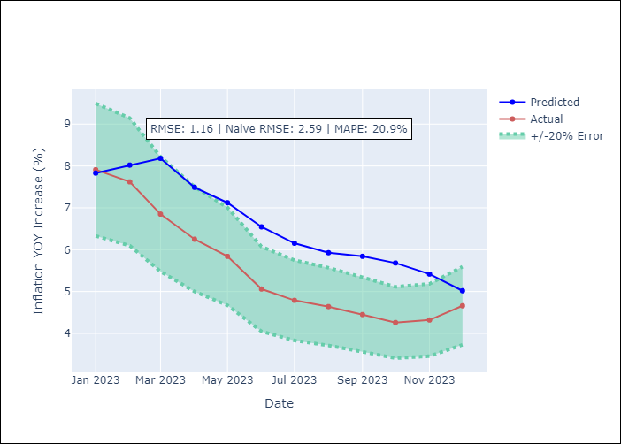

Appendix A: Model Summary
Model | VAR - 12
Sample | 2009-01-01 to 2023-12-01
No. of Observations | 179
Terms | P-value (Statistical significance)

