MEX
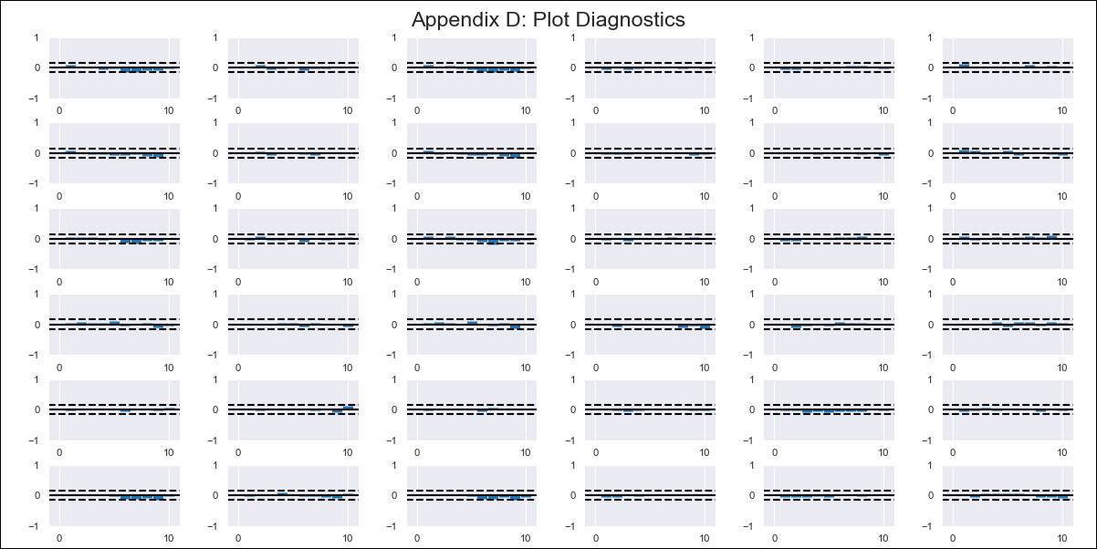
MEX - Inflation - Next 12 months forecast as of: 2023-12-01

Model | VAR - 12 | Exogenous Variables | Core, Non-Core, Target Rate, Exchange rate , Montery Base
Training Data | 2009-01-01 to 2023-01-01
Test Data | 2023-01-01 to 2023-12-01

Date | Inflation Change YoY % | Lower Bound - 95% Confidence Interval | Upper Bound - 95% Confidence Interval
2024-01-01 | 5.01 | 4.37 | 5.66
2024-02-01 | 5.21 | 4.21 | 6.2
2024-03-01 | 5.27 | 4.05 | 6.5
2024-04-01 | 5.57 | 4.16 | 6.97
2024-05-01 | 5.68 | 4.09 | 7.27
2024-06-01 | 5.68 | 3.92 | 7.43
2024-07-01 | 5.6 | 3.7 | 7.51
2024-08-01 | 5.73 | 3.68 | 7.78
2024-09-01 | 5.97 | 3.8 | 8.13
2024-10-01 | 6.07 | 3.83 | 8.31
2024-11-01 | 6.16 | 3.86 | 8.46
2024-12-01 | 5.98 | 3.62 | 8.34

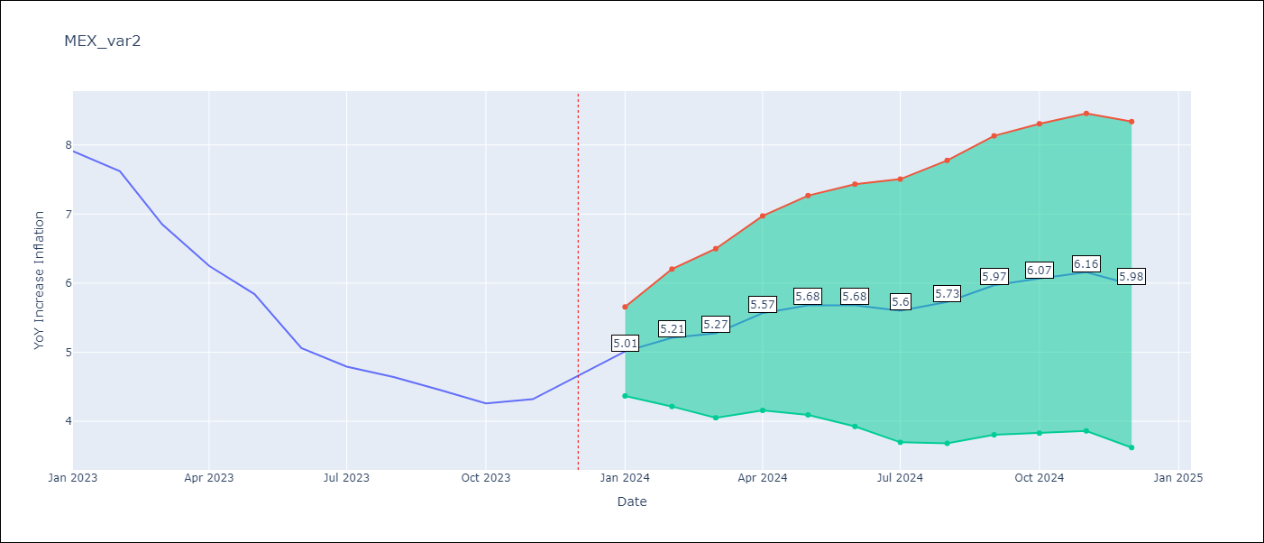

Test Metrics
RMSE | 1.16
Naive RMSE | 2.59
MAPE | 20.9%

Test Predictions
Date | Predicted | Actual
2023-01-01 | 7.83 | 7.91
2023-02-01 | 8.02 | 7.62
2023-03-01 | 8.18 | 6.85
2023-04-01 | 7.49 | 6.25
2023-05-01 | 7.12 | 5.84
2023-06-01 | 6.55 | 5.06
2023-07-01 | 6.15 | 4.79
2023-08-01 | 5.93 | 4.64
2023-09-01 | 5.84 | 4.45
2023-10-01 | 5.68 | 4.26
2023-11-01 | 5.42 | 4.32
2023-12-01 | 5.02 | 4.66

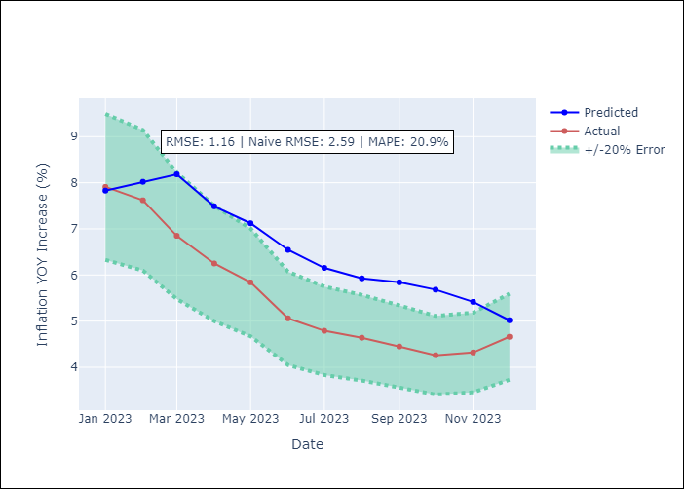

Appendix A: Model Summary
Model | VAR - 12
Sample | 2009-01-01 to 2023-12-01
No. of Observations | 179
Terms | P-value (Statistical significance)
L1.YoY Increase Inflation | 0.72570220779
L1.Core | 0.23671011367
L1.Non-Core | 0.43098280472
L1.Target Rate | 0.83085513641
L1.Exchange rate | 0.0025348224442
L1.Montery Base | 0.24483300434
L2.YoY Increase Inflation | 0.75212424573
L2.Core | 0.97407996977
L2.Non-Core | 0.86503580505
L2.Target Rate | 0.41814579138
L2.Exchange rate | 0.0005339394243
L2.Montery Base | 0.0066393069908
L3.YoY Increase Inflation | 0.24780156112
L3.Core | 0.28256565976
L3.Non-Core | 0.27475603815
L3.Target Rate | 0.77161507908
L3.Exchange rate | 0.11543911395
L3.Montery Base | 0.86093063857
L4.YoY Increase Inflation | 0.42367100035
L4.Core | 0.43086442908
L4.Non-Core | 0.39262627886
L4.Target Rate | 0.51504675568
L4.Exchange rate | 0.11368187411
L4.Montery Base | 0.086611695857
L5.YoY Increase Inflation | 0.41710110365
L5.Core | 0.32449899646
L5.Non-Core | 0.43324877129
L5.Target Rate | 0.95906972212
L5.Exchange rate | 0.34634311432
L5.Montery Base | 0.20357480599
L6.YoY Increase Inflation | 0.99080102219
L6.Core | 0.9793889618
L6.Non-Core | 0.97618403375
L6.Target Rate | 0.72717153148
L6.Exchange rate | 0.37768431301
L6.Montery Base | 0.88576663989
L7.YoY Increase Inflation | 0.43018019031
L7.Core | 0.42102774777
L7.Non-Core | 0.38013027724
L7.Target Rate | 0.19142032183
L7.Exchange rate | 0.33764475263
L7.Montery Base | 0.98262999254
L8.YoY Increase Inflation | 0.12440601487
L8.Core | 0.11950298123
L8.Non-Core | 0.11058515687
L8.Target Rate | 0.9418580245
L8.Exchange rate | 0.19057103707
L8.Montery Base | 0.95472638987
L9.YoY Increase Inflation | 0.57010864436
L9.Core | 0.49454070859
L9.Non-Core | 0.54757251229
L9.Target Rate | 0.75307876914
L9.Exchange rate | 0.88244752374
L9.Montery Base | 0.33893414949
L10.YoY Increase Inflation | 0.16014797395
L10.Core | 0.15923387368
L10.Non-Core | 0.1735446714
L10.Target Rate | 0.08438686796
L10.Exchange rate | 0.93275659524
L10.Montery Base | 0.41920198579
L11.YoY Increase Inflation | 0.094540357392
L11.Core | 0.10321818446
L11.Non-Core | 0.079763625456
L11.Target Rate | 0.15102332365
L11.Exchange rate | 0.53495296933
L11.Montery Base | 0.9499569387
L12.YoY Increase Inflation | 0.008518217406
L12.Core | 0.012290592236
L12.Non-Core | 0.0078779403925
L12.Target Rate | 0.21993655489
L12.Exchange rate | 0.86663957958
L12.Montery Base | 0.73184601956
Assumptions | P-value
Test Whiteness | Conclusion: reject H_0 - H_0: residual autocorrelation up to lag 13 is zero
Test Normality | Conclusion: reject H_0 - H_0: data generated by normally-distributed process

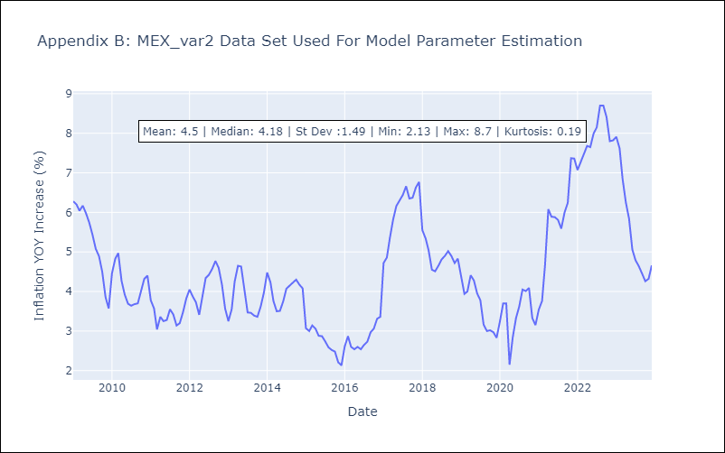

Appendix C: Residuals Analysis
Mean | YoY Increase Inflation 0.0 Core 0.0 Non-Core 0.0 Target Rate 0.0 Exchange rate -0.0 Montery Base -0.0 dtype: float64
Durbin-Watson | [1.78241332 1.90741054 1.79641775 2.02917503 2.03589155 1.89542622]
Normal? | No

