MEX
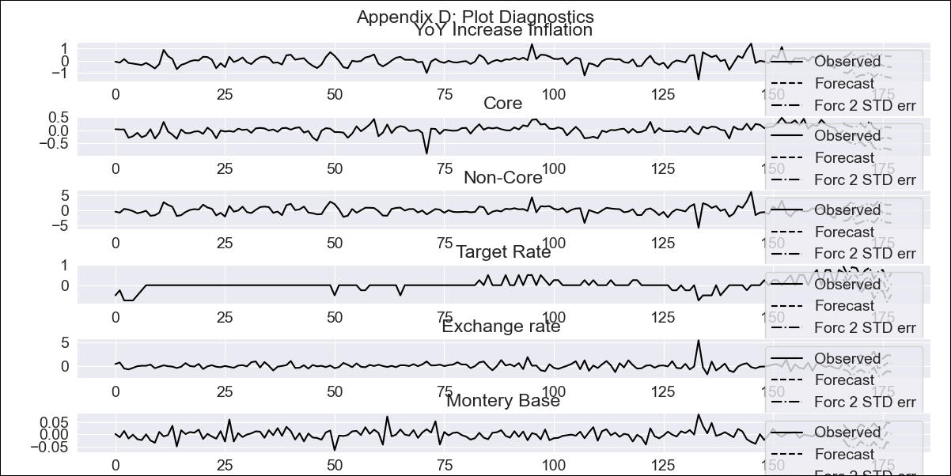
MEX - Inflation - Next 12 months forecast as of: 2023-12-01

Model | VAR - 12 | Exogenous Variables | Core, Non-Core, Target Rate, Exchange rate , Montery Base
Training Data | 2009-01-01 to 2023-01-01
Test Data | 2023-01-01 to 2023-12-01

Date | Inflation Change YoY % | Lower Bound - 95% Confidence Interval | Upper Bound - 95% Confidence Interval
2024-01-01 | 8.04 | 7.44 | 8.65
2024-02-01 | 4.16 | 3.44 | 4.88
2024-03-01 | 2.6 | 1.87 | 3.33
2024-04-01 | 1.58 | 0.83 | 2.34
2024-05-01 | 1.35 | 0.58 | 2.11
2024-06-01 | 1.16 | 0.37 | 1.94
2024-07-01 | 0.95 | 0.16 | 1.74
2024-08-01 | 1.54 | 0.72 | 2.35
2024-09-01 | 1.31 | 0.49 | 2.13
2024-10-01 | -0.53 | -1.36 | 0.31
2024-11-01 | -3.1 | -3.97 | -2.23
2024-12-01 | -5.26 | -6.15 | -4.38

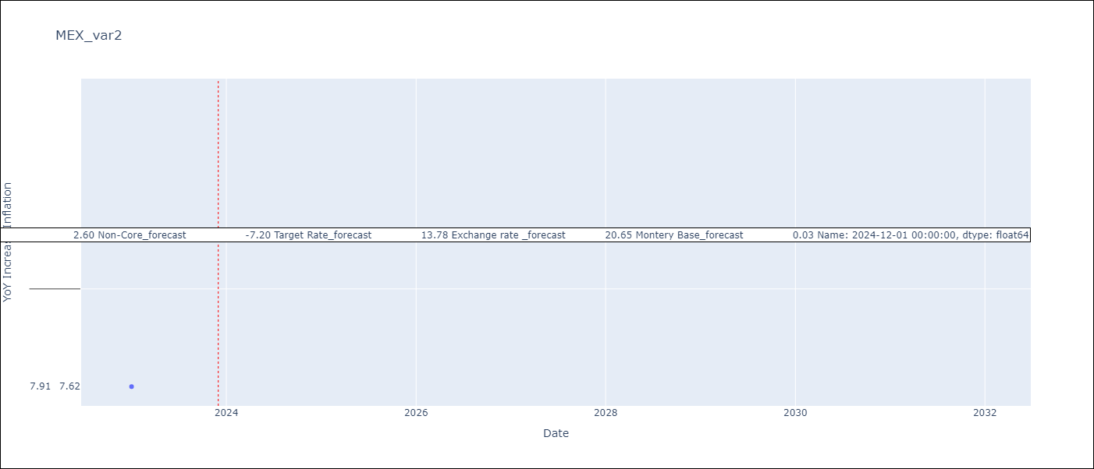

Test Metrics
RMSE | 49.3
Naive RMSE | 2.59
MAPE | 582.33%

Test Predictions
Date | Predicted | Actual
2022-01-01 | 22.27 | 7.07
2022-02-01 | 31.11 | 7.28
2022-03-01 | 38.48 | 7.45
2022-04-01 | 45.23 | 7.68
2022-05-01 | 50.45 | 7.65
2022-06-01 | 55.77 | 7.99
2022-07-01 | 61.03 | 8.15
2022-08-01 | 66.49 | 8.7
2022-09-01 | 71.37 | 8.7
2022-10-01 | 73.51 | 8.41
2022-11-01 | 71.87 | 7.8
2022-12-01 | 66.77 | 7.82

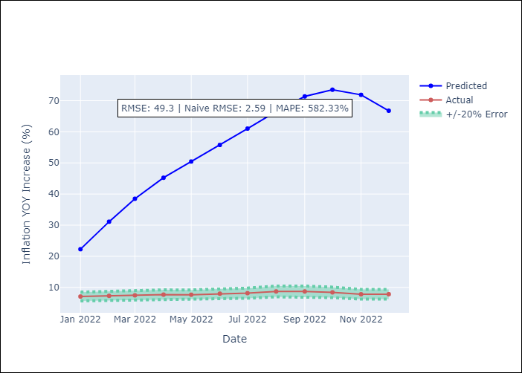

Appendix A: Model Summary
Model | VAR - 12
Sample | 2009-01-01 to 2023-12-01
No. of Observations | 179
Terms | P-value (Statistical significance)
L1.YoY Increase Inflation | 0.044680469321
L1.Core | 0.013118500433
L1.Non-Core | 0.04318473034
L1.Target Rate | 0.20641720869
L1.Exchange rate | 0.00076917128649
L1.Montery Base | 0.88211072766
L2.YoY Increase Inflation | 0.33879063115
L2.Core | 0.32192486436
L2.Non-Core | 0.30374782572
L2.Target Rate | 0.75280835466
L2.Exchange rate | 0.7879546404
L2.Montery Base | 0.11042693099
L3.YoY Increase Inflation | 0.10181628521
L3.Core | 0.12090677068
L3.Non-Core | 0.10648183171
L3.Target Rate | 0.61126746016
L3.Exchange rate | 0.57762777556
L3.Montery Base | 0.78045328785
L4.YoY Increase Inflation | 0.99025857218
L4.Core | 0.97505883805
L4.Non-Core | 0.96638076407
L4.Target Rate | 0.86594237249
L4.Exchange rate | 0.82819402631
L4.Montery Base | 0.078359136896
L5.YoY Increase Inflation | 0.51991216626
L5.Core | 0.49101446323
L5.Non-Core | 0.54891451957
L5.Target Rate | 0.14955441079
L5.Exchange rate | 0.55789256719
L5.Montery Base | 0.47645820715
L6.YoY Increase Inflation | 0.97704997287
L6.Core | 0.86977850149
L6.Non-Core | 0.98903279068
L6.Target Rate | 0.0575890602
L6.Exchange rate | 0.4649391025
L6.Montery Base | 0.55941978661
L7.YoY Increase Inflation | 0.76117587901
L7.Core | 0.7741495625
L7.Non-Core | 0.88479954975
L7.Target Rate | 0.82038181222
L7.Exchange rate | 0.97340172211
L7.Montery Base | 0.87794848223
L8.YoY Increase Inflation | 0.095558219719
L8.Core | 0.10845577058
L8.Non-Core | 0.096556698918
L8.Target Rate | 0.45147649205
L8.Exchange rate | 0.74530410874
L8.Montery Base | 0.29311428999
L9.YoY Increase Inflation | 0.10034108585
L9.Core | 0.12017073166
L9.Non-Core | 0.12165618434
L9.Target Rate | 0.065340589054
L9.Exchange rate | 0.43422397871
L9.Montery Base | 0.48736785868
L10.YoY Increase Inflation | 0.065212057367
L10.Core | 0.046653143288
L10.Non-Core | 0.065016310307
L10.Target Rate | 0.094303289815
L10.Exchange rate | 0.4616483879
L10.Montery Base | 0.66327631976
L11.YoY Increase Inflation | 0.74452267419
L11.Core | 0.77598446232
L11.Non-Core | 0.72435573556
L11.Target Rate | 0.17598392995
L11.Exchange rate | 0.0095624241037
L11.Montery Base | 0.62958460586
L12.YoY Increase Inflation | 0.031782894007
L12.Core | 0.057628866907
L12.Non-Core | 0.040070974535
L12.Target Rate | 0.58775761448
L12.Exchange rate | 0.61661051165
L12.Montery Base | 0.18032999201
Assumptions | P-value
Test Whiteness | Conclusion: reject H_0 - H_0: residual autocorrelation up to lag 13 is zero
Test Normality | Conclusion: reject H_0 - H_0: data generated by normally-distributed process

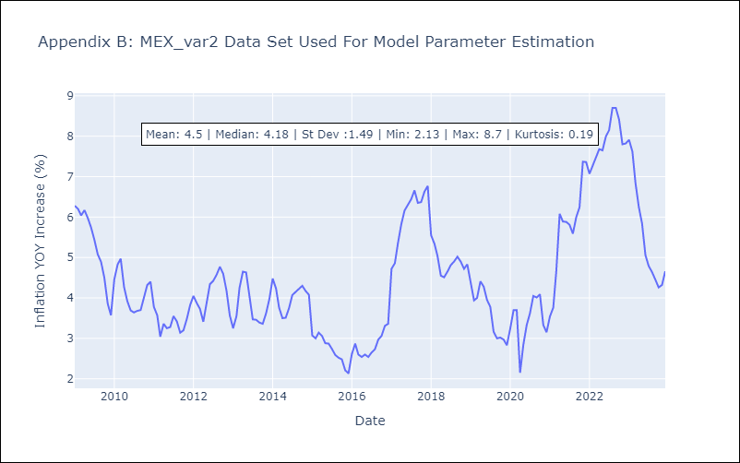

Appendix C: Residuals Analysis
Mean | 0.0
Durbin-Watson | [1.7627283 1.89775872 1.80197557 1.98470794 1.94746187 2.20323702]
Normal? | No

