MEX
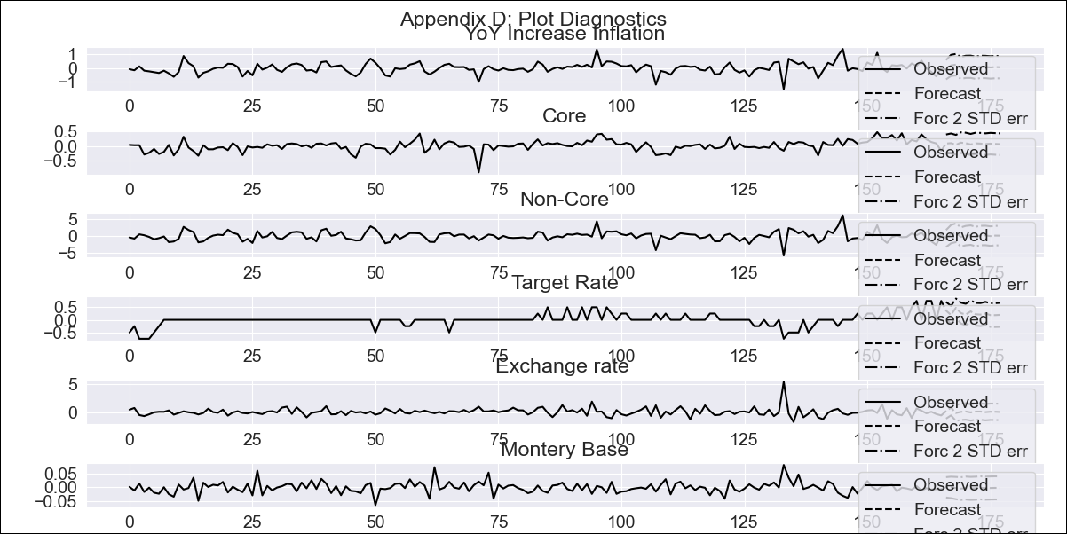
MEX - Inflation - Next 12 months forecast as of: 2023-12-01

Model | VAR - 3 | Exogenous Variables | Core, Non-Core, Target Rate, Exchange rate , Montery Base
Training Data | 2009-01-01 to 2023-01-01
Test Data | 2023-01-01 to 2023-12-01

Date | Inflation Change YoY % | Lower Bound - 95% Confidence Interval | Upper Bound - 95% Confidence Interval
2024-01-01 | 5.97 | 5.26 | 6.68
2024-02-01 | 4.24 | 3.46 | 5.01
2024-03-01 | 3.82 | 3.03 | 4.61
2024-04-01 | 3.23 | 2.42 | 4.04
2024-05-01 | 2.72 | 1.9 | 3.54
2024-06-01 | 2.12 | 1.3 | 2.94
2024-07-01 | 1.83 | 1.01 | 2.65
2024-08-01 | 1.73 | 0.91 | 2.56
2024-09-01 | 1.58 | 0.76 | 2.4
2024-10-01 | 1.49 | 0.66 | 2.31
2024-11-01 | 1.39 | 0.56 | 2.21
2024-12-01 | 1.23 | 0.41 | 2.06

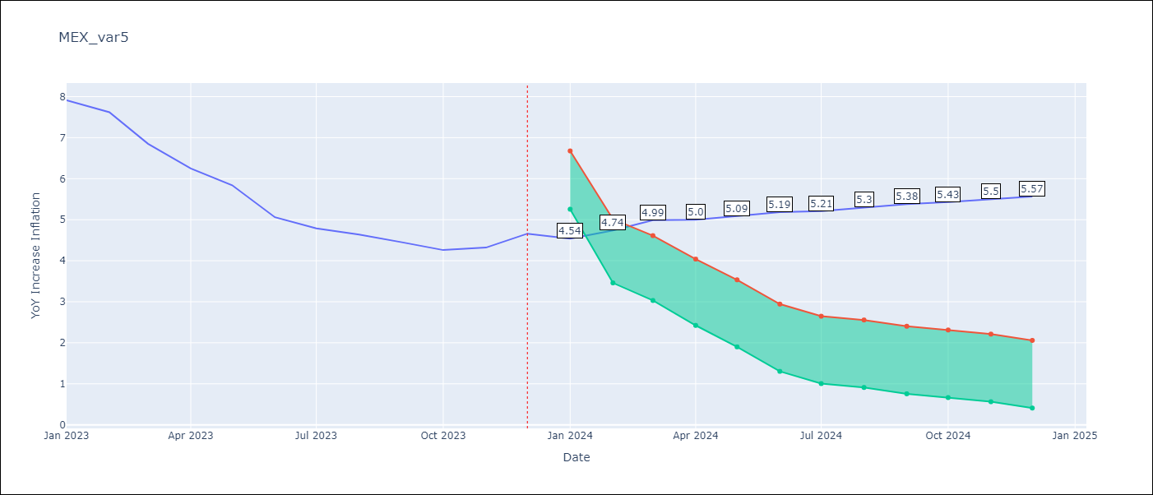

Test Metrics
RMSE | 25.04
Naive RMSE | 2.59
MAPE | 297.44%

Test Predictions
Date | Predicted | Actual
2022-01-01 | 15.5 | 7.07
2022-02-01 | 19.53 | 7.28
2022-03-01 | 23.62 | 7.45
2022-04-01 | 27.2 | 7.68
2022-05-01 | 30.1 | 7.65
2022-06-01 | 32.55 | 7.99
2022-07-01 | 34.57 | 8.15
2022-08-01 | 36.34 | 8.7
2022-09-01 | 37.98 | 8.7
2022-10-01 | 39.48 | 8.41
2022-11-01 | 40.84 | 7.8
2022-12-01 | 42.08 | 7.82

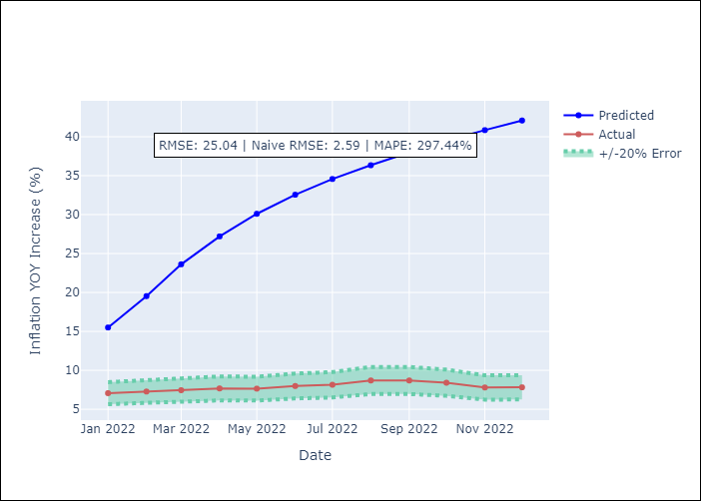

Appendix A: Model Summary
Model | VAR - 3
Sample | 2009-01-01 to 2023-12-01
No. of Observations | 179
Terms | P-value (Statistical significance)
L1.YoY Increase Inflation | 0.10787633339
L1.Core | 0.033754039163
L1.Non-Core | 0.097844276419
L1.Target Rate | 0.57058590887
L1.Exchange rate | 0.017087778458
L1.Montery Base | 0.70460970439
L2.YoY Increase Inflation | 0.86776588593
L2.Core | 0.97540777454
L2.Non-Core | 0.91639001554
L2.Target Rate | 0.57977096733
L2.Exchange rate | 0.35736135814
L2.Montery Base | 0.01146615507
L3.YoY Increase Inflation | 0.98615301552
L3.Core | 0.98176491134
L3.Non-Core | 0.94361483823
L3.Target Rate | 0.44830483786
L3.Exchange rate | 0.75027382841
L3.Montery Base | 0.14366082687
Assumptions | P-value
Test Whiteness | Conclusion: fail to reject H_0 - H_0: residual autocorrelation up to lag 10 is zero
Test Normality | Conclusion: reject H_0 - H_0: data generated by normally-distributed process

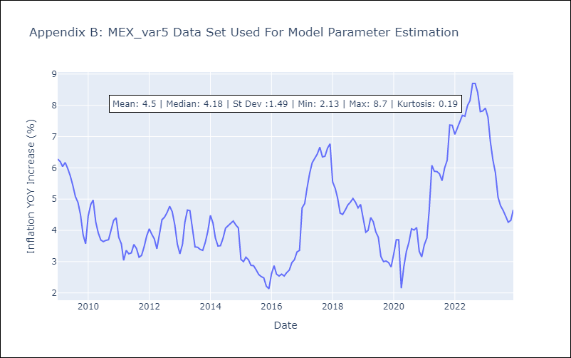

Appendix C: Residuals Analysis
Mean | 0.0
Durbin-Watson | [1.98645422 2.01293568 1.98329924 1.87554756 1.99626774 2.0262425 ]
Normal? | No

