MEX
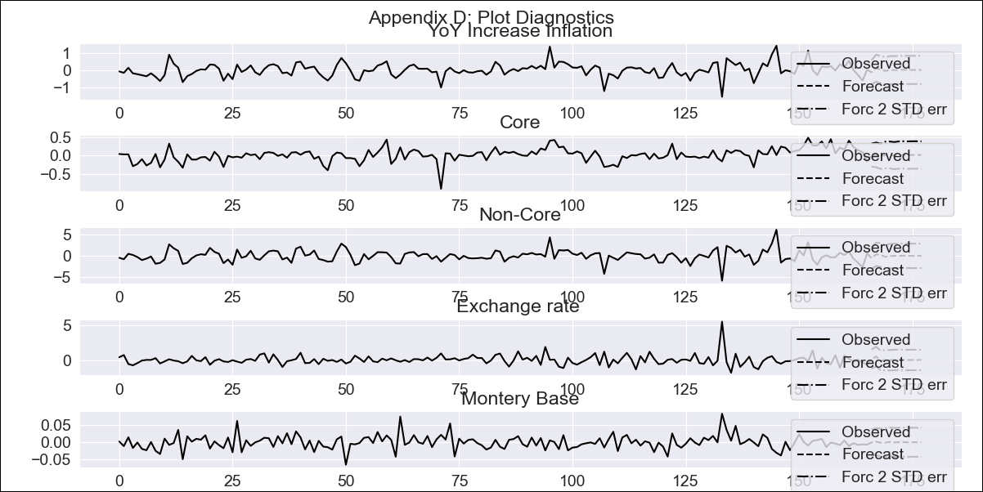
MEX - Inflation - Next 12 months forecast as of: 2023-12-01

Model | VAR - 3 | Exogenous Variables | Core, Non-Core, Exchange rate , Montery Base
Training Data | 2009-01-01 to 2023-01-01
Test Data | 2023-01-01 to 2023-12-01

Date | Inflation Change YoY % | Lower Bound - 95% Confidence Interval | Upper Bound - 95% Confidence Interval
2024-01-01 | 5.25 | 4.54 | 5.96
2024-02-01 | 1.81 | 1.03 | 2.59
2024-03-01 | 1.94 | 1.15 | 2.73
2024-04-01 | 1.93 | 1.12 | 2.73
2024-05-01 | 1.35 | 0.53 | 2.16
2024-06-01 | 1.02 | 0.21 | 1.84
2024-07-01 | 0.68 | -0.14 | 1.49
2024-08-01 | 0.49 | -0.33 | 1.3
2024-09-01 | 0.43 | -0.39 | 1.24
2024-10-01 | 0.36 | -0.45 | 1.18
2024-11-01 | 0.3 | -0.51 | 1.12
2024-12-01 | 0.24 | -0.57 | 1.06

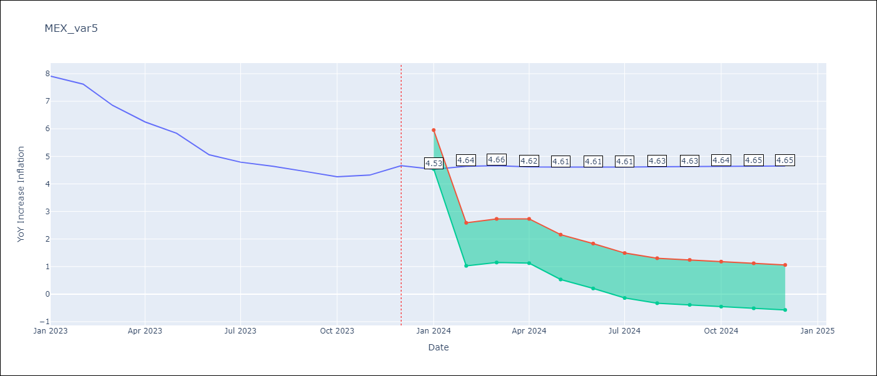

Test Metrics
RMSE | 0.5
Naive RMSE | 2.59
MAPE | 4.96%

Test Predictions
Date | Predicted | Actual
2022-01-01 | 7.69 | 7.07
2022-02-01 | 7.8 | 7.28
2022-03-01 | 7.82 | 7.45
2022-04-01 | 7.78 | 7.68
2022-05-01 | 7.77 | 7.65
2022-06-01 | 7.77 | 7.99
2022-07-01 | 7.77 | 8.15
2022-08-01 | 7.79 | 8.7
2022-09-01 | 7.79 | 8.7
2022-10-01 | 7.8 | 8.41
2022-11-01 | 7.81 | 7.8
2022-12-01 | 7.81 | 7.82

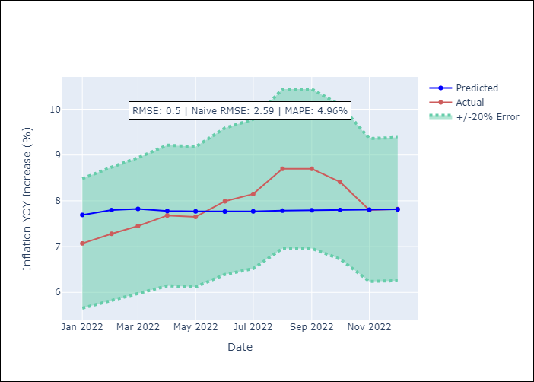

Appendix A: Model Summary
Model | VAR - 3
Sample | 2009-01-01 to 2023-12-01
No. of Observations | 179
Terms | P-value (Statistical significance)
L1.YoY Increase Inflation | 0.062147266225
L1.Core | 0.015370974924
L1.Non-Core | 0.056010516084
L1.Exchange rate | 0.0096242054513
L1.Montery Base | 0.64401470697
L2.YoY Increase Inflation | 0.81735605742
L2.Core | 0.95998845868
L2.Non-Core | 0.87522855668
L2.Exchange rate | 0.33579534921
L2.Montery Base | 0.011387989466
L3.YoY Increase Inflation | 0.9931895686
L3.Core | 0.95964077679
L3.Non-Core | 0.94631376281
L3.Exchange rate | 0.74282228434
L3.Montery Base | 0.15717628171
Assumptions | P-value
Test Whiteness | Conclusion: fail to reject H_0 - H_0: residual autocorrelation up to lag 10 is zero
Test Normality | Conclusion: reject H_0 - H_0: data generated by normally-distributed process

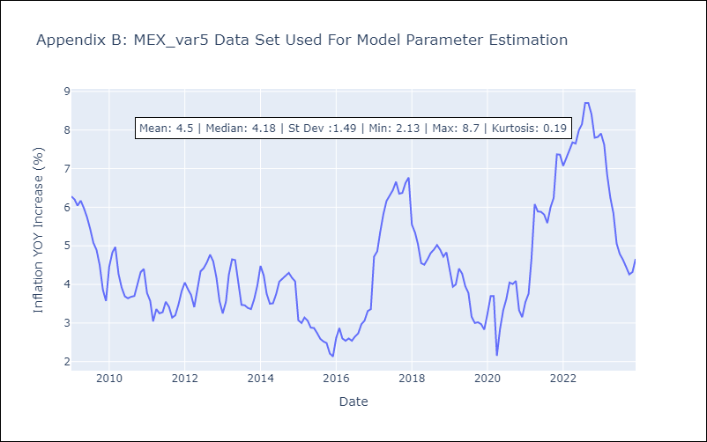

Appendix C: Residuals Analysis
Mean | -0.0
Durbin-Watson | [1.982801 2.0122079 1.97159992 2.00307417 2.02840394]
Normal? | No

