MEX
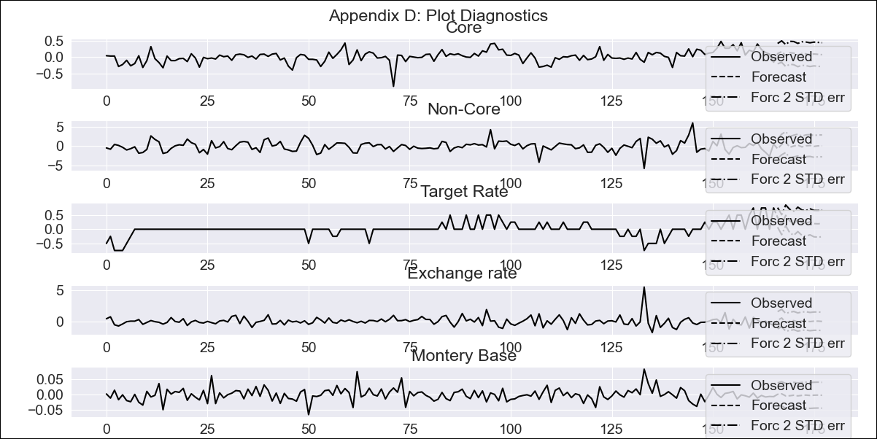
MEX - Inflation - Next 12 months forecast as of: 2023-12-01

Model | VAR - 3 | Exogenous Variables | Non-Core, Target Rate, Exchange rate , Montery Base
Training Data | 2009-01-01 to 2023-01-01
Test Data | 2023-01-01 to 2023-12-01

Date | Inflation Change YoY % | Lower Bound - 95% Confidence Interval | Upper Bound - 95% Confidence Interval
2024-01-01 | 5.19 | 4.88 | 5.51
2024-02-01 | 5.36 | 4.72 | 6
2024-03-01 | 5.41 | 4.43 | 6.39
2024-04-01 | 5.54 | 4.21 | 6.87
2024-05-01 | 5.66 | 3.97 | 7.34
2024-06-01 | 5.72 | 3.67 | 7.76
2024-07-01 | 5.83 | 3.42 | 8.23
2024-08-01 | 5.93 | 3.16 | 8.69
2024-09-01 | 6 | 2.87 | 9.13
2024-10-01 | 6.09 | 2.59 | 9.59
2024-11-01 | 6.18 | 2.31 | 10.04
2024-12-01 | 6.25 | 2.02 | 10.48

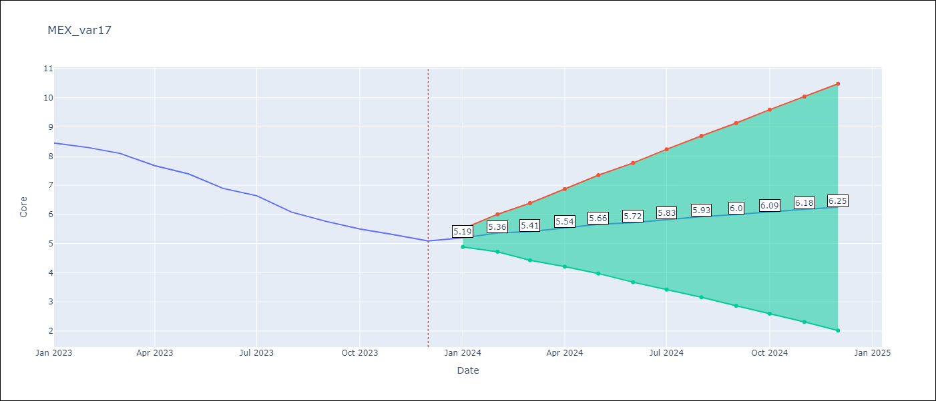

Test Metrics
RMSE | 1.51
Naive RMSE | 1.97
MAPE | 19.96%

Test Predictions
Date | Predicted | Actual
2022-01-01 | 8.45 | 6.21
2022-02-01 | 8.62 | 6.59
2022-03-01 | 8.67 | 6.78
2022-04-01 | 8.8 | 7.22
2022-05-01 | 8.92 | 7.28
2022-06-01 | 8.98 | 7.49
2022-07-01 | 9.09 | 7.65
2022-08-01 | 9.19 | 8.05
2022-09-01 | 9.26 | 8.28
2022-10-01 | 9.35 | 8.42
2022-11-01 | 9.44 | 8.51
2022-12-01 | 9.51 | 8.35

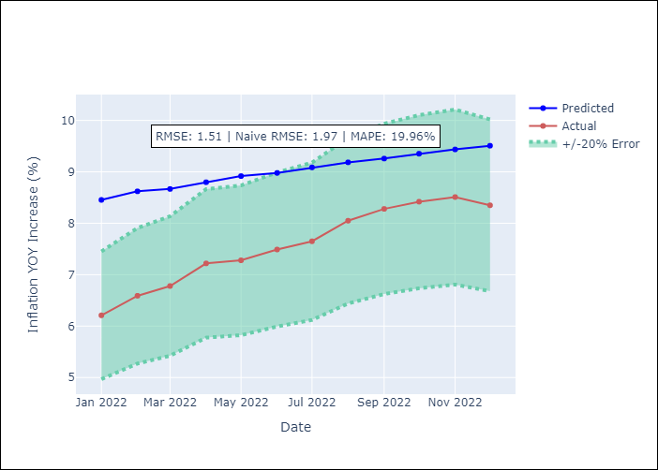

Appendix A: Model Summary
Model | VAR - 3
Sample | 2009-01-01 to 2023-12-01
No. of Observations | 179
Terms | P-value (Statistical significance)
L1.Core | 0.0010478188469
L1.Non-Core | 0.35665689394
L1.Target Rate | 0.061307532478
L1.Exchange rate | 0.070487934879
L1.Montery Base | 0.25268166085
L2.Core | 0.85805161415
L2.Non-Core | 0.72219995736
L2.Target Rate | 0.6918143999
L2.Exchange rate | 0.8935563122
L2.Montery Base | 0.12637600813
L3.Core | 0.0019077485165
L3.Non-Core | 0.076925876642
L3.Target Rate | 0.94340950294
L3.Exchange rate | 0.88348844977
L3.Montery Base | 0.58451636194
Assumptions | P-value
Test Whiteness | Conclusion: fail to reject H_0 - H_0: residual autocorrelation up to lag 10 is zero
Test Normality | Conclusion: reject H_0 - H_0: data generated by normally-distributed process

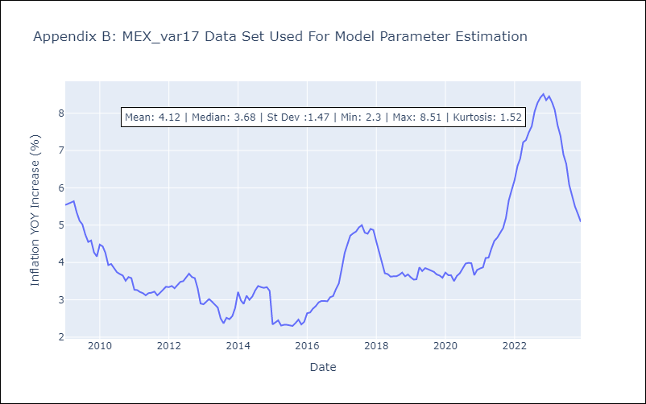

Appendix C: Residuals Analysis
Mean | 0.0
Durbin-Watson | [2.03600407 1.98790117 1.88352351 1.97897189 2.01045689]
Normal? | No

