MEX
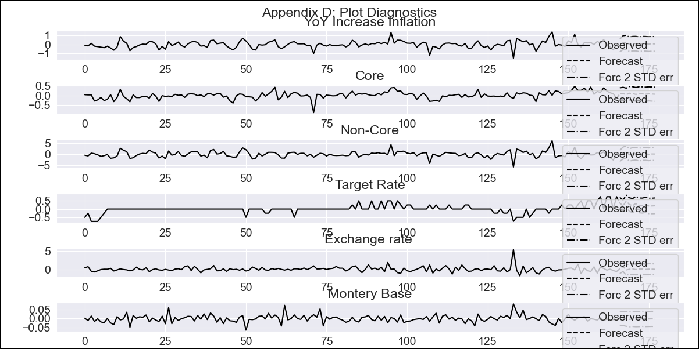
MEX - Inflation - Next 12 months forecast as of: 2023-12-01

Model | VAR - 3 | Exogenous Variables | Core, Non-Core, Target Rate, Exchange rate , Montery Base
Training Data | 2009-01-01 to 2023-01-01
Test Data | 2023-01-01 to 2023-12-01

Date | Inflation Change YoY % | Lower Bound - 95% Confidence Interval | Upper Bound - 95% Confidence Interval
2024-01-01 | 4.54 | 3.83 | 5.25
2024-02-01 | 4.74 | 3.25 | 6.22
2024-03-01 | 4.99 | 2.71 | 7.26
2024-04-01 | 5 | 1.91 | 8.08
2024-05-01 | 5.09 | 1.19 | 8.99
2024-06-01 | 5.19 | 0.46 | 9.91
2024-07-01 | 5.21 | -0.33 | 10.76
2024-08-01 | 5.3 | -1.07 | 11.67
2024-09-01 | 5.38 | -1.81 | 12.57
2024-10-01 | 5.43 | -2.59 | 13.44
2024-11-01 | 5.5 | -3.34 | 14.34
2024-12-01 | 5.57 | -4.09 | 15.23

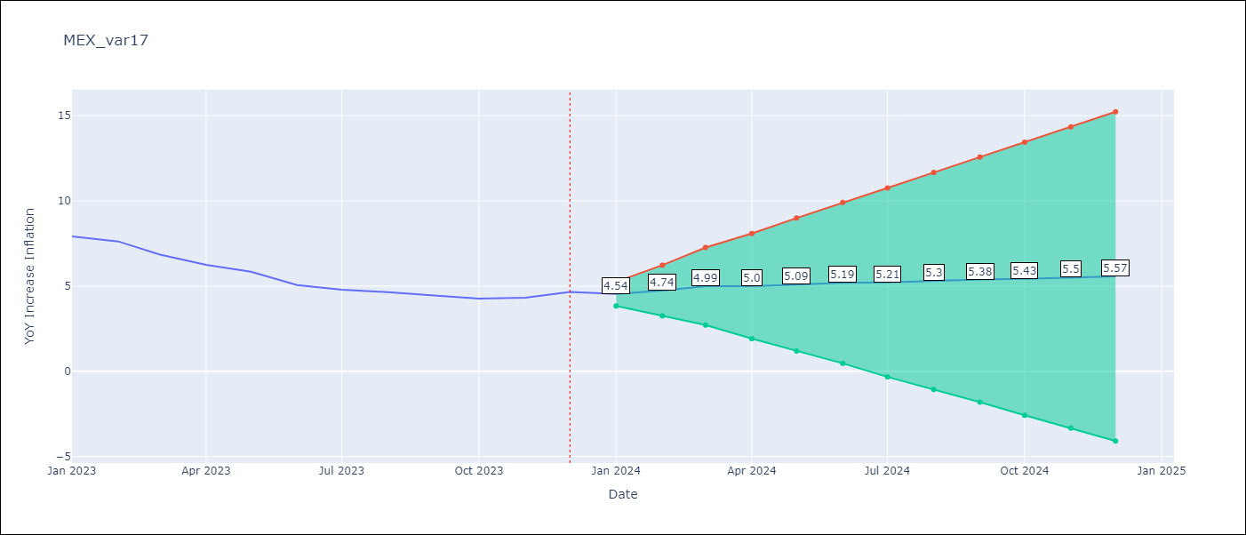

Test Metrics
RMSE | 0.56
Naive RMSE | 2.59
MAPE | 6.45%

Test Predictions
Date | Predicted | Actual
2022-01-01 | 7.7 | 7.07
2022-02-01 | 7.9 | 7.28
2022-03-01 | 8.15 | 7.45
2022-04-01 | 8.16 | 7.68
2022-05-01 | 8.25 | 7.65
2022-06-01 | 8.35 | 7.99
2022-07-01 | 8.37 | 8.15
2022-08-01 | 8.46 | 8.7
2022-09-01 | 8.54 | 8.7
2022-10-01 | 8.59 | 8.41
2022-11-01 | 8.66 | 7.8
2022-12-01 | 8.73 | 7.82

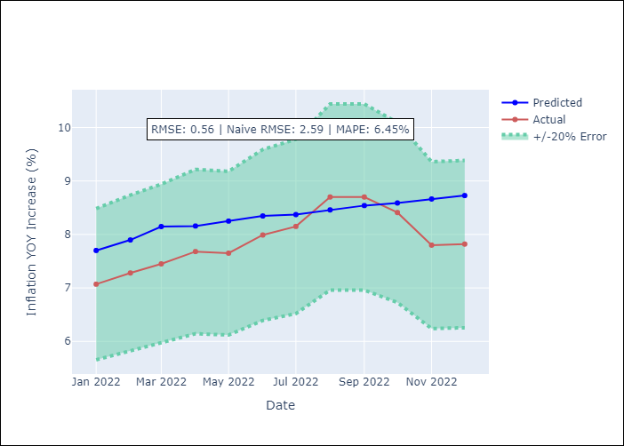

Appendix A: Model Summary
Model | VAR - 3
Sample | 2009-01-01 to 2023-12-01
No. of Observations | 179
Terms | P-value (Statistical significance)
L1.YoY Increase Inflation | 0.10787633339
L1.Core | 0.033754039163
L1.Non-Core | 0.097844276419
L1.Target Rate | 0.57058590887
L1.Exchange rate | 0.017087778458
L1.Montery Base | 0.70460970439
L2.YoY Increase Inflation | 0.86776588593
L2.Core | 0.97540777454
L2.Non-Core | 0.91639001554
L2.Target Rate | 0.57977096733
L2.Exchange rate | 0.35736135814
L2.Montery Base | 0.01146615507
L3.YoY Increase Inflation | 0.98615301552
L3.Core | 0.98176491134
L3.Non-Core | 0.94361483823
L3.Target Rate | 0.44830483786
L3.Exchange rate | 0.75027382841
L3.Montery Base | 0.14366082687
Assumptions | P-value
Test Whiteness | Conclusion: fail to reject H_0 - H_0: residual autocorrelation up to lag 10 is zero
Test Normality | Conclusion: reject H_0 - H_0: data generated by normally-distributed process

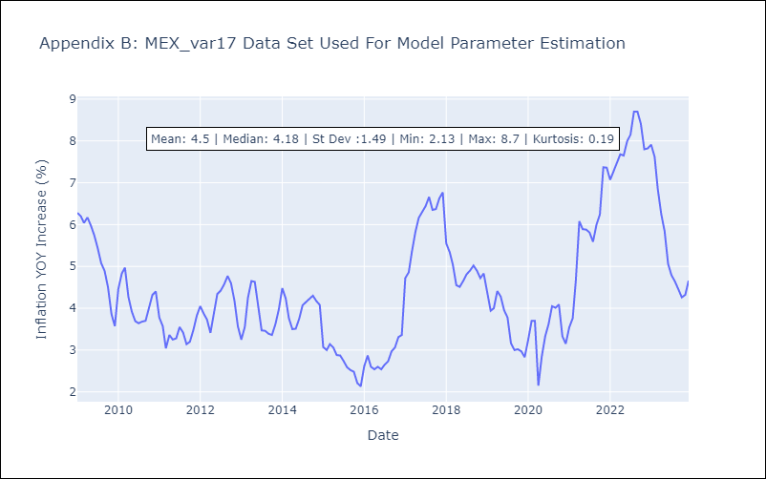

Appendix C: Residuals Analysis
Mean | 0.0
Durbin-Watson | [1.98645422 2.01293568 1.98329924 1.87554756 1.99626774 2.0262425 ]
Normal? | No

