MEX
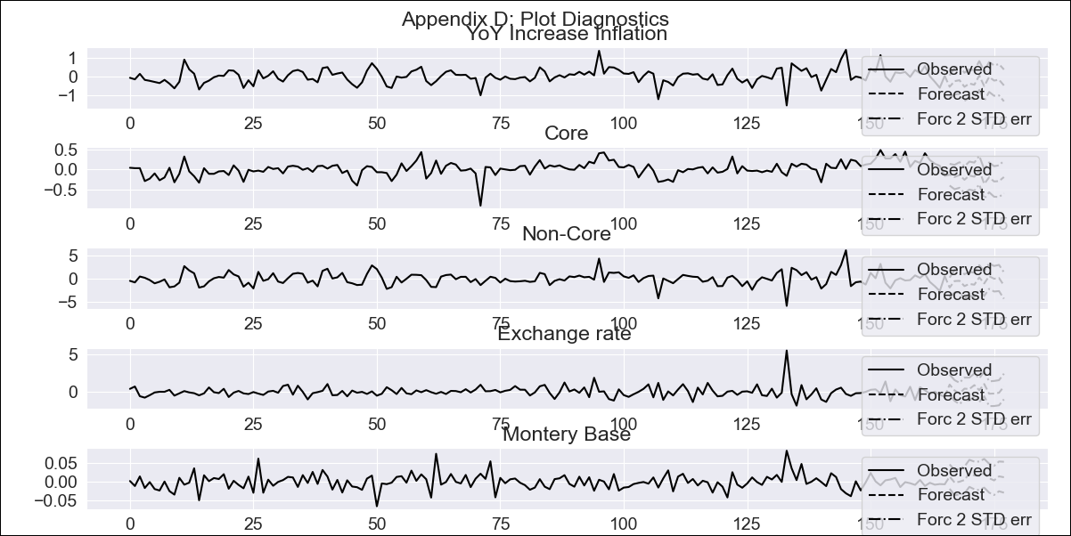
MEX - Inflation - Next 12 months forecast as of: 2023-12-01

Model | VAR - 12 | Exogenous Variables | Core, Non-Core, Exchange rate , Montery Base
Training Data | 2009-01-01 to 2023-01-01
Test Data | 2023-01-01 to 2023-12-01

Date | Inflation Change YoY % | Lower Bound - 95% Confidence Interval | Upper Bound - 95% Confidence Interval
2024-01-01 | 4.1 | 3.49 | 4.71
2024-02-01 | 3.85 | 2.53 | 5.17
2024-03-01 | 3.64 | 1.59 | 5.68
2024-04-01 | 3.08 | 0.28 | 5.87
2024-05-01 | 2.69 | -0.86 | 6.25
2024-06-01 | 2.24 | -2.07 | 6.56
2024-07-01 | 2.29 | -2.8 | 7.37
2024-08-01 | 1.76 | -4.11 | 7.64
2024-09-01 | 1.73 | -4.94 | 8.41
2024-10-01 | 1.5 | -5.98 | 8.99
2024-11-01 | 1.32 | -7 | 9.64
2024-12-01 | 0.84 | -8.33 | 10

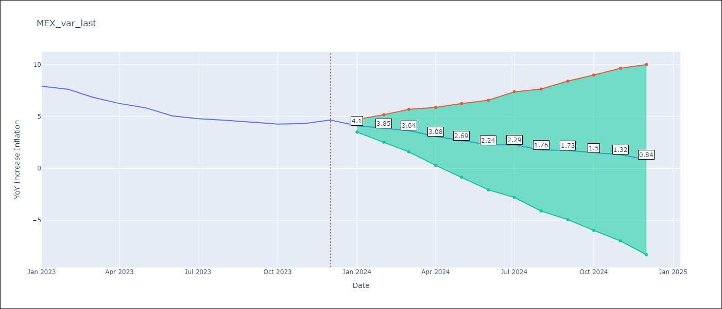

Test Metrics
RMSE | 0.43
Naive RMSE | 2.59
MAPE | 23.58%

Test Predictions
Date | Predicted | Actual
2023-01-01 | 7.26 | 7.91 | 0.4225
2023-02-01 | 7.01 | 7.62 | 0.3721
2023-03-01 | 6.8 | 6.85 | 0.0025
2023-04-01 | 6.24 | 6.25 | 0.0001
2023-05-01 | 5.85 | 5.84 | 0.0001
2023-06-01 | 5.4 | 5.06 | 0.1156
2023-07-01 | 5.45 | 4.79 | 0.4356
2023-08-01 | 4.92 | 4.64 | 0.0784
2023-09-01 | 4.89 | 4.45 | 0.1936
2023-10-01 | 4.66 | 4.26 | 0.16
2023-11-01 | 4.48 | 4.32 | 0.0256
2023-12-01 | 4 | 4.66 | 0.4356
 |  |  | 1.4972307771
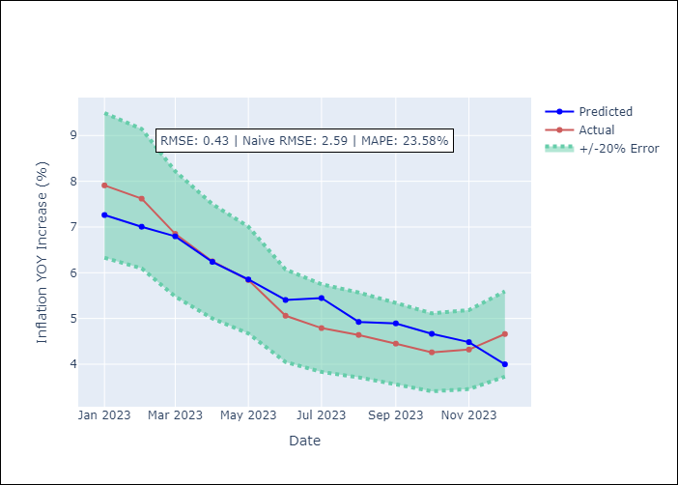

Appendix A: Model Summary
Model | VAR - 12
Sample | 2009-01-01 to 2023-12-01
No. of Observations | 179
Terms | P-value (Statistical significance)
L1.YoY Increase Inflation | 0.020946203579
L1.Core | 0.0047749330823
L1.Non-Core | 0.020830533251
L1.Exchange rate | 0.0016505978588
L1.Montery Base | 0.67627790602
L2.YoY Increase Inflation | 0.57042386214
L2.Core | 0.51647775197
L2.Non-Core | 0.55297300606
L2.Exchange rate | 0.5338677197
L2.Montery Base | 0.0092520390976
L3.YoY Increase Inflation | 0.11726114518
L3.Core | 0.12472187562
L3.Non-Core | 0.1237693582
L3.Exchange rate | 0.8312908798
L3.Montery Base | 0.66627741647
L4.YoY Increase Inflation | 0.91902960101
L4.Core | 0.82740611002
L4.Non-Core | 0.9059045522
L4.Exchange rate | 0.94901053653
L4.Montery Base | 0.026761820842
L5.YoY Increase Inflation | 0.51373391357
L5.Core | 0.46119885109
L5.Non-Core | 0.55686179687
L5.Exchange rate | 0.7664955673
L5.Montery Base | 0.85408007803
L6.YoY Increase Inflation | 0.68699774728
L6.Core | 0.61090073795
L6.Non-Core | 0.67978454669
L6.Exchange rate | 0.20606697468
L6.Montery Base | 0.56666247401
L7.YoY Increase Inflation | 0.35131502519
L7.Core | 0.3626795023
L7.Non-Core | 0.43684004251
L7.Exchange rate | 0.98038891543
L7.Montery Base | 0.49695024159
L8.YoY Increase Inflation | 0.1183682976
L8.Core | 0.14237032704
L8.Non-Core | 0.12101079842
L8.Exchange rate | 0.75610191496
L8.Montery Base | 0.78595058367
L9.YoY Increase Inflation | 0.04087201886
L9.Core | 0.045681728662
L9.Non-Core | 0.048732923773
L9.Exchange rate | 0.4203816354
L9.Montery Base | 0.23286830331
L10.YoY Increase Inflation | 0.076464792613
L10.Core | 0.053233440564
L10.Non-Core | 0.077129638256
L10.Exchange rate | 0.59538321399
L10.Montery Base | 0.40535983218
L11.YoY Increase Inflation | 0.94896265298
L11.Core | 0.98026119685
L11.Non-Core | 0.92920413656
L11.Exchange rate | 0.007772337478
L11.Montery Base | 0.68608272744
L12.YoY Increase Inflation | 0.24178831721
L12.Core | 0.39115057257
L12.Non-Core | 0.28900109873
L12.Exchange rate | 0.30365223781
L12.Montery Base | 0.47157953038
Assumptions | P-value
Test Whiteness | Conclusion: reject H_0 - H_0: residual autocorrelation up to lag 13 is zero
Test Normality | Conclusion: reject H_0 - H_0: data generated by normally-distributed process

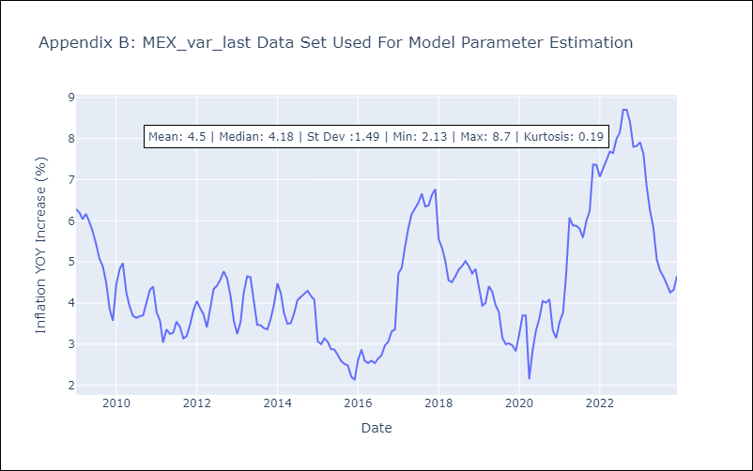

Appendix C: Residuals Analysis
Mean | -0.0
Durbin-Watson | [1.83231668 1.97756361 1.83294064 1.96398441 2.03631835]
Normal? | No

