chl
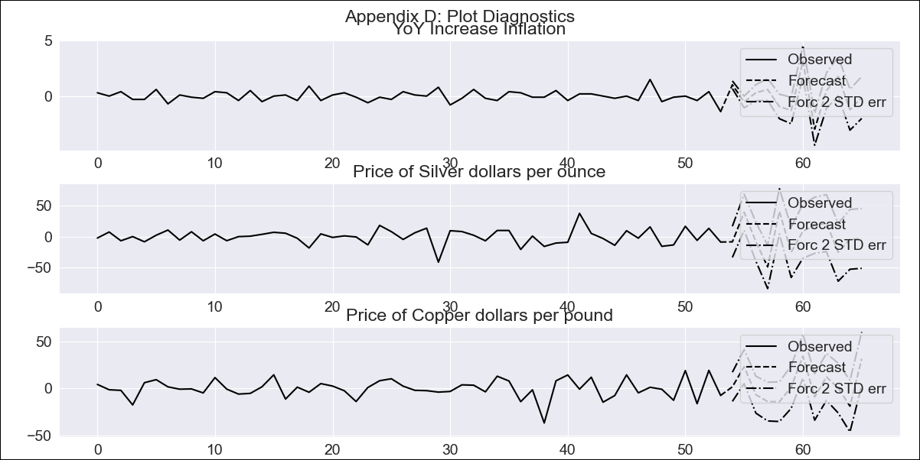
chl - Inflation - Next 12 months forecast as of: 2023-09-01

Model | VAR - 12 | Exogenous Variables | Price of Silver dollars per ounce, Price of Copper dollars per pound
Training Data | 2018-02-01 to 2022-10-01
Test Data | 2022-10-01 to 2023-09-01

Date | Inflation Change YoY % | Lower Bound - 95% Confidence Interval | Upper Bound - 95% Confidence Interval
2023-10-01 | 5.92 | 5.58 | 6.27
2023-11-01 | 6.22 | 4.52 | 6.27
2023-12-01 | 6.82 | 4.09 | 7.31
2024-01-01 | 8.01 | 3.7 | 8.89
2024-02-01 | 8.27 | 1.65 | 9.06
2024-03-01 | 7.22 | -0.84 | 8.95
2024-04-01 | 9.33 | 0.88 | 13.53
2024-05-01 | 8.46 | -3.55 | 12
2024-06-01 | 8.07 | -4.67 | 14.1
2024-07-01 | 9.46 | -4.65 | 17.64
2024-08-01 | 9.63 | -7.73 | 18.26
2024-09-01 | 9.67 | -9.74 | 20.03

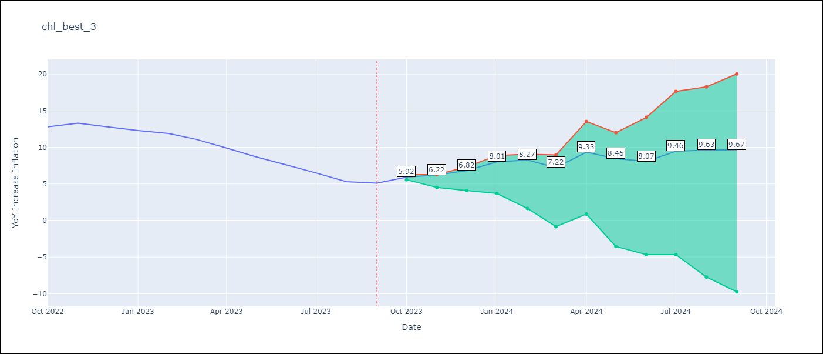

Test Metrics
RMSE | 6.54
Naive RMSE | 4.89
MAPE | 77.56%

Test Predictions
Date | Predicted | Actual
2022-10-01 | 14.32 | 12.8
2022-11-01 | 14.42 | 13.3
2022-12-01 | 14.82 | 12.8
2023-01-01 | 15.81 | 12.3
2023-02-01 | 15.87 | 11.9
2023-03-01 | 14.62 | 11.1
2023-04-01 | 16.53 | 9.9
2023-05-01 | 15.46 | 8.7
2023-06-01 | 14.87 | 7.6
2023-07-01 | 16.06 | 6.5
2023-08-01 | 16.03 | 5.3
2023-09-01 | 15.87 | 5.1

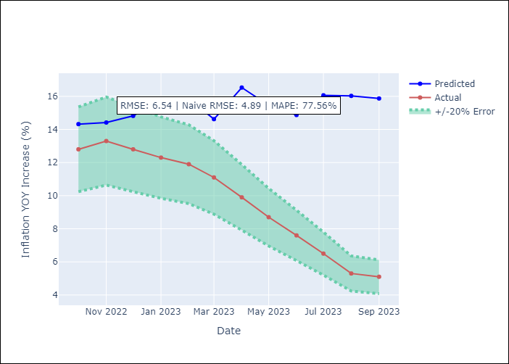

Appendix A: Model Summary
Model | VAR - 12
Sample | 2018-02-01 to 2023-09-01
No. of Observations | 68
Terms | P-value (Statistical significance)
L1.YoY Increase Inflation | 2.7902778682E-05
L1.Price of Silver dollars per ounce | 0.99686348007
L1.Price of Copper dollars per pound | 0.22213369533
L2.YoY Increase Inflation | 0.79191620523
L2.Price of Silver dollars per ounce | 0.88545513643
L2.Price of Copper dollars per pound | 0.31147213484
L3.YoY Increase Inflation | 0.44475156243
L3.Price of Silver dollars per ounce | 0.053647060372
L3.Price of Copper dollars per pound | 0.31157434387
L4.YoY Increase Inflation | 0.90915758136
L4.Price of Silver dollars per ounce | 0.087130294024
L4.Price of Copper dollars per pound | 0.14389669502
L5.YoY Increase Inflation | 0.53263267351
L5.Price of Silver dollars per ounce | 0.051028206493
L5.Price of Copper dollars per pound | 0.451847418
L6.YoY Increase Inflation | 0.20157654383
L6.Price of Silver dollars per ounce | 0.034907162881
L6.Price of Copper dollars per pound | 0.10222598954
L7.YoY Increase Inflation | 0.010291846753
L7.Price of Silver dollars per ounce | 0.23073682819
L7.Price of Copper dollars per pound | 0.80667963891
L8.YoY Increase Inflation | 0.14024760884
L8.Price of Silver dollars per ounce | 0.028980957273
L8.Price of Copper dollars per pound | 0.016823745258
L9.YoY Increase Inflation | 0.60825039582
L9.Price of Silver dollars per ounce | 0.0025762891477
L9.Price of Copper dollars per pound | 0.097453672897
L10.YoY Increase Inflation | 0.73455562031
L10.Price of Silver dollars per ounce | 0.072337398479
L10.Price of Copper dollars per pound | 0.4547631241
L11.YoY Increase Inflation | 0.33181902868
L11.Price of Silver dollars per ounce | 0.00017100583637
L11.Price of Copper dollars per pound | 0.0037130387601
L12.YoY Increase Inflation | 0.0013155066311
L12.Price of Silver dollars per ounce | 6.1520693468E-05
L12.Price of Copper dollars per pound | 0.01130602621
Assumptions | P-value
Test Whiteness | Conclusion: reject H_0 - H_0: residual autocorrelation up to lag 13 is zero
Test Normality | Conclusion: fail to reject H_0 - H_0: data generated by normally-distributed process

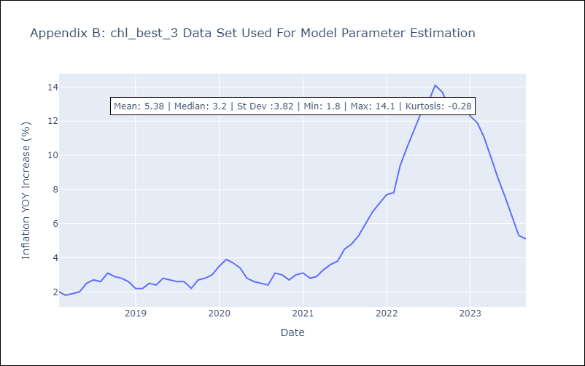

Appendix C: Residuals Analysis
Mean | -0.0
Durbin-Watson | [1.90658392 2.10123489 2.06301362]
Normal? | No

