CHL
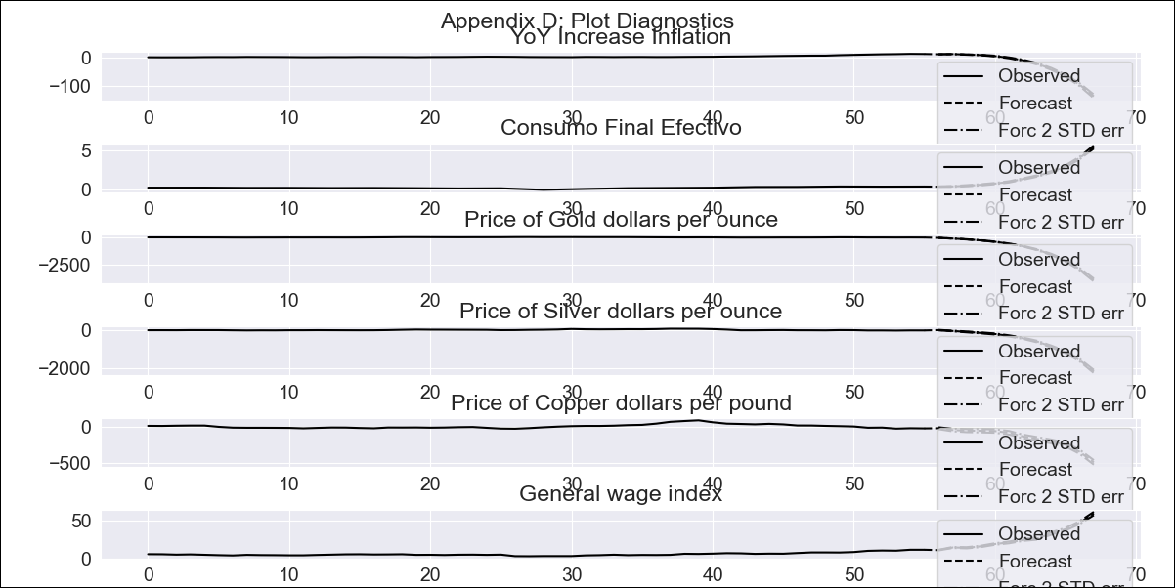
CHL - Inflation - Next 12 months forecast as of: 2023-09-01

Model | VAR - 7 | Exogenous Variables | Consumo Final Efectivo, Price of Gold dollars per ounce, Price of Silver dollars per ounce, Price of Copper dollars per pound, General wage index
Training Data | 2018-02-01 to 2022-10-01
Test Data | 2022-10-01 to 2023-09-01

Date | Inflation Change YoY % | Lower Bound - 95% Confidence Interval | Upper Bound - 95% Confidence Interval
2023-10-01 |  | 4.55 | 5.19
2023-11-01 |  | 10.08 | 10.87
2023-12-01 |  | 8.51 | 9.85
2024-01-01 |  | 11.16 | 12.99
2024-02-01 |  | 4.03 | 6.62
2024-03-01 |  | -7.97 | -4.76
2024-04-01 |  | -21.92 | -18.03
2024-05-01 |  | -20.18 | -14.91
2024-06-01 |  | -30.77 | -24.04
2024-07-01 |  | -51.49 | -43.33
2024-08-01 |  | -65 | -54.77
2024-09-01 |  | -81.46 | -68.23

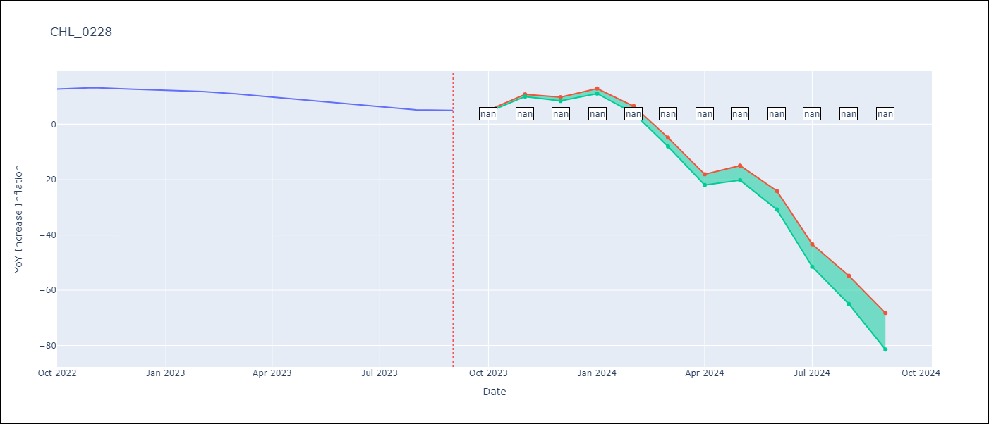

Test Metrics
RMSE | 56.67
Naive RMSE | 4.89
MAPE | 589.33%

Test Predictions
Date | Predicted | Actual
2022-10-01 | 12.73 | 12.8
2022-11-01 | 13.35 | 13.3
2022-12-01 | 11.53 | 12.8
2023-01-01 | 9.85 | 12.3
2023-02-01 | 6.22 | 11.9
2023-03-01 | -0.16 | 11.1
2023-04-01 | -8.82 | 9.9
2023-05-01 | -21.36 | 8.7
2023-06-01 | -39.39 | 7.6
2023-07-01 | -63.52 | 6.5
2023-08-01 | -94.98 | 5.3
2023-09-01 | -136.16 | 5.1

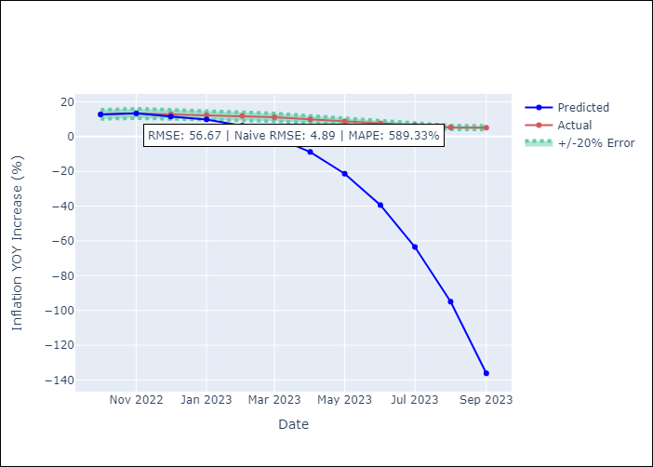

Appendix A: Model Summary
Model | VAR - 7
Sample | 2018-02-01 to 2023-09-01
No. of Observations | 68
Terms | P-value (Statistical significance)
L1.YoY Increase Inflation | 0.051361159283
L1.Consumo Final Efectivo | 0.75721354241
L1.Price of Gold dollars per ounce | 0.07819327369
L1.Price of Silver dollars per ounce | 0.92539537253
L1.Price of Copper dollars per pound | 0.52476330688
L1.General wage index | 0.43803585604
L2.YoY Increase Inflation | 0.82001553334
L2.Consumo Final Efectivo | 0.53228134619
L2.Price of Gold dollars per ounce | 0.022755182115
L2.Price of Silver dollars per ounce | 0.12588069271
L2.Price of Copper dollars per pound | 0.14239752234
L2.General wage index | 0.15880176328
L3.YoY Increase Inflation | 0.68539272596
L3.Consumo Final Efectivo | 0.5519131967
L3.Price of Gold dollars per ounce | 0.64847760654
L3.Price of Silver dollars per ounce | 0.12504500231
L3.Price of Copper dollars per pound | 0.0077557186763
L3.General wage index | 0.46023658057
L4.YoY Increase Inflation | 0.43811197562
L4.Consumo Final Efectivo | 0.2906530102
L4.Price of Gold dollars per ounce | 0.32778897902
L4.Price of Silver dollars per ounce | 0.29889167085
L4.Price of Copper dollars per pound | 0.47979322542
L4.General wage index | 0.03383589136
L5.YoY Increase Inflation | 0.90554018159
L5.Consumo Final Efectivo | 0.79407033546
L5.Price of Gold dollars per ounce | 0.19982073653
L5.Price of Silver dollars per ounce | 0.37316033199
L5.Price of Copper dollars per pound | 0.58434221188
L5.General wage index | 0.67141874657
L6.YoY Increase Inflation | 0.22354310969
L6.Consumo Final Efectivo | 0.4483286831
L6.Price of Gold dollars per ounce | 0.91230662486
L6.Price of Silver dollars per ounce | 0.59606439241
L6.Price of Copper dollars per pound | 0.0066448808044
L6.General wage index | 0.87385570226
L7.YoY Increase Inflation | 0.20217746548
L7.Consumo Final Efectivo | 0.030442812964
L7.Price of Gold dollars per ounce | 0.20481295303
L7.Price of Silver dollars per ounce | 0.67084609494
L7.Price of Copper dollars per pound | 0.57632355412
L7.General wage index | 0.17599124464
Assumptions | P-value
Test Whiteness | Conclusion: reject H_0 - H_0: residual autocorrelation up to lag 10 is zero
Test Normality | Conclusion: fail to reject H_0 - H_0: data generated by normally-distributed process

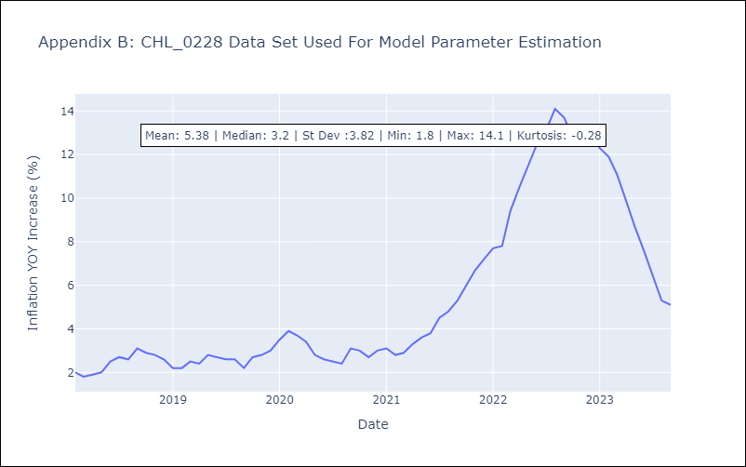

Appendix C: Residuals Analysis
Mean | 0.0
Durbin-Watson | [3.19535587 2.76679421 2.81574531 2.68143224 2.54344183 2.77677864]
Normal? | No

