CHL
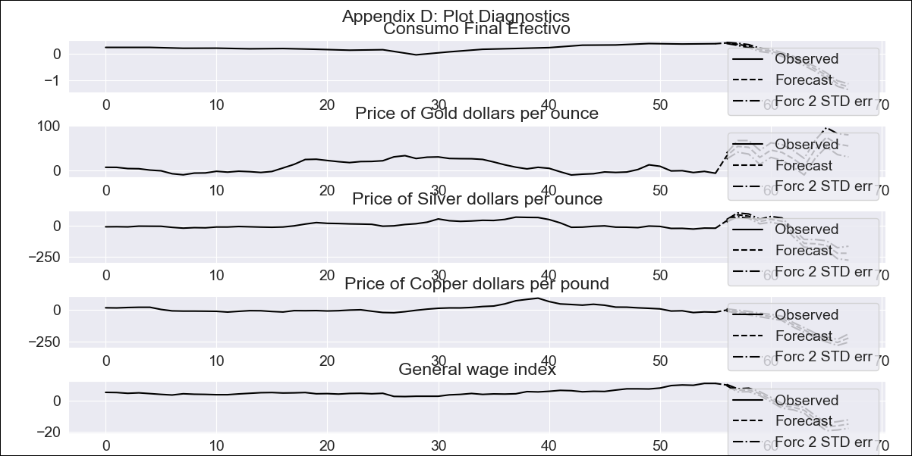
CHL - Inflation - Next 12 months forecast as of: 2023-09-01

Model | VAR - 8 | Exogenous Variables | Price of Gold dollars per ounce, Price of Silver dollars per ounce, Price of Copper dollars per pound, General wage index
Training Data | 2018-02-01 to 2022-10-01
Test Data | 2022-10-01 to 2023-09-01

Date | Inflation Change YoY % | Lower Bound - 95% Confidence Interval | Upper Bound - 95% Confidence Interval
2023-10-01 |  | 0.25 | 0.29
2023-11-01 |  | -0.07 | 0.01
2023-12-01 |  | -0.5 | -0.39
2024-01-01 |  | -0.57 | -0.45
2024-02-01 |  | -0.61 | -0.47
2024-03-01 |  | -0.65 | -0.51
2024-04-01 |  | -0.81 | -0.66
2024-05-01 |  | -0.8 | -0.64
2024-06-01 |  | -0.69 | -0.51
2024-07-01 |  | -0.55 | -0.36
2024-08-01 |  | -0.41 | -0.2
2024-09-01 |  | -0.29 | -0.07

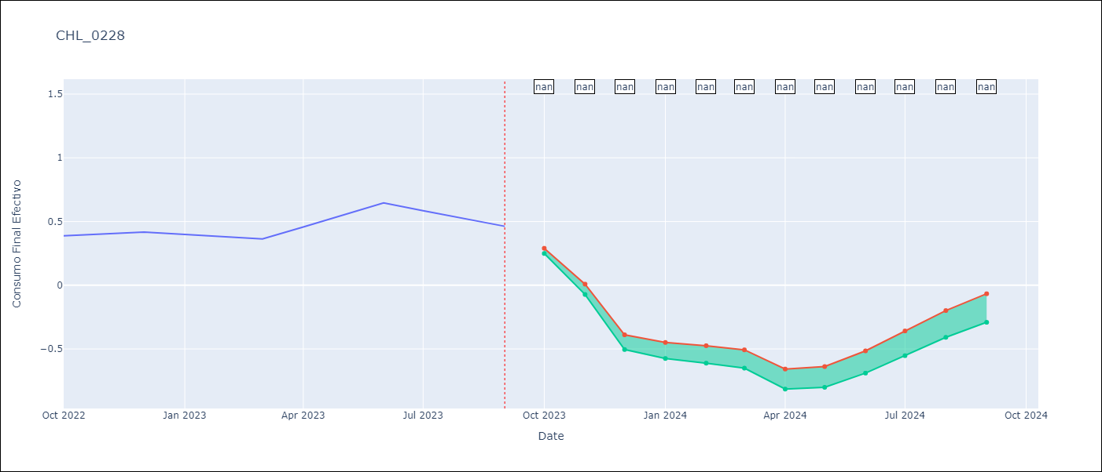

Test Metrics
RMSE | 0.95
Naive RMSE | 0.13
MAPE | 144.01%

Test Predictions
Date | Predicted | Actual
2022-10-01 | 0.4 | 0.39
2022-11-01 | 0.35 | 0.4
2022-12-01 | 0.28 | 0.42
2023-01-01 | 0.14 | 0.4
2023-02-01 | 0.09 | 0.38
2023-03-01 | -0.04 | 0.36
2023-04-01 | -0.18 | 0.46
2023-05-01 | -0.37 | 0.55
2023-06-01 | -0.58 | 0.65
2023-07-01 | -0.83 | 0.58
2023-08-01 | -1.14 | 0.52
2023-09-01 | -1.26 | 0.46

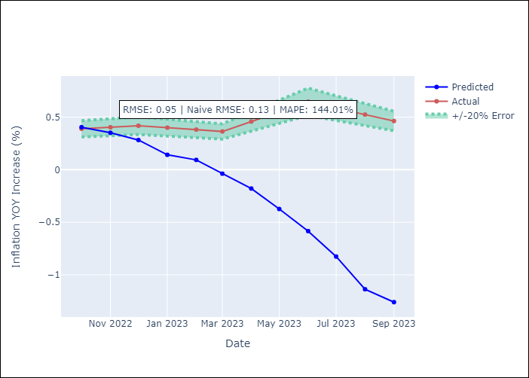

Appendix A: Model Summary
Model | VAR - 8
Sample | 2018-02-01 to 2023-09-01
No. of Observations | 68
Terms | P-value (Statistical significance)
L1.Consumo Final Efectivo | 5.0111111601E-06
L1.Price of Gold dollars per ounce | 0.060308991325
L1.Price of Silver dollars per ounce | 0.70124297919
L1.Price of Copper dollars per pound | 0.97067251305
L1.General wage index | 0.45276498925
L2.Consumo Final Efectivo | 0.023151735158
L2.Price of Gold dollars per ounce | 0.63731254793
L2.Price of Silver dollars per ounce | 0.77523121125
L2.Price of Copper dollars per pound | 0.29646612815
L2.General wage index | 0.0017797523421
L3.Consumo Final Efectivo | 0.43530608125
L3.Price of Gold dollars per ounce | 0.15303154616
L3.Price of Silver dollars per ounce | 0.2876363368
L3.Price of Copper dollars per pound | 0.091986472071
L3.General wage index | 0.2911905685
L4.Consumo Final Efectivo | 0.063620277502
L4.Price of Gold dollars per ounce | 0.0087820548573
L4.Price of Silver dollars per ounce | 0.071807030092
L4.Price of Copper dollars per pound | 0.073643568574
L4.General wage index | 0.56729717918
L5.Consumo Final Efectivo | 0.12207009735
L5.Price of Gold dollars per ounce | 0.39328997295
L5.Price of Silver dollars per ounce | 0.26787442125
L5.Price of Copper dollars per pound | 0.81102225707
L5.General wage index | 0.85317036801
L6.Consumo Final Efectivo | 0.77461492934
L6.Price of Gold dollars per ounce | 0.74587368608
L6.Price of Silver dollars per ounce | 0.53385321425
L6.Price of Copper dollars per pound | 0.94237066206
L6.General wage index | 0.4799590556
L7.Consumo Final Efectivo | 0.3178100565
L7.Price of Gold dollars per ounce | 0.94187813025
L7.Price of Silver dollars per ounce | 0.55463106037
L7.Price of Copper dollars per pound | 0.22745229096
L7.General wage index | 0.77486781166
L8.Consumo Final Efectivo | 0.20576461829
L8.Price of Gold dollars per ounce | 0.63464973674
L8.Price of Silver dollars per ounce | 0.40744698427
L8.Price of Copper dollars per pound | 0.0012165327551
L8.General wage index | 0.3537176537
Assumptions | P-value
Test Whiteness | Conclusion: reject H_0 - H_0: residual autocorrelation up to lag 10 is zero
Test Normality | Conclusion: fail to reject H_0 - H_0: data generated by normally-distributed process

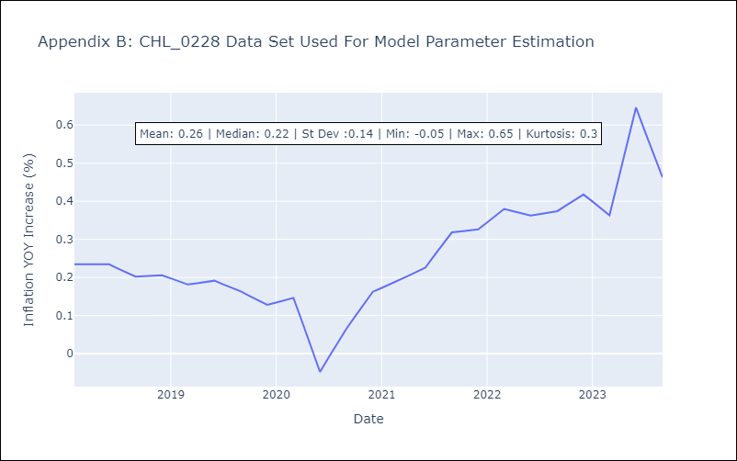

Appendix C: Residuals Analysis
Mean | 0.0
Durbin-Watson | [2.73731594 2.58393937 2.95560122 2.8030488 2.71726057]
Normal? | No

