CHL
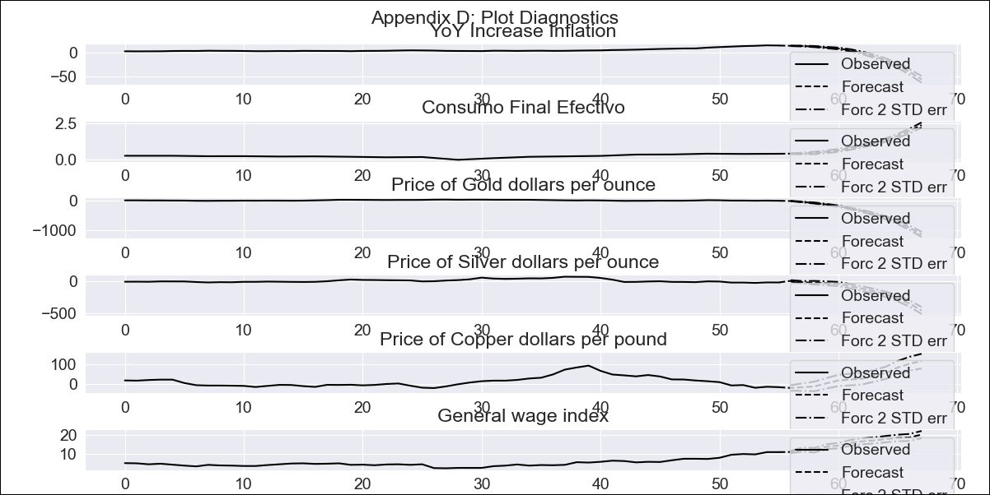
CHL - Inflation - Next 12 months forecast as of: 2023-09-01

Model | VAR - 6 | Exogenous Variables | Consumo Final Efectivo, Price of Gold dollars per ounce, Price of Silver dollars per ounce, Price of Copper dollars per pound, General wage index
Training Data | 2018-02-01 to 2022-10-01
Test Data | 2022-10-01 to 2023-09-01

Date | Inflation Change YoY % | Lower Bound - 95% Confidence Interval | Upper Bound - 95% Confidence Interval
2023-10-01 |  | 6.74 | 7.81
2023-11-01 |  | 6.64 | 8.24
2023-12-01 |  | 6.67 | 8.83
2024-01-01 |  | 4.15 | 6.89
2024-02-01 |  | 1.6 | 4.99
2024-03-01 |  | -4.12 | -0.01
2024-04-01 |  | -14.68 | -9.37
2024-05-01 |  | -21.3 | -14.53
2024-06-01 |  | -26.93 | -18.73
2024-07-01 |  | -34.54 | -24.92
2024-08-01 |  | -40.73 | -29.33
2024-09-01 |  | -50.28 | -36.89

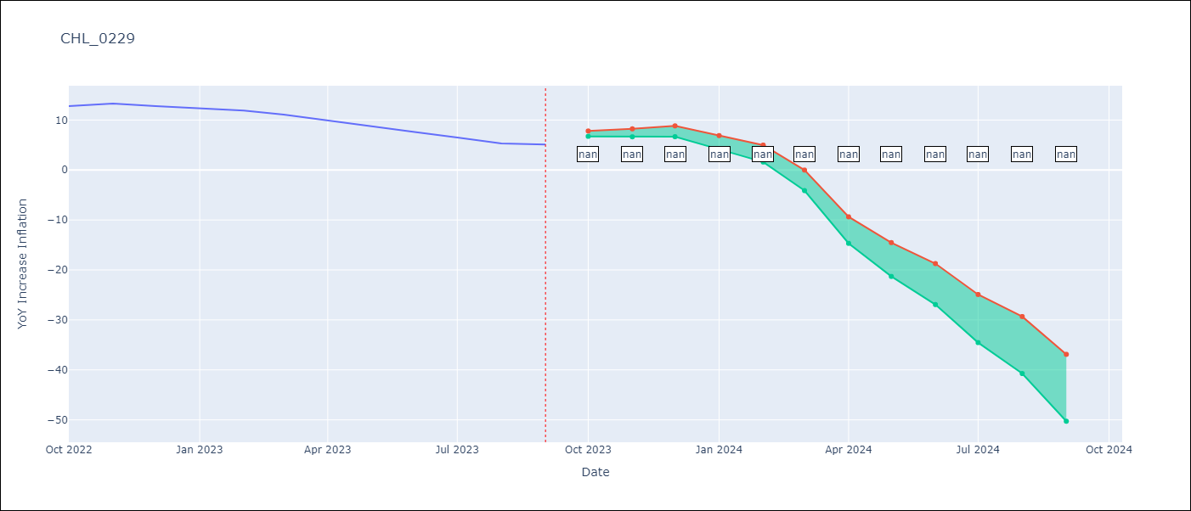

Test Metrics
RMSE | 25.72
Naive RMSE | 4.89
MAPE | 277.17%

Test Predictions
Date | Predicted | Actual
2022-10-01 | 13.1 | 12.8
2022-11-01 | 12.65 | 13.3
2022-12-01 | 11.51 | 12.8
2023-01-01 | 9.57 | 12.3
2023-02-01 | 7.7 | 11.9
2023-03-01 | 4.06 | 11.1
2023-04-01 | -1.08 | 9.9
2023-05-01 | -8.07 | 8.7
2023-06-01 | -16.86 | 7.6
2023-07-01 | -27.23 | 6.5
2023-08-01 | -40.22 | 5.3
2023-09-01 | -55.31 | 5.1

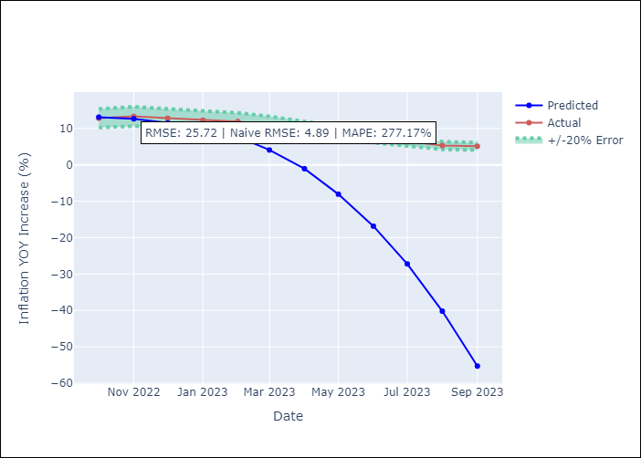

Appendix A: Model Summary
Model | VAR - 6
Sample | 2018-02-01 to 2023-09-01
No. of Observations | 68
Terms | P-value (Statistical significance)
L1.YoY Increase Inflation | 0.00026141178008
L1.Consumo Final Efectivo | 0.020679549769
L1.Price of Gold dollars per ounce | 0.30119074897
L1.Price of Silver dollars per ounce | 0.43754144969
L1.Price of Copper dollars per pound | 0.61215593769
L1.General wage index | 0.27077197993
L2.YoY Increase Inflation | 0.5436448649
L2.Consumo Final Efectivo | 0.071359751706
L2.Price of Gold dollars per ounce | 0.66103240682
L2.Price of Silver dollars per ounce | 0.096758591173
L2.Price of Copper dollars per pound | 0.74109465104
L2.General wage index | 0.56000433811
L3.YoY Increase Inflation | 0.75237062205
L3.Consumo Final Efectivo | 0.82776952913
L3.Price of Gold dollars per ounce | 0.63065373791
L3.Price of Silver dollars per ounce | 0.015785295747
L3.Price of Copper dollars per pound | 0.74723207912
L3.General wage index | 0.58106911624
L4.YoY Increase Inflation | 0.049150678298
L4.Consumo Final Efectivo | 0.028984896165
L4.Price of Gold dollars per ounce | 0.85469093922
L4.Price of Silver dollars per ounce | 0.35777648938
L4.Price of Copper dollars per pound | 0.89915510764
L4.General wage index | 0.82474284914
L5.YoY Increase Inflation | 0.4105721362
L5.Consumo Final Efectivo | 0.022202998247
L5.Price of Gold dollars per ounce | 0.68146803285
L5.Price of Silver dollars per ounce | 0.59814219465
L5.Price of Copper dollars per pound | 0.19465721718
L5.General wage index | 0.41709187721
L6.YoY Increase Inflation | 0.57353405793
L6.Consumo Final Efectivo | 0.050771995438
L6.Price of Gold dollars per ounce | 0.1296546979
L6.Price of Silver dollars per ounce | 0.92792922707
L6.Price of Copper dollars per pound | 0.079000024741
L6.General wage index | 0.76974029991
Assumptions | P-value
Test Whiteness | Conclusion: reject H_0 - H_0: residual autocorrelation up to lag 10 is zero
Test Normality | Conclusion: reject H_0 - H_0: data generated by normally-distributed process

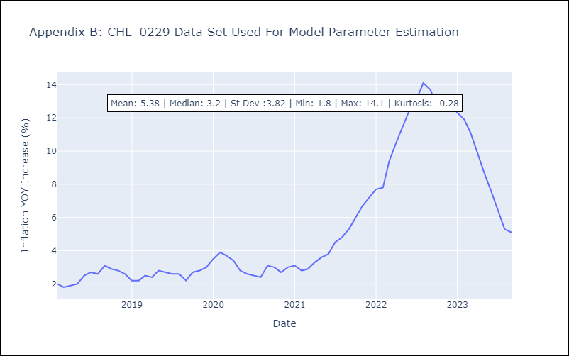

Appendix C: Residuals Analysis
Mean | 0.0
Durbin-Watson | [2.8529212 2.03831559 2.05680874 2.46608391 2.34561707 2.62640882]
Normal? | No

