CHL
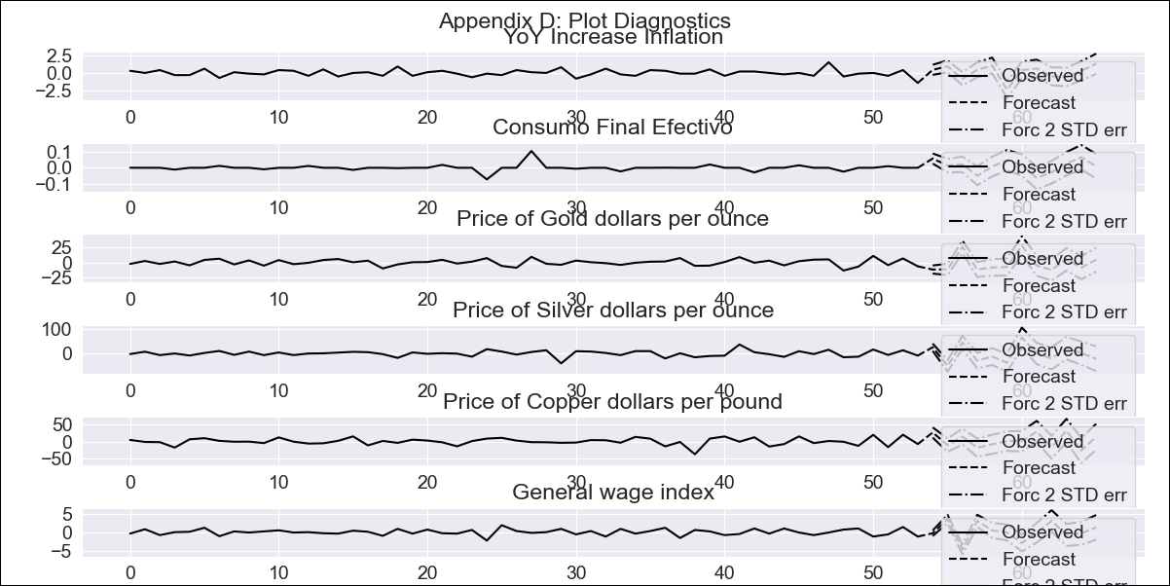
CHL - Inflation - Next 12 months forecast as of: 2023-09-01

Model | VAR - 6 | Exogenous Variables | Consumo Final Efectivo, Price of Gold dollars per ounce, Price of Silver dollars per ounce, Price of Copper dollars per pound, General wage index
Training Data | 2018-02-01 to 2022-10-01
Test Data | 2022-10-01 to 2023-09-01

Date | Inflation Change YoY % | Lower Bound - 95% Confidence Interval | Upper Bound - 95% Confidence Interval
2023-10-01 | 5.34 | 4.63 | 6.04
2023-11-01 | 6.5 | 4.73 | 7.8
2023-12-01 | 6.85 | 2.99 | 7.9
2024-01-01 | 7.63 | 2.38 | 9.38
2024-02-01 | 9.46 | 2.32 | 11.53
2024-03-01 | 8.94 | -1.18 | 10.34
2024-04-01 | 8.82 | -1.97 | 11.93
2024-05-01 | 9.31 | -2.59 | 13.79
2024-06-01 | 9.34 | -4.33 | 14.58
2024-07-01 | 8.8 | -6.18 | 15.32
2024-08-01 | 8.57 | -7.23 | 16.95
2024-09-01 | 9.62 | -7.35 | 19.66

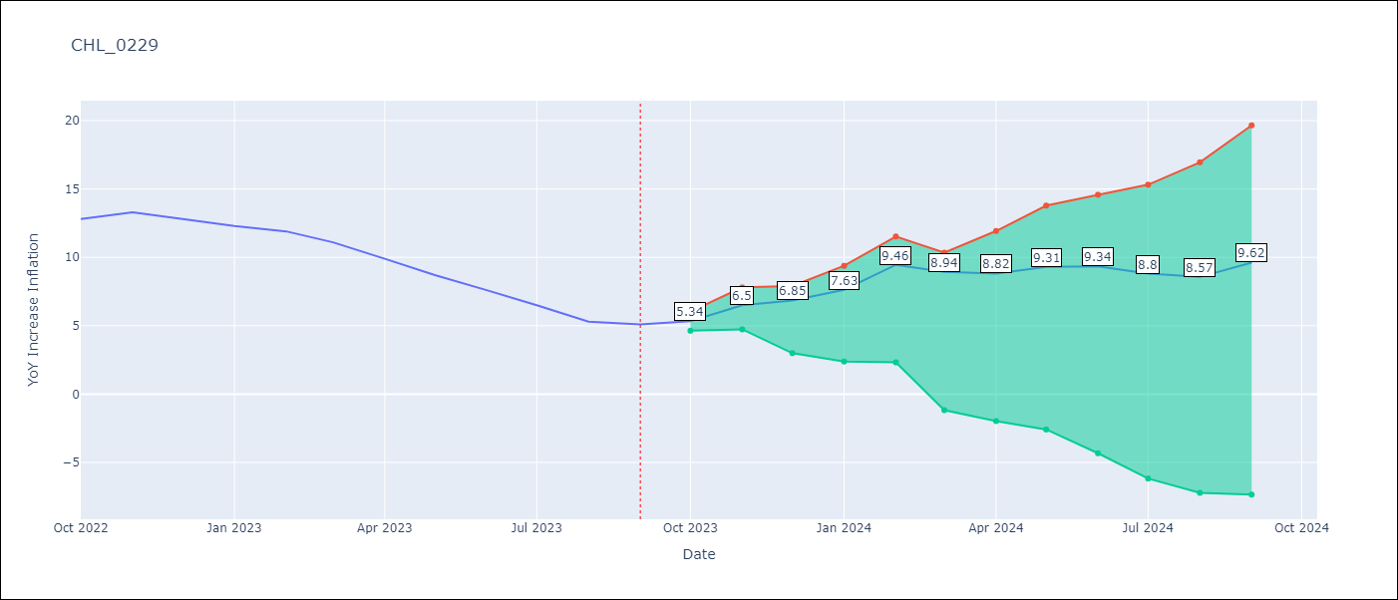

Test Metrics
RMSE | 6.63
Naive RMSE | 4.89
MAPE | 78.42%

Test Predictions
Date | Predicted | Actual
2022-10-01 | 13.74 | 12.8
2022-11-01 | 14.7 | 13.3
2022-12-01 | 14.85 | 12.8
2023-01-01 | 15.43 | 12.3
2023-02-01 | 17.06 | 11.9
2023-03-01 | 16.34 | 11.1
2023-04-01 | 16.02 | 9.9
2023-05-01 | 16.31 | 8.7
2023-06-01 | 16.14 | 7.6
2023-07-01 | 15.4 | 6.5
2023-08-01 | 14.97 | 5.3
2023-09-01 | 15.82 | 5.1

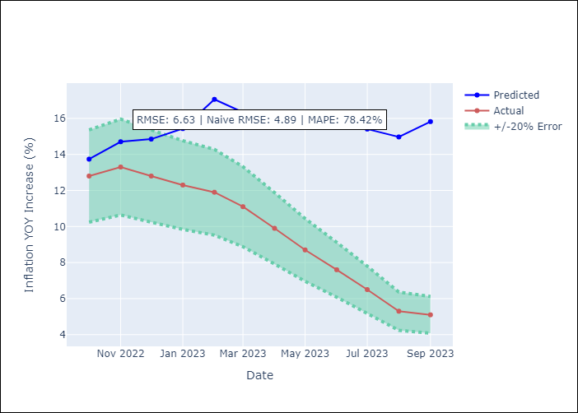

Appendix A: Model Summary
Model | VAR - 6
Sample | 2018-02-01 to 2023-09-01
No. of Observations | 68
Terms | P-value (Statistical significance)
L1.YoY Increase Inflation | 0.13848891192
L1.Consumo Final Efectivo | 0.40500378765
L1.Price of Gold dollars per ounce | 0.62407175813
L1.Price of Silver dollars per ounce | 0.93442517025
L1.Price of Copper dollars per pound | 0.99842941091
L1.General wage index | 0.63395576382
L2.YoY Increase Inflation | 0.99576328049
L2.Consumo Final Efectivo | 0.91541677695
L2.Price of Gold dollars per ounce | 0.36732710401
L2.Price of Silver dollars per ounce | 0.9278373217
L2.Price of Copper dollars per pound | 0.4796006055
L2.General wage index | 0.80883437491
L3.YoY Increase Inflation | 0.48059555471
L3.Consumo Final Efectivo | 0.91981617957
L3.Price of Gold dollars per ounce | 0.98699189469
L3.Price of Silver dollars per ounce | 0.5099552967
L3.Price of Copper dollars per pound | 0.39153708667
L3.General wage index | 0.50106136926
L4.YoY Increase Inflation | 0.87576092804
L4.Consumo Final Efectivo | 0.48394634294
L4.Price of Gold dollars per ounce | 0.49978237464
L4.Price of Silver dollars per ounce | 0.38740640053
L4.Price of Copper dollars per pound | 0.32962735155
L4.General wage index | 0.31500005112
L5.YoY Increase Inflation | 0.79117285244
L5.Consumo Final Efectivo | 0.65530258575
L5.Price of Gold dollars per ounce | 0.065864371239
L5.Price of Silver dollars per ounce | 0.92237156678
L5.Price of Copper dollars per pound | 0.40390539202
L5.General wage index | 0.50047915269
L6.YoY Increase Inflation | 0.53222973179
L6.Consumo Final Efectivo | 0.5666197877
L6.Price of Gold dollars per ounce | 0.75128135602
L6.Price of Silver dollars per ounce | 0.34419341416
L6.Price of Copper dollars per pound | 0.8345814085
L6.General wage index | 0.90806746754
Assumptions | P-value
Test Whiteness | Conclusion: reject H_0 - H_0: residual autocorrelation up to lag 10 is zero
Test Normality | Conclusion: reject H_0 - H_0: data generated by normally-distributed process

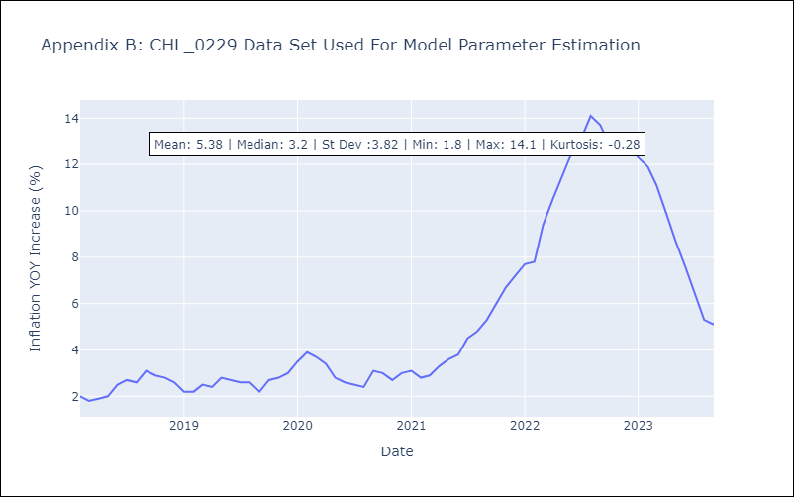

Appendix C: Residuals Analysis
Mean | -0.0
Durbin-Watson | [1.65657684 2.12213956 1.71823348 1.93597967 2.03768606 1.95187168]
Normal? | No

