CHL
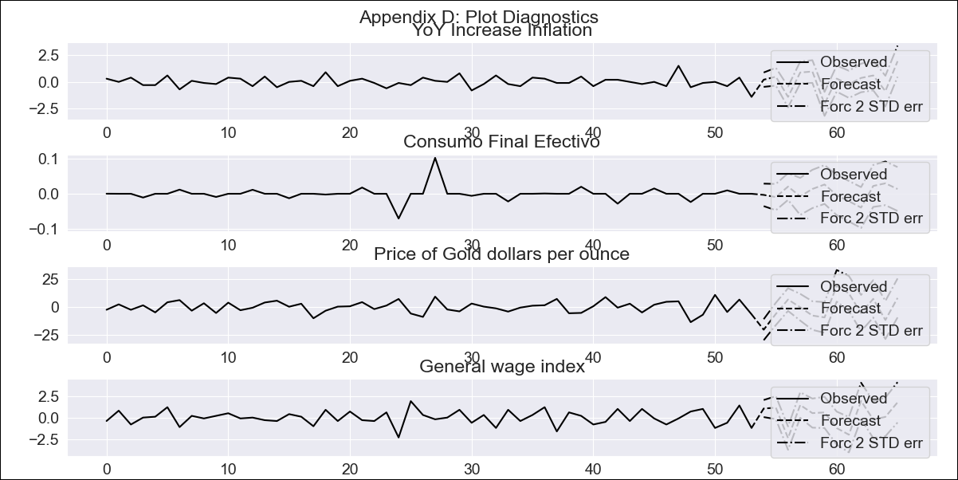
CHL - Inflation - Next 12 months forecast as of: 2023-09-01

Model | VAR - 8 | Exogenous Variables | Consumo Final Efectivo, Price of Gold dollars per ounce, General wage index
Training Data | 2018-02-01 to 2022-10-01
Test Data | 2022-10-01 to 2023-09-01

Date | Inflation Change YoY % | Lower Bound - 95% Confidence Interval | Upper Bound - 95% Confidence Interval
2023-10-01 | 5.1 | 4.43 | 5.78
2023-11-01 | 5.59 | 4.09 | 7.09
2023-12-01 | 4.68 | 1.71 | 6.66
2024-01-01 | 4.64 | 1.57 | 8.56
2024-02-01 | 5.57 | 1.48 | 10.58
2024-03-01 | 4.45 | -1.69 | 9.65
2024-04-01 | 3.63 | -2.6 | 11.17
2024-05-01 | 2.59 | -4.1 | 12.21
2024-06-01 | 1.91 | -5.06 | 13.9
2024-07-01 | 1.83 | -5.85 | 15.89
2024-08-01 | 0.89 | -8.14 | 16.47
2024-09-01 | 1.88 | -7.67 | 19.84

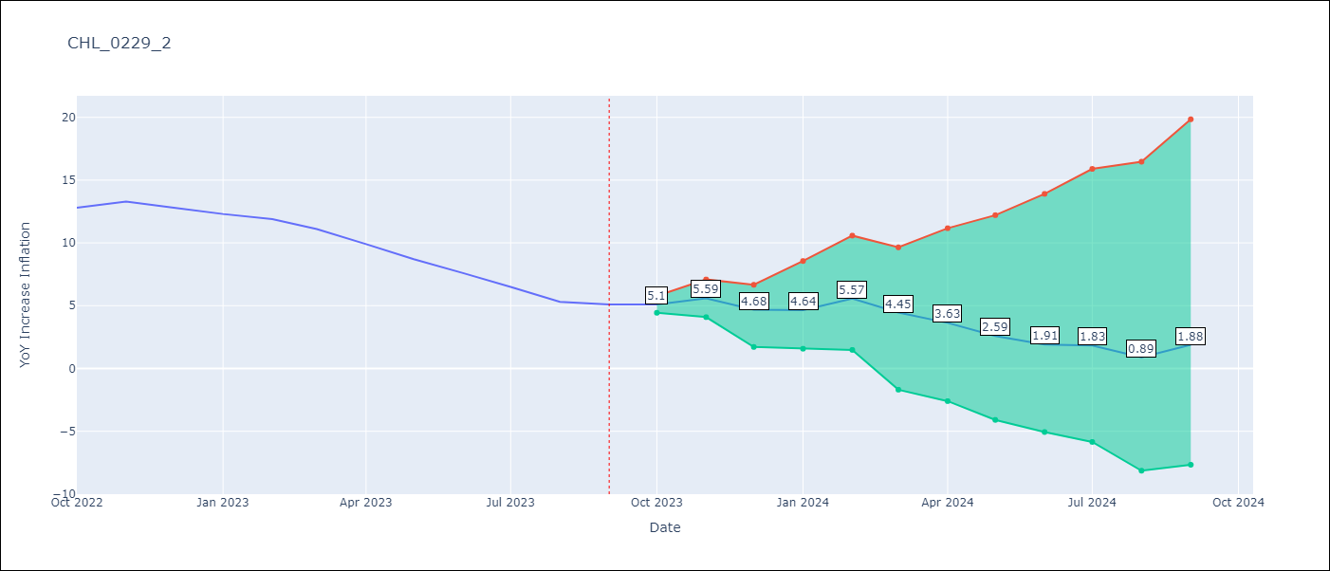

Test Metrics
RMSE | 1.37
Naive RMSE | 0.87
MAPE | 15.74%

Test Predictions
Date | Predicted | Actual
2022-10-01 | 13.5 | 12.8
2022-11-01 | 13.79 | 13.3
2022-12-01 | 12.68 | 12.8
2023-01-01 | 12.44 | 12.3
2023-02-01 | 13.17 | 11.9
2023-03-01 | 11.85 | 11.1
2023-04-01 | 10.83 | 9.9
2023-05-01 | 9.59 | 8.7
2023-06-01 | 8.71 | 7.6
2023-07-01 | 8.43 | 6.5
2023-08-01 | 7.29 | 5.3
2023-09-01 | 8.08 | 5.1

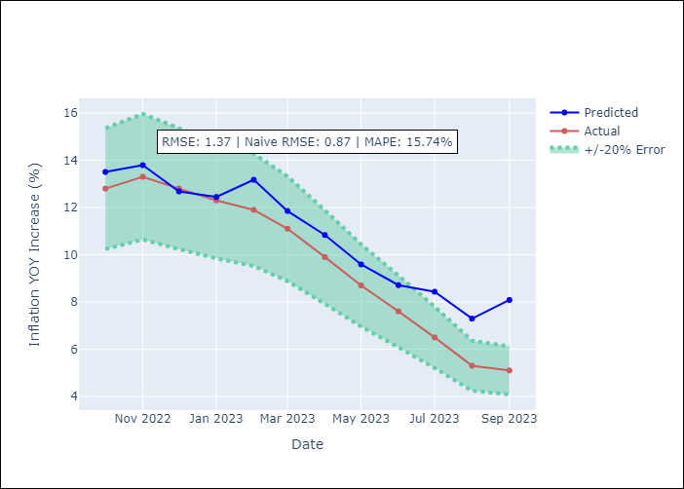

Appendix A: Model Summary
Model | VAR - 8
Sample | 2018-02-01 to 2023-09-01
No. of Observations | 68
Terms | P-value (Statistical significance)
L1.YoY Increase Inflation | 0.20703085461
L1.Consumo Final Efectivo | 0.12237166318
L1.Price of Gold dollars per ounce | 0.26404968501
L1.General wage index | 0.054761313832
L2.YoY Increase Inflation | 0.89088553711
L2.Consumo Final Efectivo | 0.67464135319
L2.Price of Gold dollars per ounce | 0.0091408651592
L2.General wage index | 0.88284371563
L3.YoY Increase Inflation | 0.48778838059
L3.Consumo Final Efectivo | 0.22443037287
L3.Price of Gold dollars per ounce | 0.90758890161
L3.General wage index | 0.69042471299
L4.YoY Increase Inflation | 0.79872182553
L4.Consumo Final Efectivo | 0.45173860659
L4.Price of Gold dollars per ounce | 0.94923181869
L4.General wage index | 0.46376451443
L5.YoY Increase Inflation | 0.081831133762
L5.Consumo Final Efectivo | 0.18030653333
L5.Price of Gold dollars per ounce | 0.40212858694
L5.General wage index | 0.81075357397
L6.YoY Increase Inflation | 0.44396171064
L6.Consumo Final Efectivo | 0.32731190354
L6.Price of Gold dollars per ounce | 0.009353797307
L6.General wage index | 0.50425762924
L7.YoY Increase Inflation | 0.39450559408
L7.Consumo Final Efectivo | 0.26514893359
L7.Price of Gold dollars per ounce | 0.53903424461
L7.General wage index | 0.32621131698
L8.YoY Increase Inflation | 0.20472834638
L8.Consumo Final Efectivo | 0.93644463012
L8.Price of Gold dollars per ounce | 0.49651018894
L8.General wage index | 0.76437287271
Assumptions | P-value
Test Whiteness | Conclusion: reject H_0 - H_0: residual autocorrelation up to lag 10 is zero
Test Normality | Conclusion: reject H_0 - H_0: data generated by normally-distributed process

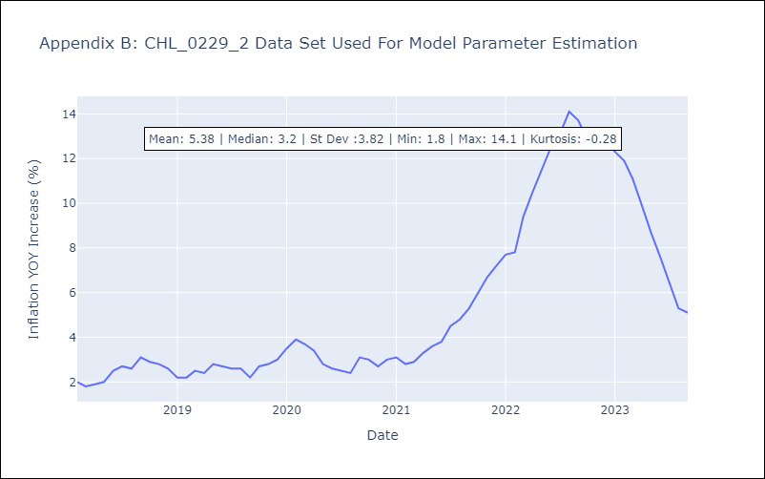

Appendix C: Residuals Analysis
Mean | -0.0
Durbin-Watson | [2.23503919 2.08769604 1.7102907 1.58385276]
Normal? | No

