CHL
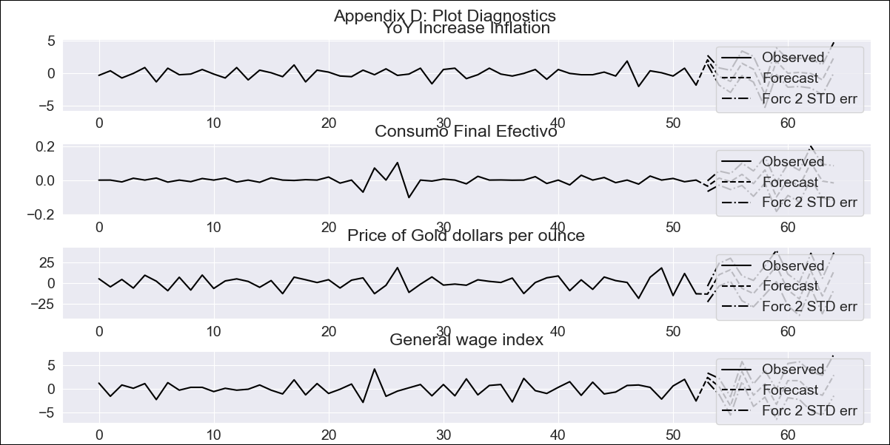
CHL - Inflation - Next 12 months forecast as of: 2023-09-01

Model | VAR - 8 | Exogenous Variables | Consumo Final Efectivo, Price of Gold dollars per ounce, General wage index
Training Data | 2018-02-01 to 2022-10-01
Test Data | 2022-10-01 to 2023-09-01

Date | Inflation Change YoY % | Lower Bound - 95% Confidence Interval | Upper Bound - 95% Confidence Interval
2023-10-01 | 0.68 | 5.09 | 6.47
2023-11-01 | 1.09 | 3.3 | 7.33
2023-12-01 | 0.28 | 0.37 | 7.8
2024-01-01 | 1.02 | 0.04 | 11.24
2024-02-01 | 2.4 | -1.29 | 13.86
2024-03-01 | 0.56 | -6.51 | 12.62
2024-04-01 | 0.58 | -6.69 | 16.54
2024-05-01 | 0.62 | -8.81 | 18.7
2024-06-01 | 0.83 | -10.82 | 21.03
2024-07-01 | 1.02 | -13.07 | 23.25
2024-08-01 | 0.22 | -16.36 | 24.57
2024-09-01 | 1.87 | -16.25 | 29.34

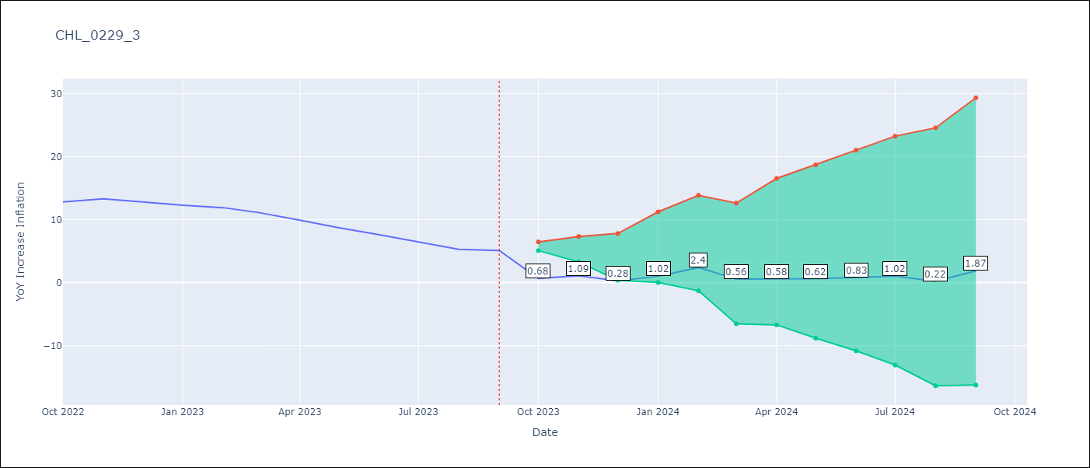

Test Metrics
RMSE | 11.75
Naive RMSE | 0.87
MAPE | 136.31%

Test Predictions
Date | Predicted | Actual
2022-10-01 | 2.68 | 12.8
2022-11-01 | 5.29 | 13.3
2022-12-01 | 6.68 | 12.8
2023-01-01 | 9.62 | 12.3
2023-02-01 | 13.2 | 11.9
2023-03-01 | 13.56 | 11.1
2023-04-01 | 15.78 | 9.9
2023-05-01 | 18.02 | 8.7
2023-06-01 | 20.43 | 7.6
2023-07-01 | 22.82 | 6.5
2023-08-01 | 24.22 | 5.3
2023-09-01 | 28.07 | 5.1

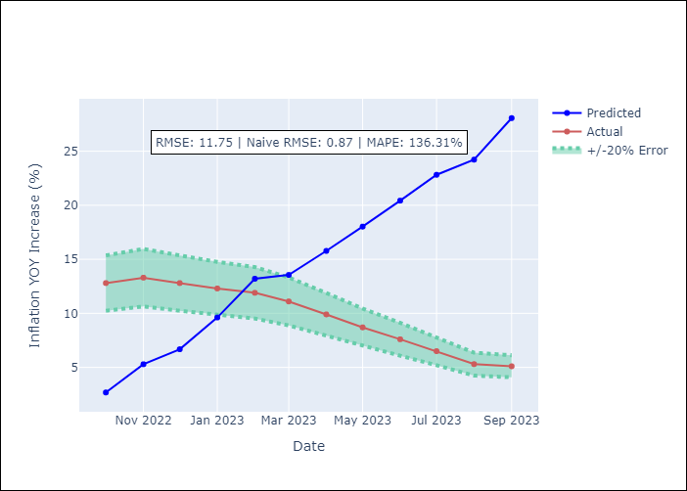

Appendix A: Model Summary
Model | VAR - 8
Sample | 2018-02-01 to 2023-09-01
No. of Observations | 68
Terms | P-value (Statistical significance)
L1.YoY Increase Inflation | 1.303211646E-05
L1.Consumo Final Efectivo | 0.10111767496
L1.Price of Gold dollars per ounce | 0.21039756013
L1.General wage index | 0.063076713415
L2.YoY Increase Inflation | 0.005946137989
L2.Consumo Final Efectivo | 0.27057553791
L2.Price of Gold dollars per ounce | 0.31844285174
L2.General wage index | 0.35598611188
L3.YoY Increase Inflation | 0.17579579756
L3.Consumo Final Efectivo | 0.97059646375
L3.Price of Gold dollars per ounce | 0.89559483727
L3.General wage index | 0.56739941398
L4.YoY Increase Inflation | 0.22791440966
L4.Consumo Final Efectivo | 0.59712255066
L4.Price of Gold dollars per ounce | 0.9002695365
L4.General wage index | 0.71545820961
L5.YoY Increase Inflation | 0.072545274708
L5.Consumo Final Efectivo | 0.32958295245
L5.Price of Gold dollars per ounce | 0.98969657416
L5.General wage index | 0.86432350919
L6.YoY Increase Inflation | 0.076673908251
L6.Consumo Final Efectivo | 0.78197569431
L6.Price of Gold dollars per ounce | 0.31366618527
L6.General wage index | 0.62012849969
L7.YoY Increase Inflation | 0.046781954247
L7.Consumo Final Efectivo | 0.47023560056
L7.Price of Gold dollars per ounce | 0.51277583547
L7.General wage index | 0.82733666952
L8.YoY Increase Inflation | 0.39518013792
L8.Consumo Final Efectivo | 0.82826763103
L8.Price of Gold dollars per ounce | 0.91226449409
L8.General wage index | 0.87245437452
Assumptions | P-value
Test Whiteness | Conclusion: reject H_0 - H_0: residual autocorrelation up to lag 10 is zero
Test Normality | Conclusion: fail to reject H_0 - H_0: data generated by normally-distributed process

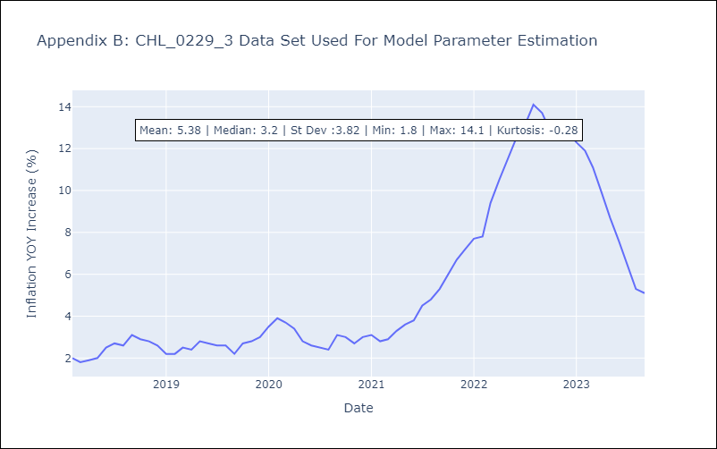

Appendix C: Residuals Analysis
Mean | -0.0
Durbin-Watson | [1.90083612 1.73321838 1.92329122 2.28863446]
Normal? | No

